Customer Info


INFO
Orders will be invoiced separately incl. shipping & taxes
Standard Terms: 100% at time of purchase
Credit options: 50% at time of purchase, 50% within 90 days of purchase date.
For any assistance or inquiries contact Kaleb Thomas at bodegaholds@gmail.com

SHIPPING INFORMATION
Company Name
Address
Postal Code
City
Country
Contact Name (ATTN)
Phone
Email

BILLING INFORMATION (If different)
Company Name
Address
Postal Code
City
Country
Phone
Email

A.G.
 |  |  | AG
 |  |  | https://www.agholds.com/
 |  |  |  |  |  | QTY Holds by Colour
 |  | QTY Sets | QTY Holds | Subtotal ( $ CAD) |  | White RAL 9010 12-01 | Blue RAL 5015 CX-77 | US Green RAL 6037 16-16 | Traffic Yellow RAL 1023 CX-2 | US Orange RAL 2009 14-01 | Traffic Red RAL 3020 CX-5 | Signal Violet RAL 4008 CX-16 | US Purple 07-13 CX-81 | Black RAL 9005 1801 | Mint RAL 6027 13-27 | Other (Enter Code)
 |  | 0 | 0 | $- |  | 0 | 0 | 0 | 0 | 0 | 0 | 0 | 0 | 0 | 0 | 0

Pictures | Texture | Range | Set | # Holds/Set | Cost/Set | White RAL 9010 12-01 | Blue RAL 5015 CX-77 | US Green RAL 6037 16-16 | Traffic Yellow RAL 1023 CX-2 | US Orange RAL 2009 14-01 | Traffic Red RAL 3020 CX-5 | Signal Violet RAL 4008 CX-16 | US Purple 07-13 CX-81 | Black RAL 9005 1801 | Mint RAL 6027 13-27 | Other (Enter Code) | QTY Sets | QTY Holds | Subtotal ( $ CAD)
HOLDS

ASTREA (NEW)
 | DUAL | ASTRAEA | 25-05A | 1 | $95.00 |  |  |  |  |  |  |  |  |  |  |  | 0 | 0 | $-
 | DUAL | ASTRAEA | 25-05B | 2 | $135.00 |  |  |  |  |  |  |  |  |  |  |  | 0 | 0 | $-
 | DUAL | ASTRAEA | 25-05C | 2 | $105.00 |  |  |  |  |  |  |  |  |  |  |  | 0 | 0 | $-
 | DUAL | ASTRAEA | 25-05D | 3 | $165.00 |  |  |  |  |  |  |  |  |  |  |  | 0 | 0 | $-
 | DUAL | ASTRAEA | 25-05E | 4 | $165.00 |  |  |  |  |  |  |  |  |  |  |  | 0 | 0 | $-
 | DUAL | ASTRAEA | 25-05F | 4 | $160.00 |  |  |  |  |  |  |  |  |  |  |  | 0 | 0 | $-
 | DUAL | ASTRAEA | 25-05G | 6 | $175.00 |  |  |  |  |  |  |  |  |  |  |  | 0 | 0 | $-
 | DUAL | ASTRAEA | 25-05H | 6 | $160.00 |  |  |  |  |  |  |  |  |  |  |  | 0 | 0 | $-
 | DUAL | ASTRAEA | 25-05I | 9 | $185.00 |  |  |  |  |  |  |  |  |  |  |  | 0 | 0 | $-
 | DUAL | ASTRAEA | 25-05J | 6 | $120.00 |  |  |  |  |  |  |  |  |  |  |  | 0 | 0 | $-
TAURUS (NEW)
 | DUAL | TAURUS | 25-04A | 1 | $200.00 |  |  |  |  |  |  |  |  |  |  |  | 0 | 0 | $-
 | DUAL | TAURUS | 25-04B | 1 | $130.00 |  |  |  |  |  |  |  |  |  |  |  | 0 | 0 | $-
 | DUAL | TAURUS | 25-04C | 1 | $110.00 |  |  |  |  |  |  |  |  |  |  |  | 0 | 0 | $-
 | DUAL | TAURUS | 25-04D | 1 | $140.00 |  |  |  |  |  |  |  |  |  |  |  | 0 | 0 | $-
 | DUAL | TAURUS | 25-04E | 2 | $205.00 |  |  |  |  |  |  |  |  |  |  |  | 0 | 0 | $-
 | DUAL | TAURUS | 25-04F | 2 | $215.00 |  |  |  |  |  |  |  |  |  |  |  | 0 | 0 | $-
 | DUAL | TAURUS | 25-04G | 1 | $85.00 |  |  |  |  |  |  |  |  |  |  |  | 0 | 0 | $-
 | DUAL | TAURUS | 25-04H | 2 | $120.00 |  |  |  |  |  |  |  |  |  |  |  | 0 | 0 | $-
 | DUAL | TAURUS | 25-04I | 3 | $195.00 |  |  |  |  |  |  |  |  |  |  |  | 0 | 0 | $-
 | DUAL | TAURUS | 25-04J | 3 | $195.00 |  |  |  |  |  |  |  |  |  |  |  | 0 | 0 | $-
 | DUAL | TAURUS | 25-04K | 3 | $195.00 |  |  |  |  |  |  |  |  |  |  |  | 0 | 0 | $-
 | DUAL | TAURUS | 25-04L | 3 | $185.00 |  |  |  |  |  |  |  |  |  |  |  | 0 | 0 | $-
 | DUAL | TAURUS | 25-04M | 4 | $165.00 |  |  |  |  |  |  |  |  |  |  |  | 0 | 0 | $-
SKYWALKERS (NEW)
 | DUAL | SKYWALKERS | 25-03A | 2 | $260.00 |  |  |  |  |  |  |  |  |  |  |  | 0 | 0 | $-
 | DUAL | SKYWALKERS | 25-03B | 1 | $145.00 |  |  |  |  |  |  |  |  |  |  |  | 0 | 0 | $-
 | DUAL | SKYWALKERS | 25-03C | 2 | $190.00 |  |  |  |  |  |  |  |  |  |  |  | 0 | 0 | $-
 | DUAL | SKYWALKERS | 25-03D | 1 | $60.00 |  |  |  |  |  |  |  |  |  |  |  | 0 | 0 | $-
 | DUAL | SKYWALKERS | 25-03E | 2 | $280.00 |  |  |  |  |  |  |  |  |  |  |  | 0 | 0 | $-
 | DUAL | SKYWALKERS | 25-03F | 4 | $300.00 |  |  |  |  |  |  |  |  |  |  |  | 0 | 0 | $-
 | DUAL | SKYWALKERS | 25-03G | 1 | $110.00 |  |  |  |  |  |  |  |  |  |  |  | 0 | 0 | $-
 | DUAL | SKYWALKERS | 25-03H | 3 | $210.00 |  |  |  |  |  |  |  |  |  |  |  | 0 | 0 | $-
 | DUAL | SKYWALKERS | 25-03J | 2 | $90.00 |  |  |  |  |  |  |  |  |  |  |  | 0 | 0 | $-
 | DUAL | SKYWALKERS | 25-03K | 4 | $90.00 |  |  |  |  |  |  |  |  |  |  |  | 0 | 0 | $-
 | DUAL | SKYWALKERS | 25-03L | 4 | $110.00 |  |  |  |  |  |  |  |  |  |  |  | 0 | 0 | $-
 | DUAL | SKYWALKERS | 25-03M | 4 | $120.00 |  |  |  |  |  |  |  |  |  |  |  | 0 | 0 | $-
 | DUAL | SKYWALKERS | 25-03N | 1 | $115.00 |  |  |  |  |  |  |  |  |  |  |  | 0 | 0 | $-
 | DUAL | SKYWALKERS | 25-02A | 2 | $180.00 |  |  |  |  |  |  |  |  |  |  |  | 0 | 0 | $-
 | DUAL | SKYWALKERS | 25-02B | 3 | $175.00 |  |  |  |  |  |  |  |  |  |  |  | 0 | 0 | $-
 | DUAL | SKYWALKERS | 25-02C | 2 | $190.00 |  |  |  |  |  |  |  |  |  |  |  | 0 | 0 | $-
 | DUAL | SKYWALKERS | 25-02D | 3 | $220.00 |  |  |  |  |  |  |  |  |  |  |  | 0 | 0 | $-
 | DUAL | SKYWALKERS | 25-02E | 3 | $220.00 |  |  |  |  |  |  |  |  |  |  |  | 0 | 0 | $-
 | DUAL | SKYWALKERS | 25-02F | 3 | $145.00 |  |  |  |  |  |  |  |  |  |  |  | 0 | 0 | $-
 | DUAL | SKYWALKERS | 25-02G | 3 | $155.00 |  |  |  |  |  |  |  |  |  |  |  | 0 | 0 | $-
 | DUAL | SKYWALKERS | 25-02H | 3 | $125.00 |  |  |  |  |  |  |  |  |  |  |  | 0 | 0 | $-
 | DUAL | SKYWALKERS | 25-02I | 8 | $255.00 |  |  |  |  |  |  |  |  |  |  |  | 0 | 0 | $-
 | DUAL | SKYWALKERS | 25-02J | 3 | $135.00 |  |  |  |  |  |  |  |  |  |  |  | 0 | 0 | $-
 | DUAL | SKYWALKERS | 25-02K | 7 | $175.00 |  |  |  |  |  |  |  |  |  |  |  | 0 | 0 | $-
 | DUAL | SKYWALKERS | 25-02L | 6 | $150.00 |  |  |  |  |  |  |  |  |  |  |  | 0 | 0 | $-
 | DUAL | SKYWALKERS | 25-02M | 6 | $110.00 |  |  |  |  |  |  |  |  |  |  |  | 0 | 0 | $-
 | DUAL | SKYWALKERS | 25-02N | 8 | $175.00 |  |  |  |  |  |  |  |  |  |  |  | 0 | 0 | $-
 | DUAL | SKYWALKERS | 25-02P | 6 | $110.00 |  |  |  |  |  |  |  |  |  |  |  | 0 | 0 | $-
 | DUAL | SKYWALKERS | 25-02Q | 8 | $105.00 |  |  |  |  |  |  |  |  |  |  |  | 0 | 0 | $-
 | DUAL | SKYWALKERS | 25-01A | 8 | $125.00 |  |  |  |  |  |  |  |  |  |  |  | 0 | 0 | $-
 | DUAL | SKYWALKERS | 25-01B | 8 | $125.00 |  |  |  |  |  |  |  |  |  |  |  | 0 | 0 | $-
 | DUAL | SKYWALKERS | 25-01C | 6 | $165.00 |  |  |  |  |  |  |  |  |  |  |  | 0 | 0 | $-
 | DUAL | SKYWALKERS | 25-01D | 5 | $185.00 |  |  |  |  |  |  |  |  |  |  |  | 0 | 0 | $-
 | DUAL | SKYWALKERS | 25-01E | 4 | $150.00 |  |  |  |  |  |  |  |  |  |  |  | 0 | 0 | $-
 | DUAL | SKYWALKERS | 25-01F | 5 | $195.00 |  |  |  |  |  |  |  |  |  |  |  | 0 | 0 | $-
 | DUAL | SKYWALKERS | 25-01G | 5 | $330.00 |  |  |  |  |  |  |  |  |  |  |  | 0 | 0 | $-
 | DUAL | SKYWALKERS | 25-01H | 6 | $180.00 |  |  |  |  |  |  |  |  |  |  |  | 0 | 0 | $-
 | DUAL | SKYWALKERS | 25-01I | 1 | $195.00 |  |  |  |  |  |  |  |  |  |  |  | 0 | 0 | $-
 | DUAL | SKYWALKERS | 25-01J | 1 | $205.00 |  |  |  |  |  |  |  |  |  |  |  | 0 | 0 | $-
 | DUAL | SKYWALKERS | 25-01K | 1 | $205.00 |  |  |  |  |  |  |  |  |  |  |  | 0 | 0 | $-
 | DUAL | SKYWALKERS | 25-01L | 6 | $350.00 |  |  |  |  |  |  |  |  |  |  |  | 0 | 0 | $-
OMURA
 | DUAL | OMURA | 24-06A | 2 | $205.00 |  |  |  |  |  |  |  |  |  |  |  | 0 | 0 | $-
 | DUAL | OMURA | 24-06B | 2 | $180.00 |  |  |  |  |  |  |  |  |  |  |  | 0 | 0 | $-
 | DUAL | OMURA | 24-06C | 2 | $165.00 |  |  |  |  |  |  |  |  |  |  |  | 0 | 0 | $-
 | DUAL | OMURA | 24-06D | 5 | $205.00 |  |  |  |  |  |  |  |  |  |  |  | 0 | 0 | $-
 | DUAL | OMURA | 24-06E | 3 | $170.00 |  |  |  |  |  |  |  |  |  |  |  | 0 | 0 | $-
 | DUAL | OMURA | 24-06F | 4 | $225.00 |  |  |  |  |  |  |  |  |  |  |  | 0 | 0 | $-
 | DUAL | OMURA | 24-06G | 6 | $135.00 |  |  |  |  |  |  |  |  |  |  |  | 0 | 0 | $-
 | DUAL | OMURA | 24-06H | 6 | $130.00 |  |  |  |  |  |  |  |  |  |  |  | 0 | 0 | $-
 | DUAL | OMURA | 24-06I | 10 | $165.00 |  |  |  |  |  |  |  |  |  |  |  | 0 | 0 | $-
 | DUAL | OMURA | 24-06J | 8 | $70.00 |  |  |  |  |  |  |  |  |  |  |  | 0 | 0 | $-
 | DUAL | OMURA | 24-06K | 1 | $190.00 |  |  |  |  |  |  |  |  |  |  |  | 0 | 0 | $-
 | DUAL | OMURA | 24-06L | 1 | $190.00 |  |  |  |  |  |  |  |  |  |  |  | 0 | 0 | $-
 | DUAL | OMURA | 24-06M | 1 | $190.00 |  |  |  |  |  |  |  |  |  |  |  | 0 | 0 | $-
 | DUAL | OMURA | 24-06N | 2 | $205.00 |  |  |  |  |  |  |  |  |  |  |  | 0 | 0 | $-
 | DUAL | OMURA | 24-06O | 2 | $200.00 |  |  |  |  |  |  |  |  |  |  |  | 0 | 0 | $-
 | DUAL | OMURA | 24-06P | 2 | $190.00 |  |  |  |  |  |  |  |  |  |  |  | 0 | 0 | $-
 | DUAL | OMURA | 24-06Q | 2 | $195.00 |  |  |  |  |  |  |  |  |  |  |  | 0 | 0 | $-
 | DUAL | OMURA | 24-06R | 2 | $190.00 |  |  |  |  |  |  |  |  |  |  |  | 0 | 0 | $-
FLUID
 | DUAL | FLUID | 24-05E | 2 | $215.00 |  |  |  |  |  |  |  |  |  |  |  | 0 | 0 | $-
 | DUAL | FLUID | 24-05F | 2 | $185.00 |  |  |  |  |  |  |  |  |  |  |  | 0 | 0 | $-
 | DUAL | FLUID | 24-05G | 2 | $185.00 |  |  |  |  |  |  |  |  |  |  |  | 0 | 0 | $-
 | DUAL | FLUID | 24-05H | 3 | $220.00 |  |  |  |  |  |  |  |  |  |  |  | 0 | 0 | $-
 | DUAL | FLUID | 24-05I | 3 | $150.00 |  |  |  |  |  |  |  |  |  |  |  | 0 | 0 | $-
 | DUAL | FLUID | 24-05J | 4 | $205.00 |  |  |  |  |  |  |  |  |  |  |  | 0 | 0 | $-
 | DUAL | FLUID | 24-05K | 3 | $115.00 |  |  |  |  |  |  |  |  |  |  |  | 0 | 0 | $-
 | DUAL | FLUID | 24-05L | 3 | $115.00 |  |  |  |  |  |  |  |  |  |  |  | 0 | 0 | $-
MEGA
 | DUAL | MEGA | 24-04A | 2 | $205.00 |  |  |  |  |  |  |  |  |  |  |  | 0 | 0 | $-
 | DUAL | MEGA | 24-04B | 2 | $180.00 |  |  |  |  |  |  |  |  |  |  |  | 0 | 0 | $-
 | DUAL | MEGA | 24-04C | 5 | $215.00 |  |  |  |  |  |  |  |  |  |  |  | 0 | 0 | $-
 | DUAL | MEGA | 24-04D | 5 | $215.00 |  |  |  |  |  |  |  |  |  |  |  | 0 | 0 | $-
 | DUAL | MEGA | 24-04E | 5 | $190.00 |  |  |  |  |  |  |  |  |  |  |  | 0 | 0 | $-
 | DUAL | MEGA | 24-04F | 5 | $140.00 |  |  |  |  |  |  |  |  |  |  |  | 0 | 0 | $-
GEMINI
 | DUAL | GEMINI | 24-02B | 2 | $205.00 |  |  |  |  |  |  |  |  |  |  |  | 0 | 0 | $-
 | DUAL | GEMINI | 24-02C | 2 | $160.00 |  |  |  |  |  |  |  |  |  |  |  | 0 | 0 | $-
 | DUAL | GEMINI | 24-02E | 2 | $165.00 |  |  |  |  |  |  |  |  |  |  |  | 0 | 0 | $-
 | DUAL | GEMINI | 24-02F | 2 | $255.00 |  |  |  |  |  |  |  |  |  |  |  | 0 | 0 | $-
 | DUAL | GEMINI | 24-02G | 2 | $200.00 |  |  |  |  |  |  |  |  |  |  |  | 0 | 0 | $-
 | DUAL | GEMINI | 24-02H | 4 | $220.00 |  |  |  |  |  |  |  |  |  |  |  | 0 | 0 | $-
 | DUAL | GEMINI | 24-02I | 4 | $245.00 |  |  |  |  |  |  |  |  |  |  |  | 0 | 0 | $-
 | DUAL | GEMINI | 24-02J | 4 | $235.00 |  |  |  |  |  |  |  |  |  |  |  | 0 | 0 | $-
 | DUAL | GEMINI | 24-02K | 6 | $255.00 |  |  |  |  |  |  |  |  |  |  |  | 0 | 0 | $-
 | DUAL | GEMINI | 24-02L | 6 | $230.00 |  |  |  |  |  |  |  |  |  |  |  | 0 | 0 | $-
SPOON
 | DUAL | SPOON | 24-01A | 6 | $90.00 |  |  |  |  |  |  |  |  |  |  |  | 0 | 0 | $-
 | DUAL | SPOON | 24-01B | 8 | $100.00 |  |  |  |  |  |  |  |  |  |  |  | 0 | 0 | $-
 | DUAL | SPOON | 24-01C | 7 | $80.00 |  |  |  |  |  |  |  |  |  |  |  | 0 | 0 | $-
TOR
 | TEXTURE | TOR | 24-03A | 2 | $310.00 |  |  |  |  |  |  |  |  |  |  |  | 0 | 0 | $-
 | TEXTURE | TOR | 24-03B | 5 | $345.00 |  |  |  |  |  |  |  |  |  |  |  | 0 | 0 | $-
 | TEXTURE | TOR | 24-03C | 5 | $280.00 |  |  |  |  |  |  |  |  |  |  |  | 0 | 0 | $-
 | TEXTURE | TOR | 24-03D | 6 | $175.00 |  |  |  |  |  |  |  |  |  |  |  | 0 | 0 | $-
SILKROAD
 | TEXTURE | SILKROAD | 23-01A | 8 | $275.00 |  |  |  |  |  |  |  |  |  |  |  | 0 | 0 | $-
 | TEXTURE | SILKROAD | 23-01B | 7 | $260.00 |  |  |  |  |  |  |  |  |  |  |  | 0 | 0 | $-
 | TEXTURE | SILKROAD | 23-01C | 6 | $240.00 |  |  |  |  |  |  |  |  |  |  |  | 0 | 0 | $-
 | TEXTURE | SILKROAD | 23-01D | 4 | $225.00 |  |  |  |  |  |  |  |  |  |  |  | 0 | 0 | $-
 | TEXTURE | SILKROAD | 23-01E | 3 | $170.00 |  |  |  |  |  |  |  |  |  |  |  | 0 | 0 | $-
 | TEXTURE | SILKROAD | 23-01F | 5 | $260.00 |  |  |  |  |  |  |  |  |  |  |  | 0 | 0 | $-
 | TEXTURE | SILKROAD | 23-01G | 4 | $225.00 |  |  |  |  |  |  |  |  |  |  |  | 0 | 0 | $-
 | TEXTURE | SILKROAD | 23-01H | 5 | $295.00 |  |  |  |  |  |  |  |  |  |  |  | 0 | 0 | $-
 | TEXTURE | SILKROAD | 23-01I | 3 | $115.00 |  |  |  |  |  |  |  |  |  |  |  | 0 | 0 | $-
 | TEXTURE | SILKROAD | 23-01J | 4 | $335.00 |  |  |  |  |  |  |  |  |  |  |  | 0 | 0 | $-
 | TEXTURE | SILKROAD | 23-01K | 2 | $290.00 |  |  |  |  |  |  |  |  |  |  |  | 0 | 0 | $-
 | TEXTURE | SILKROAD | 23-01L | 2 | $215.00 |  |  |  |  |  |  |  |  |  |  |  | 0 | 0 | $-
 | TEXTURE | SILKROAD | 23-01M | 2 | $225.00 |  |  |  |  |  |  |  |  |  |  |  | 0 | 0 | $-
 | TEXTURE | SILKROAD | 23-01N | 2 | $240.00 |  |  |  |  |  |  |  |  |  |  |  | 0 | 0 | $-
 | TEXTURE | SILKROAD | 23-01O | 3 | $340.00 |  |  |  |  |  |  |  |  |  |  |  | 0 | 0 | $-
 | TEXTURE | SILKROAD | 23-01P | 2 | $340.00 |  |  |  |  |  |  |  |  |  |  |  | 0 | 0 | $-
 | TEXTURE | SILKROAD | 23-01Q | 2 | $310.00 |  |  |  |  |  |  |  |  |  |  |  | 0 | 0 | $-
 | TEXTURE | SILKROAD | 23-01R | 2 | $275.00 |  |  |  |  |  |  |  |  |  |  |  | 0 | 0 | $-
 | TEXTURE | SILKROAD | 23-01S | 2 | $285.00 |  |  |  |  |  |  |  |  |  |  |  | 0 | 0 | $-
 | TEXTURE | SILKROAD | 23-01T | 2 | $250.00 |  |  |  |  |  |  |  |  |  |  |  | 0 | 0 | $-
TYPHOON
 | DUAL | TYPHOON | 23-02A | 6 | $115.00 |  |  |  |  |  |  |  |  |  |  |  | 0 | 0 | $-
 | DUAL | TYPHOON | 23-02B | 5 | $150.00 |  |  |  |  |  |  |  |  |  |  |  | 0 | 0 | $-
 | DUAL | TYPHOON | 23-02C | 6 | $190.00 |  |  |  |  |  |  |  |  |  |  |  | 0 | 0 | $-
 | DUAL | TYPHOON | 23-02D | 6 | $225.00 |  |  |  |  |  |  |  |  |  |  |  | 0 | 0 | $-
 | DUAL | TYPHOON | 23-02E | 5 | $220.00 |  |  |  |  |  |  |  |  |  |  |  | 0 | 0 | $-
 | DUAL | TYPHOON | 23-02F | 3 | $215.00 |  |  |  |  |  |  |  |  |  |  |  | 0 | 0 | $-
 | DUAL | TYPHOON | 23-02G | 3 | $190.00 |  |  |  |  |  |  |  |  |  |  |  | 0 | 0 | $-
 | DUAL | TYPHOON | 23-02H | 4 | $235.00 |  |  |  |  |  |  |  |  |  |  |  | 0 | 0 | $-
 | DUAL | TYPHOON | 23-02I | 3 | $165.00 |  |  |  |  |  |  |  |  |  |  |  | 0 | 0 | $-
 | DUAL | TYPHOON | 23-02J | 4 | $215.00 |  |  |  |  |  |  |  |  |  |  |  | 0 | 0 | $-
 | DUAL | TYPHOON | 23-02K | 2 | $270.00 |  |  |  |  |  |  |  |  |  |  |  | 0 | 0 | $-
 | DUAL | TYPHOON | 23-02L | 2 | $245.00 |  |  |  |  |  |  |  |  |  |  |  | 0 | 0 | $-
 | DUAL | TYPHOON | 23-02M | 3 | $305.00 |  |  |  |  |  |  |  |  |  |  |  | 0 | 0 | $-
 | DUAL | TYPHOON | 23-02N | 3 | $300.00 |  |  |  |  |  |  |  |  |  |  |  | 0 | 0 | $-
 | DUAL | TYPHOON | 23-02O | 2 | $115.00 |  |  |  |  |  |  |  |  |  |  |  | 0 | 0 | $-
 | DUAL | TYPHOON | 23-02P | 2 | $130.00 |  |  |  |  |  |  |  |  |  |  |  | 0 | 0 | $-
 | DUAL | TYPHOON | 23-02Q | 2 | $135.00 |  |  |  |  |  |  |  |  |  |  |  | 0 | 0 | $-
 | DUAL | TYPHOON | 23-02R | 2 | $170.00 |  |  |  |  |  |  |  |  |  |  |  | 0 | 0 | $-
OPERA
 | DUAL | OPERA | 23-03A | 5 | $190.00 |  |  |  |  |  |  |  |  |  |  |  | 0 | 0 | $-
 | DUAL | OPERA | 23-03B | 5 | $340.00 |  |  |  |  |  |  |  |  |  |  |  | 0 | 0 | $-
RIDGE
 | DUAL | RIDGE | 23-05A | 10 | $115.00 |  |  |  |  |  |  |  |  |  |  |  | 0 | 0 | $-
 | DUAL | RIDGE | 23-05B | 10 | $130.00 |  |  |  |  |  |  |  |  |  |  |  | 0 | 0 | $-
MINI JUG
 | TEXTURE | MINI JUG | 22-01A | 12 | $220.00 |  |  |  |  |  |  |  |  |  |  |  | 0 | 0 | $-
 | TEXTURE | MINI JUG | 22-01B | 6 | $175.00 |  |  |  |  |  |  |  |  |  |  |  | 0 | 0 | $-
 | TEXTURE | MINI JUG | 22-01C | 5 | $155.00 |  |  |  |  |  |  |  |  |  |  |  | 0 | 0 | $-
2022
 | DUAL | 2022 | 22-04A | 2 | $240.00 |  |  |  |  |  |  |  |  |  |  |  | 0 | 0 | $-
 | DUAL | 2022 | 22-04B | 3 | $275.00 |  |  |  |  |  |  |  |  |  |  |  | 0 | 0 | $-
 | DUAL | 2022 | 22-04C | 2 | $345.00 |  |  |  |  |  |  |  |  |  |  |  | 0 | 0 | $-
 | TEXTURE | 2022 | 22-08A | 6 | $195.00 |  |  |  |  |  |  |  |  |  |  |  | 0 | 0 | $-
 | TEXTURE | 2022 | 22-08B | 6 | $195.00 |  |  |  |  |  |  |  |  |  |  |  | 0 | 0 | $-
 | TEXTURE | 2022 | 22-08C | 3 | $285.00 |  |  |  |  |  |  |  |  |  |  |  | 0 | 0 | $-
 | TEXTURE | 2022 | 22-08D | 6 | $240.00 |  |  |  |  |  |  |  |  |  |  |  | 0 | 0 | $-
 | TEXTURE | 2022 | 22-15A | 4 | $195.00 |  |  |  |  |  |  |  |  |  |  |  | 0 | 0 | $-
 | TEXTURE | 2022 | 22-15B | 4 | $190.00 |  |  |  |  |  |  |  |  |  |  |  | 0 | 0 | $-
 | TEXTURE | 2022 | 22-15C | 6 | $390.00 |  |  |  |  |  |  |  |  |  |  |  | 0 | 0 | $-
SHAN
 | TEXTURE | SHAN | 22-10A | 2 | $420.00 |  |  |  |  |  |  |  |  |  |  |  | 0 | 0 | $-
 | TEXTURE | SHAN | 22-10B | 2 | $320.00 |  |  |  |  |  |  |  |  |  |  |  | 0 | 0 | $-
 | TEXTURE | SHAN | 22-10C | 3 | $320.00 |  |  |  |  |  |  |  |  |  |  |  | 0 | 0 | $-
 | TEXTURE | SHAN | 22-10D | 4 | $320.00 |  |  |  |  |  |  |  |  |  |  |  | 0 | 0 | $-
WAVE
 | TEXTURE | WAVE | 22-12A | 6 | $295.00 |  |  |  |  |  |  |  |  |  |  |  | 0 | 0 | $-
 | TEXTURE | WAVE | 22-12B | 2 | $345.00 |  |  |  |  |  |  |  |  |  |  |  | 0 | 0 | $-
 | TEXTURE | WAVE | 22-12D | 2 | $220.00 |  |  |  |  |  |  |  |  |  |  |  | 0 | 0 | $-
 | TEXTURE | WAVE | 22-12E | 4 | $250.00 |  |  |  |  |  |  |  |  |  |  |  | 0 | 0 | $-
 | TEXTURE | WAVE | 22-12F | 3 | $295.00 |  |  |  |  |  |  |  |  |  |  |  | 0 | 0 | $-
KARKADANN
 | TEXTURE | KARKADANN | 22-17B | 3 | $390.00 |  |  |  |  |  |  |  |  |  |  |  | 0 | 0 | $-
 | TEXTURE | KARKADANN | 22-17C | 5 | $340.00 |  |  |  |  |  |  |  |  |  |  |  | 0 | 0 | $-
 | TEXTURE | KARKADANN | 22-17D | 6 | $440.00 |  |  |  |  |  |  |  |  |  |  |  | 0 | 0 | $-
DUST
 | TEXTURE | DUST | 22-21A | 3 | $570.00 |  |  |  |  |  |  |  |  |  |  |  | 0 | 0 | $-
 | TEXTURE | DUST | 22-21B | 10 | $250.00 |  |  |  |  |  |  |  |  |  |  |  | 0 | 0 | $-
 | TEXTURE | DUST | 22-21C | 15 | $130.00 |  |  |  |  |  |  |  |  |  |  |  | 0 | 0 | $-
 | TEXTURE | DUST | 22-22A | 2 | $310.00 |  |  |  |  |  |  |  |  |  |  |  | 0 | 0 | $-
 | TEXTURE | DUST | 22-22B | 2 | $260.00 |  |  |  |  |  |  |  |  |  |  |  | 0 | 0 | $-
 | TEXTURE | DUST | 22-22C | 5 | $305.00 |  |  |  |  |  |  |  |  |  |  |  | 0 | 0 | $-
 | TEXTURE | DUST | 22-22D | 15 | $225.00 |  |  |  |  |  |  |  |  |  |  |  | 0 | 0 | $-
 | TEXTURE | DUST | 22-23A | 3 | $570.00 |  |  |  |  |  |  |  |  |  |  |  | 0 | 0 | $-
 | TEXTURE | DUST | 22-23B | 10 | $405.00 |  |  |  |  |  |  |  |  |  |  |  | 0 | 0 | $-
 | TEXTURE | DUST | 22-24A | 15 | $345.00 |  |  |  |  |  |  |  |  |  |  |  | 0 | 0 | $-
LOUIE
 | DUAL | Louie | 22-25C | 4 | $420.00 |  |  |  |  |  |  |  |  |  |  |  | 0 | 0 | $-
 | DUAL | Louie | 22-25D | 7 | $445.00 |  |  |  |  |  |  |  |  |  |  |  | 0 | 0 | $-
 | DUAL | Louie | 22-25E | 17 | $370.00 |  |  |  |  |  |  |  |  |  |  |  | 0 | 0 | $-
 | DUAL | Louie | 21-11A | 3 | $450.00 |  |  |  |  |  |  |  |  |  |  |  | 0 | 0 | $-
 | DUAL | Louie | 21-11B | 3 | $315.00 |  |  |  |  |  |  |  |  |  |  |  | 0 | 0 | $-
 | DUAL | Louie | 21-11C | 9 | $315.00 |  |  |  |  |  |  |  |  |  |  |  | 0 | 0 | $-
 | DUAL | Louie | 21-13A | 10 | $340.00 |  |  |  |  |  |  |  |  |  |  |  | 0 | 0 | $-
 | DUAL | Louie | 21-13B | 16 | $315.00 |  |  |  |  |  |  |  |  |  |  |  | 0 | 0 | $-
2021
 | TEXTURE | 2021 | 21-03A | 3 | $295.00 |  |  |  |  |  |  |  |  |  |  |  | 0 | 0 | $-
 | TEXTURE | 2021 | 21-03B | 3 | $315.00 |  |  |  |  |  |  |  |  |  |  |  | 0 | 0 | $-
 | TEXTURE | 2021 | 21-06B | 3 | $465.00 |  |  |  |  |  |  |  |  |  |  |  | 0 | 0 | $-
 | TEXTURE | 2021 | 21-15 | 9 | $420.00 |  |  |  |  |  |  |  |  |  |  |  | 0 | 0 | $-
 | TEXTURE | 2021 | 21-18 | 4 | $220.00 |  |  |  |  |  |  |  |  |  |  |  | 0 | 0 | $-
 | TEXTURE | 2021 | 21-18A | 5 | $195.00 |  |  |  |  |  |  |  |  |  |  |  | 0 | 0 | $-
 | TEXTURE | 2021 | 21-25A | 2 | $345.00 |  |  |  |  |  |  |  |  |  |  |  | 0 | 0 | $-
 | TEXTURE | 2021 | 21-25B | 2 | $295.00 |  |  |  |  |  |  |  |  |  |  |  | 0 | 0 | $-
 | TEXTURE | 2021 | 21-25C | 3 | $220.00 |  |  |  |  |  |  |  |  |  |  |  | 0 | 0 | $-
 | TEXTURE | 2021 | 21-25D | 5 | $495.00 |  |  |  |  |  |  |  |  |  |  |  | 0 | 0 | $-
 | TEXTURE | 2021 | 21-26 | 7 | $345.00 |  |  |  |  |  |  |  |  |  |  |  | 0 | 0 | $-
 | TEXTURE | 2021 | 21-31 | 5 | $235.00 |  |  |  |  |  |  |  |  |  |  |  | 0 | 0 | $-
 | TEXTURE | 2021 | 21-32A | 2 | $170.00 |  |  |  |  |  |  |  |  |  |  |  | 0 | 0 | $-
 | TEXTURE | 2021 | 21-32B | 2 | $150.00 |  |  |  |  |  |  |  |  |  |  |  | 0 | 0 | $-
 | TEXTURE | 2021 | 21-32C | 2 | $65.00 |  |  |  |  |  |  |  |  |  |  |  | 0 | 0 | $-
 | TEXTURE | 2021 | 21-32D | 2 | $160.00 |  |  |  |  |  |  |  |  |  |  |  | 0 | 0 | $-
2020
 | TEXTURE | 2020 | 0249.4.M-EM | 4 | $155.00 |  |  |  |  |  |  |  |  |  |  |  | 0 | 0 | $-
 | TEXTURE | 2020 | 0910.1.XL-E | 1 | $140.00 |  |  |  |  |  |  |  |  |  |  |  | 0 | 0 | $-
 | TEXTURE | 2020 | 0911.1.L-M | 1 | $120.00 |  |  |  |  |  |  |  |  |  |  |  | 0 | 0 | $-
 | TEXTURE | 2020 | 0912.1.L-E | 1 | $115.00 |  |  |  |  |  |  |  |  |  |  |  | 0 | 0 | $-
 | TEXTURE | 2020 | 0913.3.M-E | 3 | $150.00 |  |  |  |  |  |  |  |  |  |  |  | 0 | 0 | $-
 | TEXTURE | 2020 | 0914.5.SM-EH | 5 | $170.00 |  |  |  |  |  |  |  |  |  |  |  | 0 | 0 | $-
 | TEXTURE | 2020 | 20.103-LXL-M | 3 | $350.00 |  |  |  |  |  |  |  |  |  |  |  | 0 | 0 | $-
 | TEXTURE | 2020 | 20.104.1MLxl-EM | 12 | $595.00 |  |  |  |  |  |  |  |  |  |  |  | 0 | 0 | $-
 | TEXTURE | 2020 | 20.104.2MLxl-EM | 7 | $710.00 |  |  |  |  |  |  |  |  |  |  |  | 0 | 0 | $-
2019
 | TEXTURE | 2019 | 11.7 | 11 | $295.00 |  |  |  |  |  |  |  |  |  |  |  | 0 | 0 | $-
 | TEXTURE | 2019 | 11.7.2 | 2 | $190.00 |  |  |  |  |  |  |  |  |  |  |  | 0 | 0 | $-
 | TEXTURE | 2019 | 11.7.3 | 3 | $225.00 |  |  |  |  |  |  |  |  |  |  |  | 0 | 0 | $-
DOWN
 | DUAL | DOWN | DOWN-1 | 1 | $25.00 |  |  |  |  |  |  |  |  |  |  |  | 0 | 0 | $-
 | DUAL | DOWN | DOWN-2 | 1 | $25.00 |  |  |  |  |  |  |  |  |  |  |  | 0 | 0 | $-
 | DUAL | DOWN | DOWN-3 | 1 | $25.00 |  |  |  |  |  |  |  |  |  |  |  | 0 | 0 | $-
MACROS

SKYWALKERS (NEW)
 | DUAL | SKYWALKERS | SW-D01 | 1 | $435.00 |  |  |  |  |  |  |  |  |  |  |  | 0 | 0 | $-
 | DUAL | SKYWALKERS | SW-D02 | 1 | $415.00 |  |  |  |  |  |  |  |  |  |  |  | 0 | 0 | $-
 | DUAL | SKYWALKERS | SW-D03 | 1 | $300.00 |  |  |  |  |  |  |  |  |  |  |  | 0 | 0 | $-
 | DUAL | SKYWALKERS | SW-D04 | 1 | $295.00 |  |  |  |  |  |  |  |  |  |  |  | 0 | 0 | $-
 | DUAL | SKYWALKERS | SW-D05 | 1 | $265.00 |  |  |  |  |  |  |  |  |  |  |  | 0 | 0 | $-
 | DUAL | SKYWALKERS | SW-D06 | 1 | $295.00 |  |  |  |  |  |  |  |  |  |  |  | 0 | 0 | $-
 | DUAL | SKYWALKERS | SW-D07 | 1 | $300.00 |  |  |  |  |  |  |  |  |  |  |  | 0 | 0 | $-
 | DUAL | SKYWALKERS | SW-D08 | 1 | $275.00 |  |  |  |  |  |  |  |  |  |  |  | 0 | 0 | $-
 | DUAL | SKYWALKERS | SW-D09 | 1 | $300.00 |  |  |  |  |  |  |  |  |  |  |  | 0 | 0 | $-
 | DUAL | SKYWALKERS | SW-D10 | 1 | $275.00 |  |  |  |  |  |  |  |  |  |  |  | 0 | 0 | $-
 | DUAL | SKYWALKERS | SW-D11 | 1 | $265.00 |  |  |  |  |  |  |  |  |  |  |  | 0 | 0 | $-
 | DUAL | SKYWALKERS | SW-C01 | 1 | $300.00 |  |  |  |  |  |  |  |  |  |  |  | 0 | 0 | $-
 | DUAL | SKYWALKERS | SW-C02 | 1 | $295.00 |  |  |  |  |  |  |  |  |  |  |  | 0 | 0 | $-
 | DUAL | SKYWALKERS | SW-C03 | 1 | $275.00 |  |  |  |  |  |  |  |  |  |  |  | 0 | 0 | $-
 | DUAL | SKYWALKERS | SW-C04 | 1 | $310.00 |  |  |  |  |  |  |  |  |  |  |  | 0 | 0 | $-
 | DUAL | SKYWALKERS | SW-C05 | 1 | $270.00 |  |  |  |  |  |  |  |  |  |  |  | 0 | 0 | $-
 | DUAL | SKYWALKERS | SW-C06 | 1 | $300.00 |  |  |  |  |  |  |  |  |  |  |  | 0 | 0 | $-
 | DUAL | SKYWALKERS | SW-B01 | 1 | $295.00 |  |  |  |  |  |  |  |  |  |  |  | 0 | 0 | $-
 | DUAL | SKYWALKERS | SW-B02 | 1 | $290.00 |  |  |  |  |  |  |  |  |  |  |  | 0 | 0 | $-
 | DUAL | SKYWALKERS | SW-B03 | 1 | $300.00 |  |  |  |  |  |  |  |  |  |  |  | 0 | 0 | $-
 | DUAL | SKYWALKERS | SW-B04 | 1 | $280.00 |  |  |  |  |  |  |  |  |  |  |  | 0 | 0 | $-
 | DUAL | SKYWALKERS | SW-B05 | 1 | $270.00 |  |  |  |  |  |  |  |  |  |  |  | 0 | 0 | $-
 | DUAL | SKYWALKERS | SW-B06 | 1 | $295.00 |  |  |  |  |  |  |  |  |  |  |  | 0 | 0 | $-
 | DUAL | SKYWALKERS | SW-B07 | 1 | $300.00 |  |  |  |  |  |  |  |  |  |  |  | 0 | 0 | $-
 | DUAL | SKYWALKERS | SW-B08 | 1 | $270.00 |  |  |  |  |  |  |  |  |  |  |  | 0 | 0 | $-
 | DUAL | SKYWALKERS | SW-B09 | 1 | $300.00 |  |  |  |  |  |  |  |  |  |  |  | 0 | 0 | $-
 | DUAL | SKYWALKERS | SW-B10 | 1 | $435.00 |  |  |  |  |  |  |  |  |  |  |  | 0 | 0 | $-
 | DUAL | SKYWALKERS | SW-A01 | 1 | $270.00 |  |  |  |  |  |  |  |  |  |  |  | 0 | 0 | $-
 | DUAL | SKYWALKERS | SW-A02 | 1 | $310.00 |  |  |  |  |  |  |  |  |  |  |  | 0 | 0 | $-
 | DUAL | SKYWALKERS | SW-A03 | 1 | $265.00 |  |  |  |  |  |  |  |  |  |  |  | 0 | 0 | $-
 | DUAL | SKYWALKERS | SW-A04 | 1 | $290.00 |  |  |  |  |  |  |  |  |  |  |  | 0 | 0 | $-
 | DUAL | SKYWALKERS | SW-A05 | 1 | $270.00 |  |  |  |  |  |  |  |  |  |  |  | 0 | 0 | $-
 | DUAL | SKYWALKERS | SW-A06 | 1 | $270.00 |  |  |  |  |  |  |  |  |  |  |  | 0 | 0 | $-
 | DUAL | SKYWALKERS | SW-A07 | 1 | $270.00 |  |  |  |  |  |  |  |  |  |  |  | 0 | 0 | $-
 | DUAL | SKYWALKERS | SW-A08 | 1 | $265.00 |  |  |  |  |  |  |  |  |  |  |  | 0 | 0 | $-
 | DUAL | SKYWALKERS | SW-A09 | 1 | $270.00 |  |  |  |  |  |  |  |  |  |  |  | 0 | 0 | $-
 | DUAL | SKYWALKERS | SW-A10 | 1 | $265.00 |  |  |  |  |  |  |  |  |  |  |  | 0 | 0 | $-
 | DUAL | SKYWALKERS | SW-A11 | 1 | $310.00 |  |  |  |  |  |  |  |  |  |  |  | 0 | 0 | $-
 | DUAL | SKYWALKERS | SW-A12 | 1 | $310.00 |  |  |  |  |  |  |  |  |  |  |  | 0 | 0 | $-
GEMINI
 | DUAL | GEMINI | G-1 | 1 | $275.00 |  |  |  |  |  |  |  |  |  |  |  | 0 | 0 | $-
 | DUAL | GEMINI | G-2 | 1 | $280.00 |  |  |  |  |  |  |  |  |  |  |  | 0 | 0 | $-
 | DUAL | GEMINI | G-3 | 1 | $270.00 |  |  |  |  |  |  |  |  |  |  |  | 0 | 0 | $-
 | DUAL | GEMINI | G-4 | 1 | $275.00 |  |  |  |  |  |  |  |  |  |  |  | 0 | 0 | $-
 | DUAL | GEMINI | G-5 | 1 | $275.00 |  |  |  |  |  |  |  |  |  |  |  | 0 | 0 | $-
 | DUAL | GEMINI | G-6 | 1 | $275.00 |  |  |  |  |  |  |  |  |  |  |  | 0 | 0 | $-
 | DUAL | GEMINI | G-7 | 1 | $265.00 |  |  |  |  |  |  |  |  |  |  |  | 0 | 0 | $-
 | DUAL | GEMINI | G-8 | 1 | $260.00 |  |  |  |  |  |  |  |  |  |  |  | 0 | 0 | $-
 | DUAL | GEMINI | G-9 | 1 | $245.00 |  |  |  |  |  |  |  |  |  |  |  | 0 | 0 | $-
 | DUAL | GEMINI | G-10 | 1 | $245.00 |  |  |  |  |  |  |  |  |  |  |  | 0 | 0 | $-
 | DUAL | GEMINI | G-11 | 1 | $260.00 |  |  |  |  |  |  |  |  |  |  |  | 0 | 0 | $-
 | DUAL | GEMINI | G-12 | 1 | $235.00 |  |  |  |  |  |  |  |  |  |  |  | 0 | 0 | $-
FLUID
 | DUAL | FLUID | FL-1 | 1 | $265.00 |  |  |  |  |  |  |  |  |  |  |  | 0 | 0 | $-
 | DUAL | FLUID | FL-2 | 1 | $260.00 |  |  |  |  |  |  |  |  |  |  |  | 0 | 0 | $-
 | DUAL | FLUID | FL-3 | 1 | $250.00 |  |  |  |  |  |  |  |  |  |  |  | 0 | 0 | $-
 | DUAL | FLUID | FL-4 | 1 | $265.00 |  |  |  |  |  |  |  |  |  |  |  | 0 | 0 | $-
 | DUAL | FLUID | FL-5 | 1 | $235.00 |  |  |  |  |  |  |  |  |  |  |  | 0 | 0 | $-
 | DUAL | FLUID | FL-6 | 1 | $225.00 |  |  |  |  |  |  |  |  |  |  |  | 0 | 0 | $-
IRREGULARS
 | DUAL | IRREGULARS | IR-1 | 1 | $255.00 |  |  |  |  |  |  |  |  |  |  |  | 0 | 0 | $-
 | DUAL | IRREGULARS | IR-2 | 1 | $280.00 |  |  |  |  |  |  |  |  |  |  |  | 0 | 0 | $-
 | DUAL | IRREGULARS | IR-3 | 1 | $260.00 |  |  |  |  |  |  |  |  |  |  |  | 0 | 0 | $-
 | DUAL | IRREGULARS | IR-4 | 1 | $295.00 |  |  |  |  |  |  |  |  |  |  |  | 0 | 0 | $-
 | DUAL | IRREGULARS | IR-5 | 1 | $265.00 |  |  |  |  |  |  |  |  |  |  |  | 0 | 0 | $-
 | DUAL | IRREGULARS | IR-6 | 1 | $265.00 |  |  |  |  |  |  |  |  |  |  |  | 0 | 0 | $-
 | DUAL | IRREGULARS | IR-7 | 1 | $300.00 |  |  |  |  |  |  |  |  |  |  |  | 0 | 0 | $-
 | DUAL | IRREGULARS | IR-8 | 1 | $230.00 |  |  |  |  |  |  |  |  |  |  |  | 0 | 0 | $-
 | DUAL | IRREGULARS | IR-9 | 1 | $235.00 |  |  |  |  |  |  |  |  |  |  |  | 0 | 0 | $-
 | DUAL | IRREGULARS | IR-10 | 1 | $255.00 |  |  |  |  |  |  |  |  |  |  |  | 0 | 0 | $-
 | DUAL | IRREGULARS | IR-11 | 1 | $325.00 |  |  |  |  |  |  |  |  |  |  |  | 0 | 0 | $-
 | DUAL | IRREGULARS | IR-12 | 1 | $455.00 |  |  |  |  |  |  |  |  |  |  |  | 0 | 0 | $-
 | DUAL | IRREGULARS | IR-13 | 1 | $410.00 |  |  |  |  |  |  |  |  |  |  |  | 0 | 0 | $-
 | DUAL | IRREGULARS | IR-14 | 1 | $435.00 |  |  |  |  |  |  |  |  |  |  |  | 0 | 0 | $-
 | DUAL | IRREGULARS | IR-15 | 1 | $405.00 |  |  |  |  |  |  |  |  |  |  |  | 0 | 0 | $-
 | DUAL | IRREGULARS | IR-16 | 1 | $250.00 |  |  |  |  |  |  |  |  |  |  |  | 0 | 0 | $-
 | DUAL | IRREGULARS | IR-17 | 1 | $200.00 |  |  |  |  |  |  |  |  |  |  |  | 0 | 0 | $-
 | DUAL | IRREGULARS | IR-18 | 1 | $200.00 |  |  |  |  |  |  |  |  |  |  |  | 0 | 0 | $-
 | DUAL | IRREGULARS | IR-19 | 1 | $235.00 |  |  |  |  |  |  |  |  |  |  |  | 0 | 0 | $-
 | DUAL | IRREGULARS | IR-20 | 1 | $260.00 |  |  |  |  |  |  |  |  |  |  |  | 0 | 0 | $-
 | DUAL | IRREGULARS | IR-21 | 1 | $190.00 |  |  |  |  |  |  |  |  |  |  |  | 0 | 0 | $-
 | DUAL | IRREGULARS | IR-22 | 1 | $230.00 |  |  |  |  |  |  |  |  |  |  |  | 0 | 0 | $-
 | DUAL | IRREGULARS | IR-23 | 1 | $200.00 |  |  |  |  |  |  |  |  |  |  |  | 0 | 0 | $-
 | DUAL | IRREGULARS | IR-24 | 1 | $240.00 |  |  |  |  |  |  |  |  |  |  |  | 0 | 0 | $-
 | DUAL | IRREGULARS | IR-25 | 1 | $200.00 |  |  |  |  |  |  |  |  |  |  |  | 0 | 0 | $-
SILKROAD
 | DUAL | SILKROAD | S-1 | 1 | $275.00 |  |  |  |  |  |  |  |  |  |  |  | 0 | 0 | $-
 | DUAL | SILKROAD | S-2 | 1 | $275.00 |  |  |  |  |  |  |  |  |  |  |  | 0 | 0 | $-
 | DUAL | SILKROAD | S-3 | 1 | $275.00 |  |  |  |  |  |  |  |  |  |  |  | 0 | 0 | $-
 | DUAL | SILKROAD | S-4 | 1 | $275.00 |  |  |  |  |  |  |  |  |  |  |  | 0 | 0 | $-
 | DUAL | SILKROAD | S-5 | 1 | $285.00 |  |  |  |  |  |  |  |  |  |  |  | 0 | 0 | $-
 | DUAL | SILKROAD | S-6 | 1 | $285.00 |  |  |  |  |  |  |  |  |  |  |  | 0 | 0 | $-
 | DUAL | SILKROAD | S-7 | 1 | $290.00 |  |  |  |  |  |  |  |  |  |  |  | 0 | 0 | $-
FETTA
 | DUAL | FETTA | F-1 | 1 | $315.00 |  |  |  |  |  |  |  |  |  |  |  | 0 | 0 | $-
 | DUAL | FETTA | F-2 | 1 | $305.00 |  |  |  |  |  |  |  |  |  |  |  | 0 | 0 | $-
 | DUAL | FETTA | F-3 | 1 | $305.00 |  |  |  |  |  |  |  |  |  |  |  | 0 | 0 | $-
 | DUAL | FETTA | F-4 | 1 | $285.00 |  |  |  |  |  |  |  |  |  |  |  | 0 | 0 | $-
 | DUAL | FETTA | F-5 | 1 | $290.00 |  |  |  |  |  |  |  |  |  |  |  | 0 | 0 | $-
 | DUAL | FETTA | F-6 | 1 | $275.00 |  |  |  |  |  |  |  |  |  |  |  | 0 | 0 | $-
 | DUAL | FETTA | F-7 | 1 | $250.00 |  |  |  |  |  |  |  |  |  |  |  | 0 | 0 | $-
 | DUAL | FETTA | F-8 | 1 | $240.00 |  |  |  |  |  |  |  |  |  |  |  | 0 | 0 | $-
 | DUAL | FETTA | F-9 | 1 | $240.00 |  |  |  |  |  |  |  |  |  |  |  | 0 | 0 | $-
 | DUAL | FETTA | F-10 | 1 | $240.00 |  |  |  |  |  |  |  |  |  |  |  | 0 | 0 | $-
 | DUAL | FETTA | F-11 | 1 | $325.00 |  |  |  |  |  |  |  |  |  |  |  | 0 | 0 | $-
 | DUAL | FETTA | F-12 | 1 | $315.00 |  |  |  |  |  |  |  |  |  |  |  | 0 | 0 | $-
 | DUAL | FETTA | F-13 | 1 | $310.00 |  |  |  |  |  |  |  |  |  |  |  | 0 | 0 | $-
 | DUAL | FETTA | F-14 | 1 | $315.00 |  |  |  |  |  |  |  |  |  |  |  | 0 | 0 | $-
 | DUAL | FETTA | F-15 | 1 | $275.00 |  |  |  |  |  |  |  |  |  |  |  | 0 | 0 | $-
 | DUAL | FETTA | F-16 | 1 | $305.00 |  |  |  |  |  |  |  |  |  |  |  | 0 | 0 | $-
 | DUAL | FETTA | F-17 | 1 | $225.00 |  |  |  |  |  |  |  |  |  |  |  | 0 | 0 | $-
 | DUAL | FETTA | F-18 | 1 | $240.00 |  |  |  |  |  |  |  |  |  |  |  | 0 | 0 | $-
 | DUAL | FETTA | F-19 | 1 | $250.00 |  |  |  |  |  |  |  |  |  |  |  | 0 | 0 | $-
MEGA
 | DUAL | MEGA | ME-1 | 1 | $330.00 |  |  |  |  |  |  |  |  |  |  |  | 0 | 0 | $-
 | DUAL | MEGA | ME-2 | 1 | $345.00 |  |  |  |  |  |  |  |  |  |  |  | 0 | 0 | $-
 | DUAL | MEGA | ME-3 | 1 | $355.00 |  |  |  |  |  |  |  |  |  |  |  | 0 | 0 | $-
 | DUAL | MEGA | ME-4 | 1 | $360.00 |  |  |  |  |  |  |  |  |  |  |  | 0 | 0 | $-
 | DUAL | MEGA | ME-5 | 1 | $360.00 |  |  |  |  |  |  |  |  |  |  |  | 0 | 0 | $-
CIRRUS
 | DUAL | CIRRUS | CC-1 | 1 | $290.00 |  |  |  |  |  |  |  |  |  |  |  | 0 | 0 | $-
 | DUAL | CIRRUS | CC-2 | 1 | $310.00 |  |  |  |  |  |  |  |  |  |  |  | 0 | 0 | $-
 | DUAL | CIRRUS | CC-3 | 1 | $310.00 |  |  |  |  |  |  |  |  |  |  |  | 0 | 0 | $-
 | DUAL | CIRRUS | CC-4 | 1 | $310.00 |  |  |  |  |  |  |  |  |  |  |  | 0 | 0 | $-
 | DUAL | CIRRUS | CC-5 | 1 | $300.00 |  |  |  |  |  |  |  |  |  |  |  | 0 | 0 | $-
 | DUAL | CIRRUS | CC-6 | 1 | $335.00 |  |  |  |  |  |  |  |  |  |  |  | 0 | 0 | $-
 | DUAL | CIRRUS | CC-7 | 1 | $355.00 |  |  |  |  |  |  |  |  |  |  |  | 0 | 0 | $-
 | DUAL | CIRRUS | CC-8 | 1 | $390.00 |  |  |  |  |  |  |  |  |  |  |  | 0 | 0 | $-
CRESCENT
 | DUAL | CRESCENT | C-1 | 1 | $350.00 |  |  |  |  |  |  |  |  |  |  |  | 0 | 0 | $-
 | DUAL | CRESCENT | C-2 | 1 | $365.00 |  |  |  |  |  |  |  |  |  |  |  | 0 | 0 | $-
 | DUAL | CRESCENT | C-3 | 1 | $380.00 |  |  |  |  |  |  |  |  |  |  |  | 0 | 0 | $-
 | DUAL | CRESCENT | C-4 | 1 | $260.00 |  |  |  |  |  |  |  |  |  |  |  | 0 | 0 | $-
 | DUAL | CRESCENT | C-5 | 1 | $260.00 |  |  |  |  |  |  |  |  |  |  |  | 0 | 0 | $-
 | DUAL | CRESCENT | C-6 | 1 | $275.00 |  |  |  |  |  |  |  |  |  |  |  | 0 | 0 | $-
 | DUAL | CRESCENT | C-7 | 1 | $350.00 |  |  |  |  |  |  |  |  |  |  |  | 0 | 0 | $-
 | DUAL | CRESCENT | C-8 | 1 | $375.00 |  |  |  |  |  |  |  |  |  |  |  | 0 | 0 | $-
SHELL
 | DUAL | SHELL | R-1 | 1 | $420.00 |  |  |  |  |  |  |  |  |  |  |  | 0 | 0 | $-
 | DUAL | SHELL | R-2 | 1 | $330.00 |  |  |  |  |  |  |  |  |  |  |  | 0 | 0 | $-
 | DUAL | SHELL | R-3 | 1 | $355.00 |  |  |  |  |  |  |  |  |  |  |  | 0 | 0 | $-
 | DUAL | SHELL | R-4 | 1 | $390.00 |  |  |  |  |  |  |  |  |  |  |  | 0 | 0 | $-
 | DUAL | SHELL | R-5 | 1 | $315.00 |  |  |  |  |  |  |  |  |  |  |  | 0 | 0 | $-
 | DUAL | SHELL | R-6 | 1 | $355.00 |  |  |  |  |  |  |  |  |  |  |  | 0 | 0 | $-
 | DUAL | SHELL | R-7 | 1 | $290.00 |  |  |  |  |  |  |  |  |  |  |  | 0 | 0 | $-
 | DUAL | SHELL | R-8 | 1 | $330.00 |  |  |  |  |  |  |  |  |  |  |  | 0 | 0 | $-
 | DUAL | SHELL | R-9 | 1 | $330.00 |  |  |  |  |  |  |  |  |  |  |  | 0 | 0 | $-
 | DUAL | SHELL | R-10 | 1 | $335.00 |  |  |  |  |  |  |  |  |  |  |  | 0 | 0 | $-
 | DUAL | SHELL | R-11 | 1 | $380.00 |  |  |  |  |  |  |  |  |  |  |  | 0 | 0 | $-
 | DUAL | SHELL | R-12 | 1 | $410.00 |  |  |  |  |  |  |  |  |  |  |  | 0 | 0 | $-
TYPHOON
 | DUAL | Typhoon | T-1 | 1 | $305.00 |  |  |  |  |  |  |  |  |  |  |  | 0 | 0 | $-
 | DUAL | Typhoon | T-2 | 1 | $355.00 |  |  |  |  |  |  |  |  |  |  |  | 0 | 0 | $-
 | DUAL | Typhoon | T-3 | 1 | $345.00 |  |  |  |  |  |  |  |  |  |  |  | 0 | 0 | $-
 | DUAL | Typhoon | T-4 | 1 | $395.00 |  |  |  |  |  |  |  |  |  |  |  | 0 | 0 | $-
 | DUAL | Typhoon | T-5 | 1 | $390.00 |  |  |  |  |  |  |  |  |  |  |  | 0 | 0 | $-
 | DUAL | Typhoon | T-6 | 1 | $405.00 |  |  |  |  |  |  |  |  |  |  |  | 0 | 0 | $-
RIDGE
 | DUAL | RIDGE | A-1 | 1 | $340.00 |  |  |  |  |  |  |  |  |  |  |  | 0 | 0 | $-
 | DUAL | RIDGE | A-2 | 1 | $330.00 |  |  |  |  |  |  |  |  |  |  |  | 0 | 0 | $-
 | DUAL | RIDGE | A-3 | 1 | $355.00 |  |  |  |  |  |  |  |  |  |  |  | 0 | 0 | $-
 | DUAL | RIDGE | A-4 | 1 | $355.00 |  |  |  |  |  |  |  |  |  |  |  | 0 | 0 | $-
 | DUAL | RIDGE | A-5 | 1 | $380.00 |  |  |  |  |  |  |  |  |  |  |  | 0 | 0 | $-
 | DUAL | RIDGE | A-6 | 1 | $360.00 |  |  |  |  |  |  |  |  |  |  |  | 0 | 0 | $-
 | DUAL | RIDGE | A-7 | 1 | $380.00 |  |  |  |  |  |  |  |  |  |  |  | 0 | 0 | $-
 | DUAL | RIDGE | A-8 | 1 | $395.00 |  |  |  |  |  |  |  |  |  |  |  | 0 | 0 | $-
 | DUAL | RIDGE | A-9 | 1 | $420.00 |  |  |  |  |  |  |  |  |  |  |  | 0 | 0 | $-
OPERA
 | DUAL | OPERA | L-1 | 1 | $390.00 |  |  |  |  |  |  |  |  |  |  |  | 0 | 0 | $-
 | DUAL | OPERA | L-2 | 1 | $360.00 |  |  |  |  |  |  |  |  |  |  |  | 0 | 0 | $-
 | DUAL | OPERA | L-3 | 1 | $395.00 |  |  |  |  |  |  |  |  |  |  |  | 0 | 0 | $-
 | DUAL | OPERA | L-4 | 1 | $355.00 |  |  |  |  |  |  |  |  |  |  |  | 0 | 0 | $-
 | DUAL | OPERA | L-5 | 1 | $330.00 |  |  |  |  |  |  |  |  |  |  |  | 0 | 0 | $-
MICROS

 | DUAL | Micros | M-28A | 10 | $115.00 |  |  |  |  |  |  |  |  |  |  |  | 0 | 0 | $-
 | DUAL | Micros | M-28B | 10 | $105.00 |  |  |  |  |  |  |  |  |  |  |  | 0 | 0 | $-
 | DUAL | Micros | M-28C | 11 | $100.00 |  |  |  |  |  |  |  |  |  |  |  | 0 | 0 | $-
 | DUAL | Micros | M-29 | 14 | $100.00 |  |  |  |  |  |  |  |  |  |  |  | 0 | 0 | $-
 | DUAL | Micros | M-25A | 10 | $105.00 |  |  |  |  |  |  |  |  |  |  |  | 0 | 0 | $-
 | DUAL | Micros | M-25B | 11 | $105.00 |  |  |  |  |  |  |  |  |  |  |  | 0 | 0 | $-
 | DUAL | Micros | M-25C | 8 | $85.00 |  |  |  |  |  |  |  |  |  |  |  | 0 | 0 | $-
 | DUAL | Micros | M-25D | 11 | $100.00 |  |  |  |  |  |  |  |  |  |  |  | 0 | 0 | $-
 | DUAL | Micros | M-26A | 6 | $80.00 |  |  |  |  |  |  |  |  |  |  |  | 0 | 0 | $-
 | DUAL | Micros | M-26B | 8 | $85.00 |  |  |  |  |  |  |  |  |  |  |  | 0 | 0 | $-
 | DUAL | Micros | M-27A | 8 | $100.00 |  |  |  |  |  |  |  |  |  |  |  | 0 | 0 | $-
 | DUAL | Micros | M-27B | 10 | $105.00 |  |  |  |  |  |  |  |  |  |  |  | 0 | 0 | $-
 | DUAL | Micros | M-30A | 10 | $115.00 |  |  |  |  |  |  |  |  |  |  |  | 0 | 0 | $-
 | DUAL | Micros | M-30B | 10 | $110.00 |  |  |  |  |  |  |  |  |  |  |  | 0 | 0 | $-
 | DUAL | Micros | M-30C | 15 | $155.00 |  |  |  |  |  |  |  |  |  |  |  | 0 | 0 | $-
 | DUAL | Micros | M-11 | 9 | $90.00 |  |  |  |  |  |  |  |  |  |  |  | 0 | 0 | $-
 | DUAL | Micros | M-12 | 23 | $150.00 |  |  |  |  |  |  |  |  |  |  |  | 0 | 0 | $-
 | DUAL | Micros | M-13 | 17 | $155.00 |  |  |  |  |  |  |  |  |  |  |  | 0 | 0 | $-
 | DUAL | Micros | M-14 | 8 | $85.00 |  |  |  |  |  |  |  |  |  |  |  | 0 | 0 | $-
 | DUAL | Micros | M-15 | 13 | $115.00 |  |  |  |  |  |  |  |  |  |  |  | 0 | 0 | $-
 | DUAL | Micros | M-16 | 20 | $180.00 |  |  |  |  |  |  |  |  |  |  |  | 0 | 0 | $-
 | DUAL | Micros | M-17 | 11 | $80.00 |  |  |  |  |  |  |  |  |  |  |  | 0 | 0 | $-
 | DUAL | Micros | M-2 | 6 | $60.00 |  |  |  |  |  |  |  |  |  |  |  | 0 | 0 | $-
 | DUAL | Micros | M-6 | 12 | $110.00 |  |  |  |  |  |  |  |  |  |  |  | 0 | 0 | $-

Motif
 |  |  | MOTIF
 |  |  | https://www.motifclimbing.com/
 |  |  |  |  |  | QTY Holds by Colour
 |  | QTY Sets | QTY Holds | Subtotal ( $ CAD) |  | White RAL 9010 12-01 | Blue RAL 5015 CX-77 | US Green RAL 6037 16-16 | Traffic Yellow RAL 1023 CX-2 | US Orange RAL 2009 14-01 | Traffic Red RAL 3020 CX-5 | Signal Violet RAL 4008 CX-16 | US Purple 07-13 CX-81 | Black RAL 9005 1801 | Mint RAL 6027 13-27 | Other (Enter Code)
 |  | 0 | 0 | $- |  | 0 | 0 | 0 | 0 | 0 | 0 | 0 | 0 | 0 | 0 | 0

Pictures | Texture | Range | Set | # Holds/Set | Cost/Set | White RAL 9010 12-01 | Blue RAL 5015 CX-77 | US Green RAL 6037 16-16 | Traffic Yellow RAL 1023 CX-2 | US Orange RAL 2009 14-01 | Traffic Red RAL 3020 CX-5 | Signal Violet RAL 4008 CX-16 | US Purple 07-13 CX-81 | Black RAL 9005 1801 | Mint RAL 6027 13-27 | Other (Enter Code) | QTY Sets | QTY Holds | Subtotal ( $ CAD)
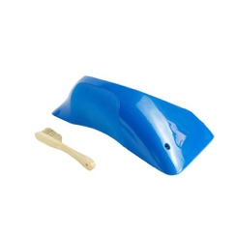 | DUAL | DT-78 | DT002 | 1 | $225.00 |  |  |  |  |  |  |  |  |  |  |  | 0 | 0 | $-
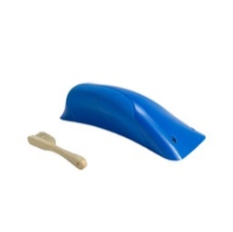 | DUAL | DT-78 | DT003 | 1 | $160.00 |  |  |  |  |  |  |  |  |  |  |  | 0 | 0 | $-
 | DUAL | DT-78 | DT004 | 1 | $225.00 |  |  |  |  |  |  |  |  |  |  |  | 0 | 0 | $-
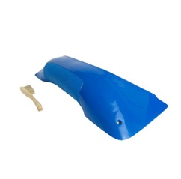 | DUAL | DT-78 | DT005 | 1 | $265.00 |  |  |  |  |  |  |  |  |  |  |  | 0 | 0 | $-
 | DUAL | DT-78 | DT006 | 1 | $150.00 |  |  |  |  |  |  |  |  |  |  |  | 0 | 0 | $-
 | DUAL | DT-78 | DT007 | 1 | $185.00 |  |  |  |  |  |  |  |  |  |  |  | 0 | 0 | $-
 | DUAL | DT-78 | DT008 | 1 | $140.00 |  |  |  |  |  |  |  |  |  |  |  | 0 | 0 | $-
 | DUAL | DT-78 | DT009 | 1 | $140.00 |  |  |  |  |  |  |  |  |  |  |  | 0 | 0 | $-
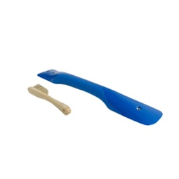 | DUAL | DT-78 | DT010 | 1 | $140.00 |  |  |  |  |  |  |  |  |  |  |  | 0 | 0 | $-
 | DUAL | DT-78 | DT011 | 1 | $115.00 |  |  |  |  |  |  |  |  |  |  |  | 0 | 0 | $-
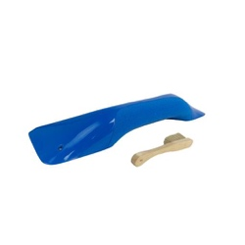 | DUAL | DT-78 | DT012 | 1 | $150.00 |  |  |  |  |  |  |  |  |  |  |  | 0 | 0 | $-
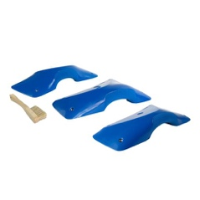 | DUAL | DT-78 | DT014 | 3 | $310.00 |  |  |  |  |  |  |  |  |  |  |  | 0 | 0 | $-
 | DUAL | DT-78 | DT015 | 3 | $235.00 |  |  |  |  |  |  |  |  |  |  |  | 0 | 0 | $-
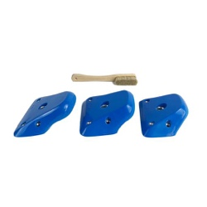 | DUAL | DT-78 | DT016 | 3 | $135.00 |  |  |  |  |  |  |  |  |  |  |  | 0 | 0 | $-
 | DUAL | DT-78 | DT017 | 3 | $95.00 |  |  |  |  |  |  |  |  |  |  |  | 0 | 0 | $-
 | DUAL | DT-78 | DT018 | 3 | $95.00 |  |  |  |  |  |  |  |  |  |  |  | 0 | 0 | $-
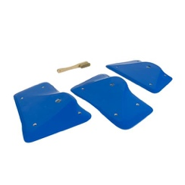 | DUAL | DT-78 | DT019 | 3 | $225.00 |  |  |  |  |  |  |  |  |  |  |  | 0 | 0 | $-
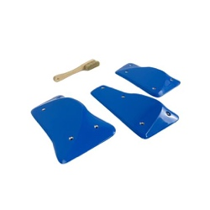 \ | DUAL | DT-78 | DT020 | 3 | $135.00 |  |  |  |  |  |  |  |  |  |  |  | 0 | 0 | $-
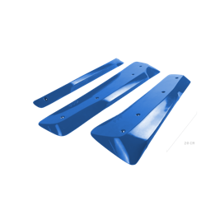 | DUAL | DT-78 | DT021 | 3 | $240.00 |  |  |  |  |  |  |  |  |  |  |  | 0 | 0 | $-
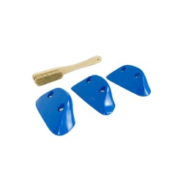 | DUAL | DT-78 | DT022 | 3 | $85.00 |  |  |  |  |  |  |  |  |  |  |  | 0 | 0 | $-
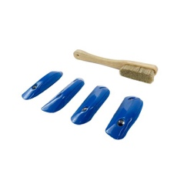 | DUAL | DT-78 | DT023 | 4 | $85.00 |  |  |  |  |  |  |  |  |  |  |  | 0 | 0 | $-
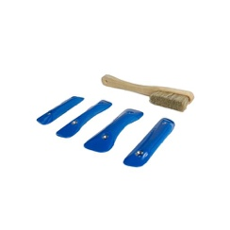 | DUAL | DT-78 | DT024 | 4 | $80.00 |  |  |  |  |  |  |  |  |  |  |  | 0 | 0 | $-
 | DUAL | DT-78 | DT025 | 3 | $70.00 |  |  |  |  |  |  |  |  |  |  |  | 0 | 0 | $-
 | DUAL | DT-78 | DT026 | 3 | $100.00 |  |  |  |  |  |  |  |  |  |  |  | 0 | 0 | $-
 | DUAL | DT-78 | DT027 | 3 | $80.00 |  |  |  |  |  |  |  |  |  |  |  | 0 | 0 | $-
 | DUAL | DT-78 | DT028 | 4 | $65.00 |  |  |  |  |  |  |  |  |  |  |  | 0 | 0 | $-
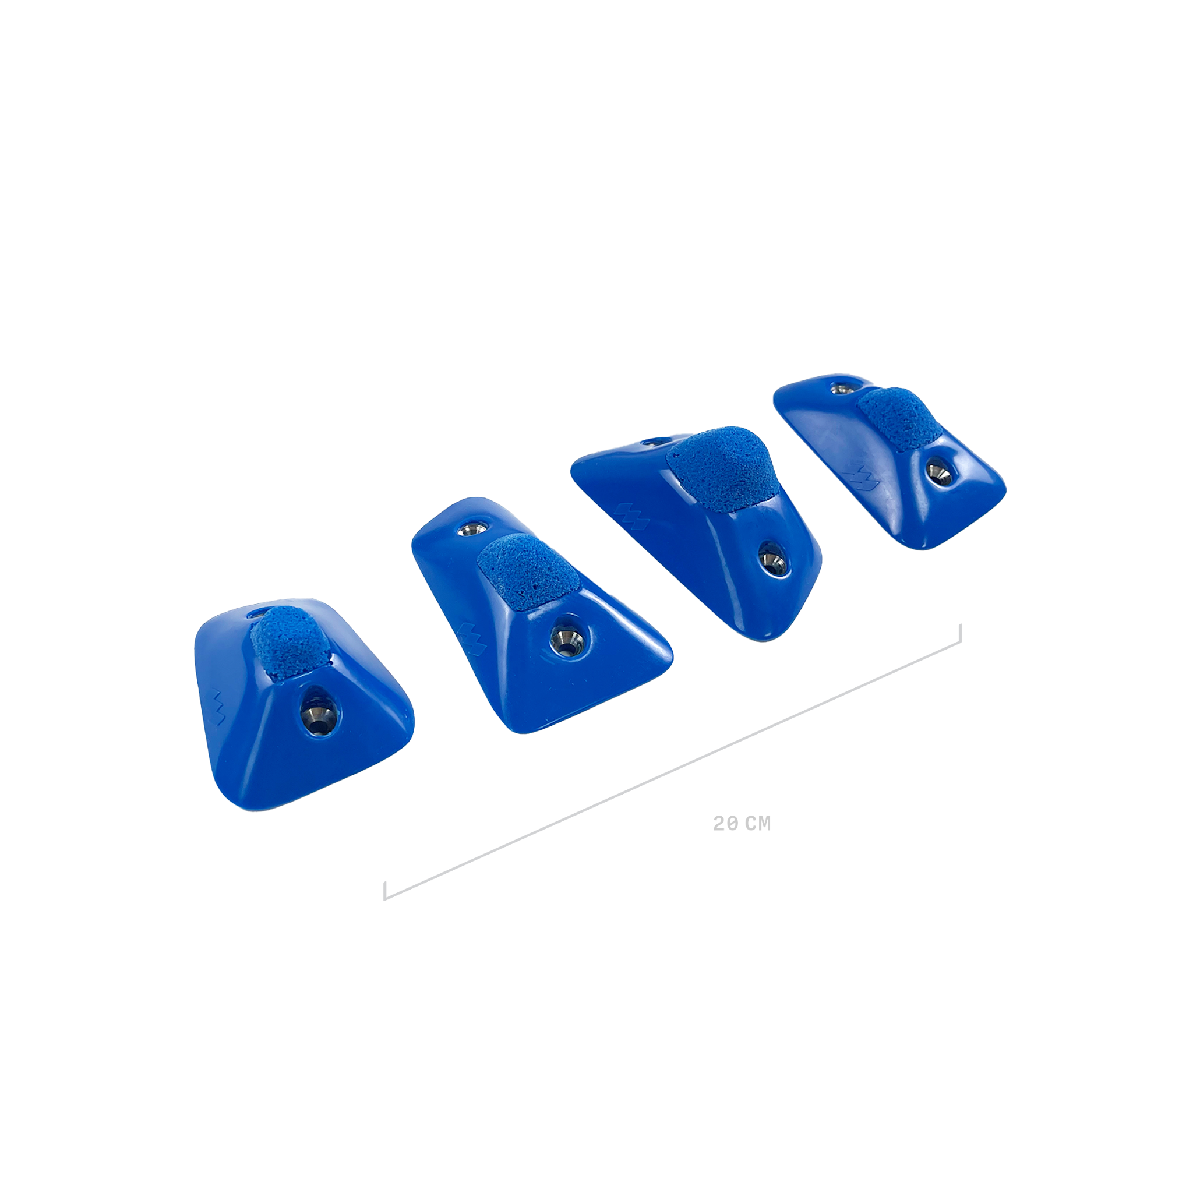 | DUAL | DT-78 | DT029 | 4 | $65.00 |  |  |  |  |  |  |  |  |  |  |  | 0 | 0 | $-
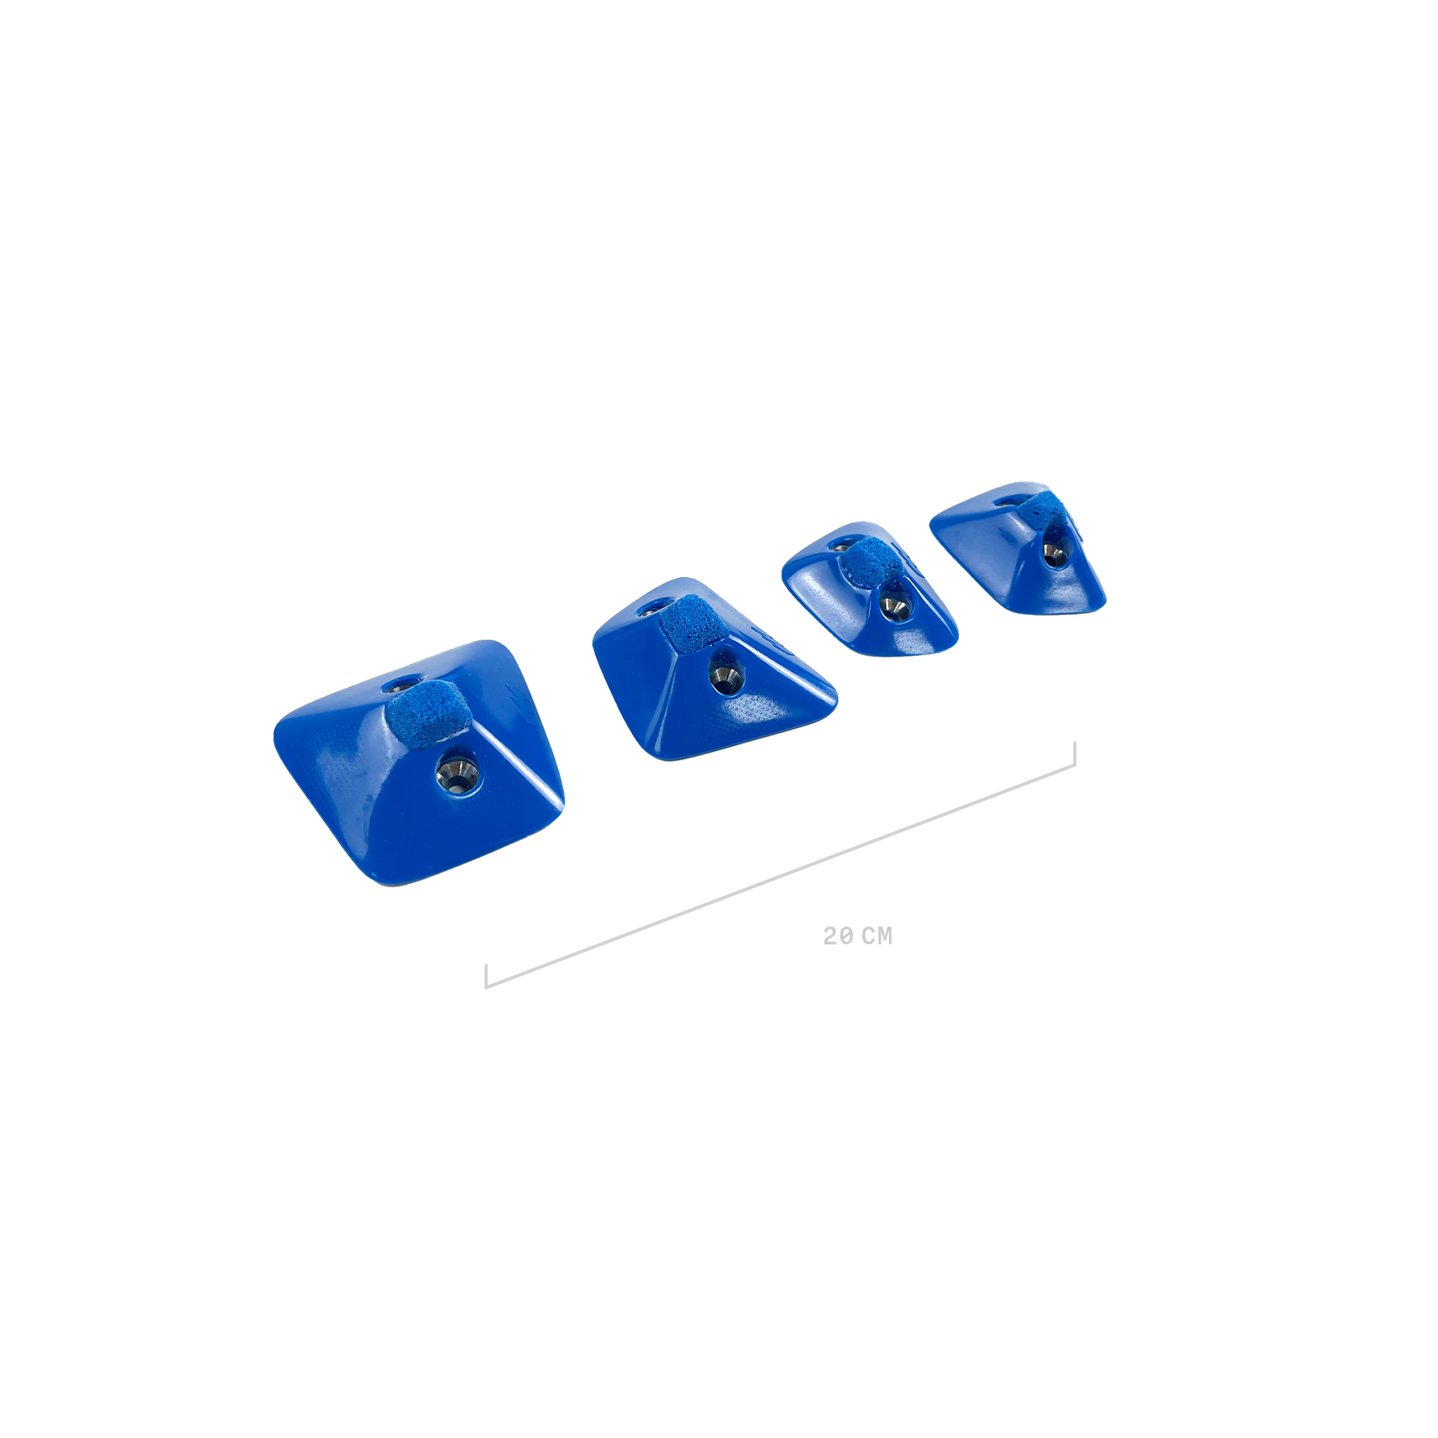 | DUAL | DT-78 | DT030 | 4 | $70.00 |  |  |  |  |  |  |  |  |  |  |  | 0 | 0 | $-
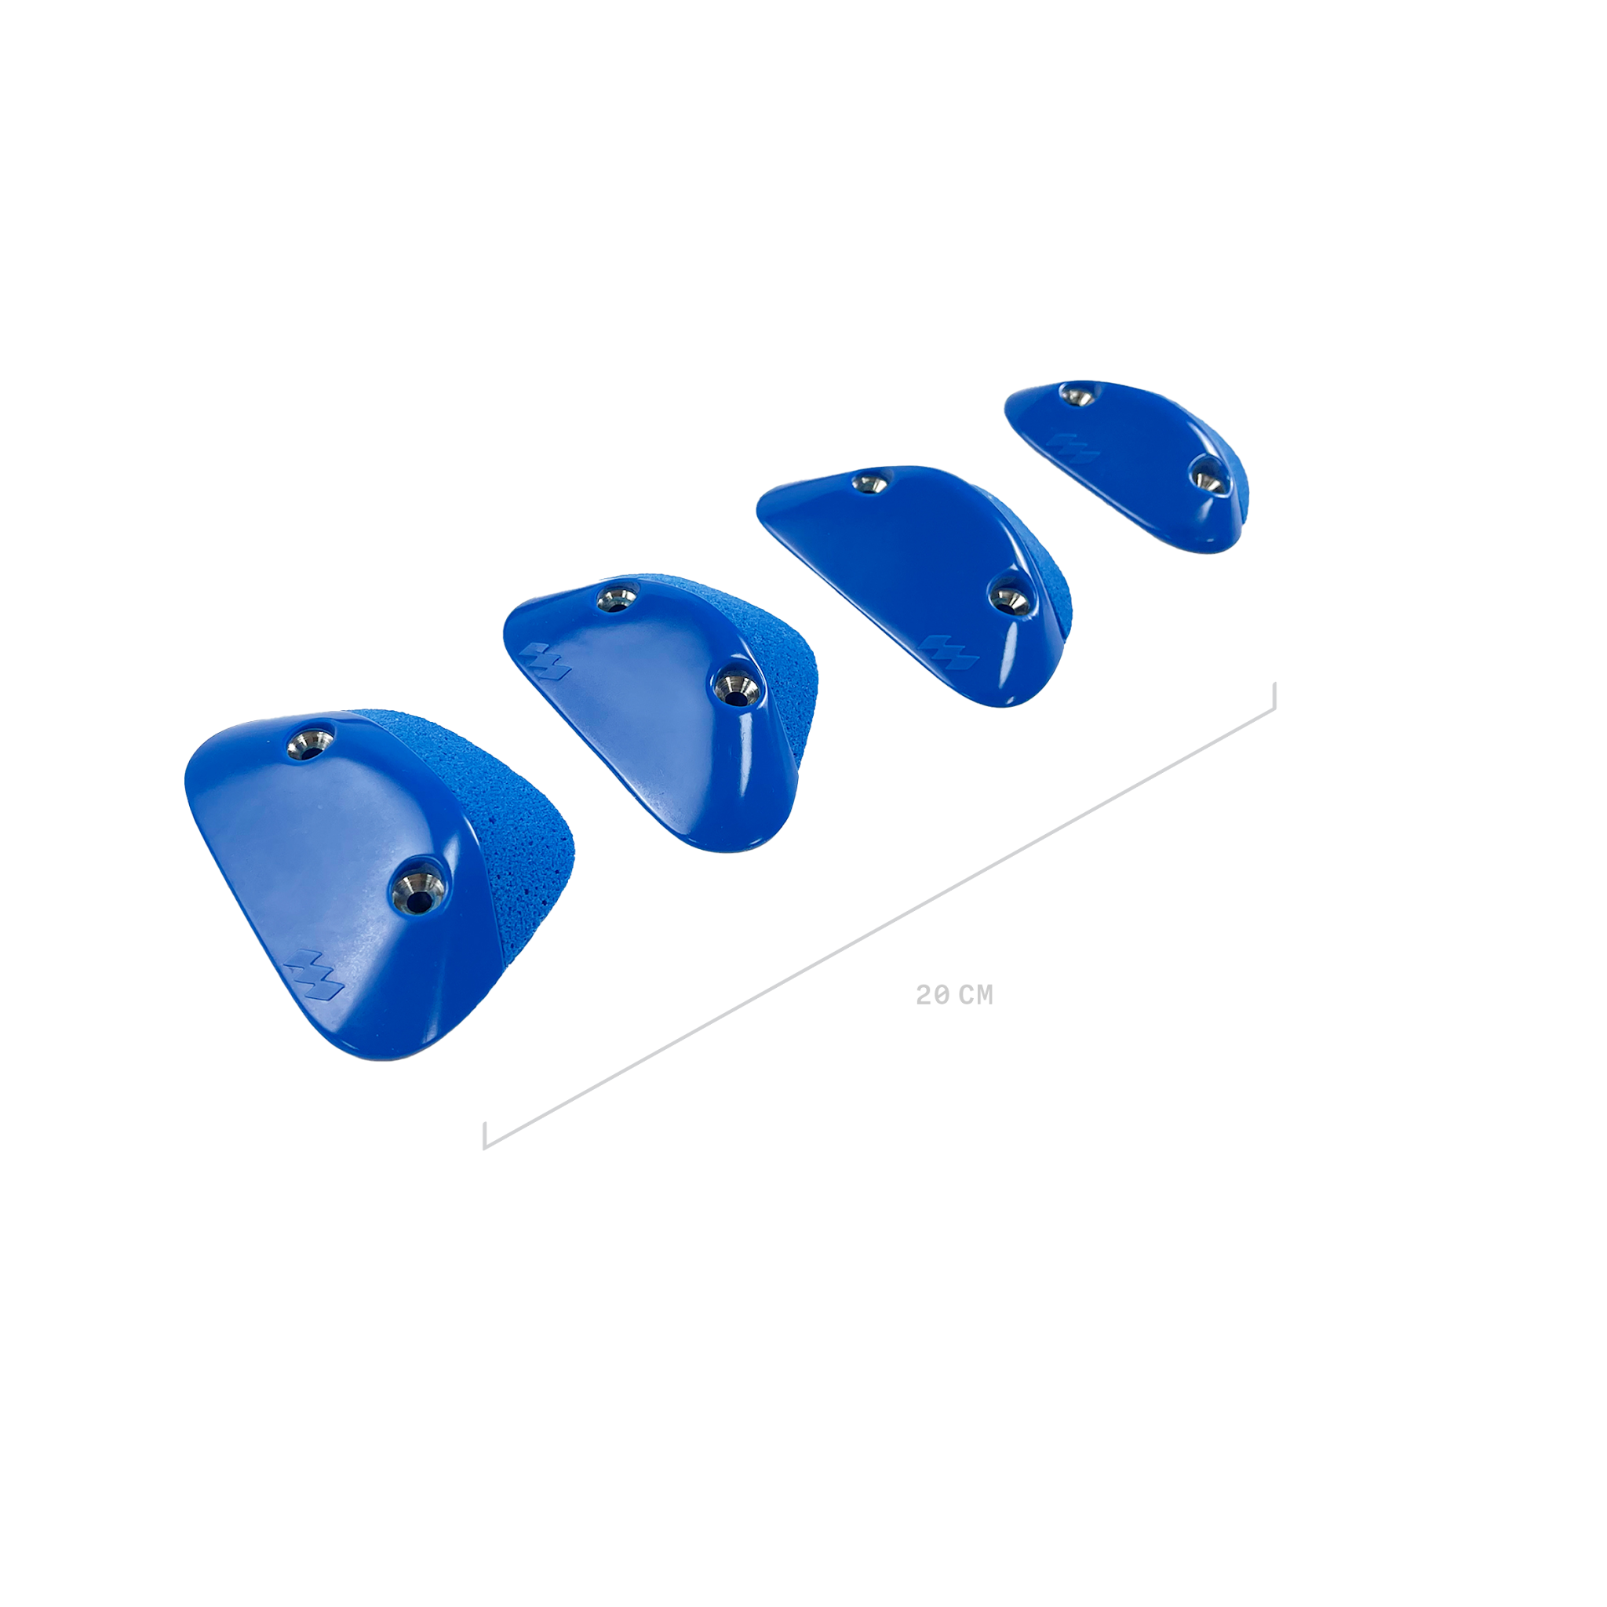 | DUAL | DT-78 | DT031 | 4 | $70.00 |  |  |  |  |  |  |  |  |  |  |  | 0 | 0 | $-
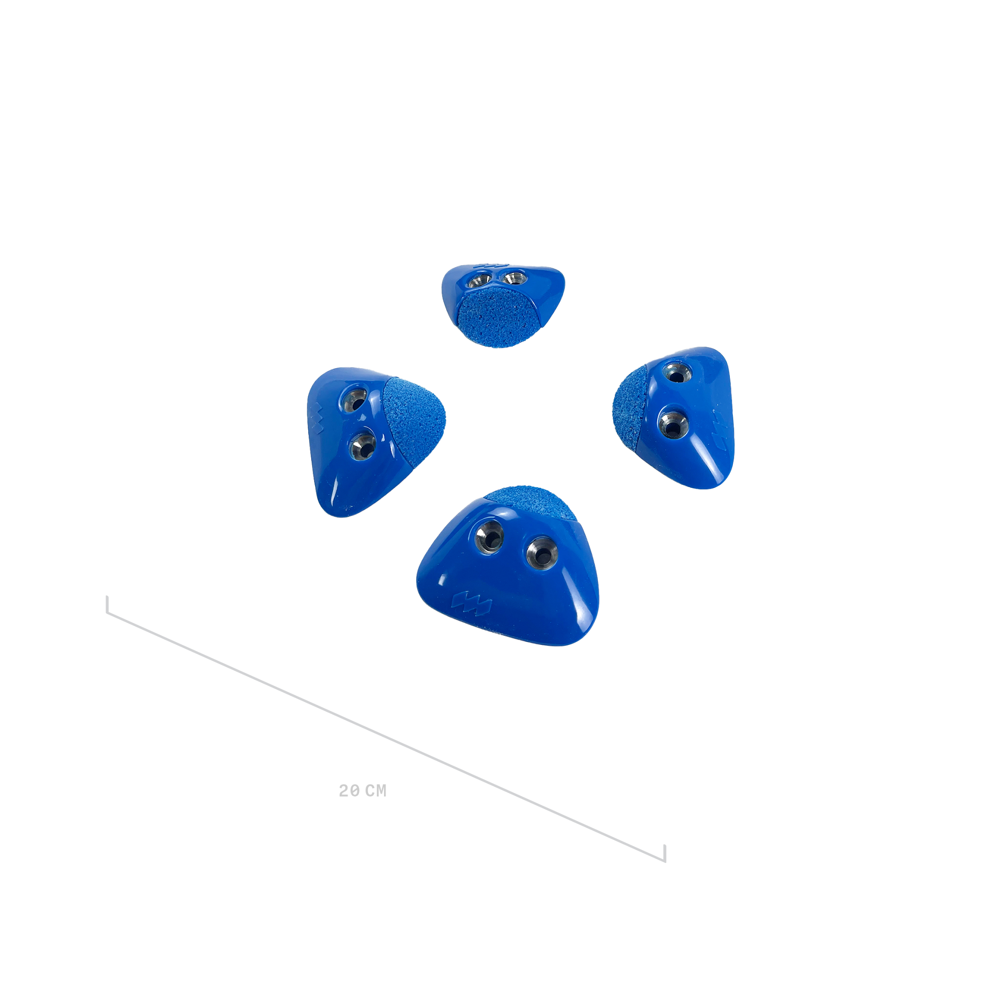 | DUAL | DT-78 | DT032 | 4 | $65.00 |  |  |  |  |  |  |  |  |  |  |  | 0 | 0 | $-
 | DUAL | DT-78 | DT033 | 4 | $65.00 |  |  |  |  |  |  |  |  |  |  |  | 0 | 0 | $-
 | TEXTURE | Arc Jugs | AJ002 | 1 | $160.00 |  |  |  |  |  |  |  |  |  |  |  | 0 | 0 | $-
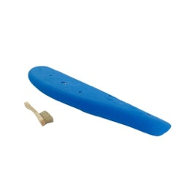 | TEXTURE | Arc Jugs | AJ003 | 1 | $160.00 |  |  |  |  |  |  |  |  |  |  |  | 0 | 0 | $-
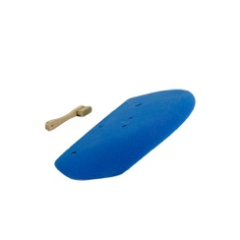 | TEXTURE | Arc Jugs | AJ004 | 1 | $180.00 |  |  |  |  |  |  |  |  |  |  |  | 0 | 0 | $-
 | TEXTURE | Arc Jugs | AJ006 | 1 | $215.00 |  |  |  |  |  |  |  |  |  |  |  | 0 | 0 | $-
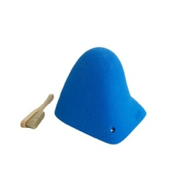 | TEXTURE | Moonbase | MB004 | 1 | $150.00 |  |  |  |  |  |  |  |  |  |  |  | 0 | 0 | $-
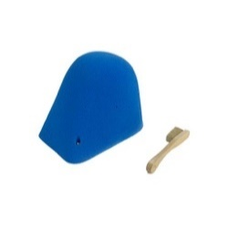 | TEXTURE | Moonbase | MB005 | 1 | $205.00 |  |  |  |  |  |  |  |  |  |  |  | 0 | 0 | $-
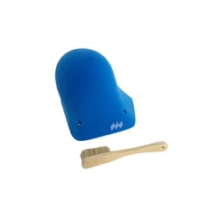 | TEXTURE | Moonbase | MB006 | 1 | $185.00 |  |  |  |  |  |  |  |  |  |  |  | 0 | 0 | $-
 | TEXTURE | Jibs | AC001 | 3 | $65.00 |  |  |  |  |  |  |  |  |  |  |  | 0 | 0 | $-
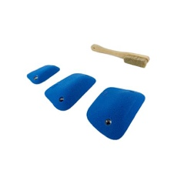 | TEXTURE | Jibs | AC002 | 3 | $65.00 |  |  |  |  |  |  |  |  |  |  |  | 0 | 0 | $-
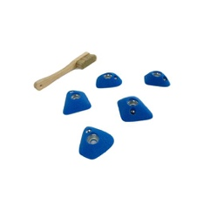 | TEXTURE | Jibs | AC003 | 5 | $70.00 |  |  |  |  |  |  |  |  |  |  |  | 0 | 0 | $-
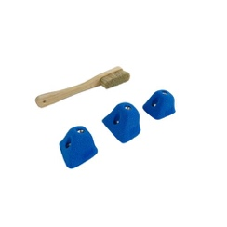 | TEXTURE | Jibs | AC004 | 3 | $65.00 |  |  |  |  |  |  |  |  |  |  |  | 0 | 0 | $-
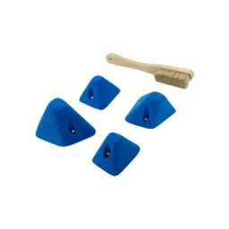 | TEXTURE | Jibs | AC005 | 4 | $65.00 |  |  |  |  |  |  |  |  |  |  |  | 0 | 0 | $-
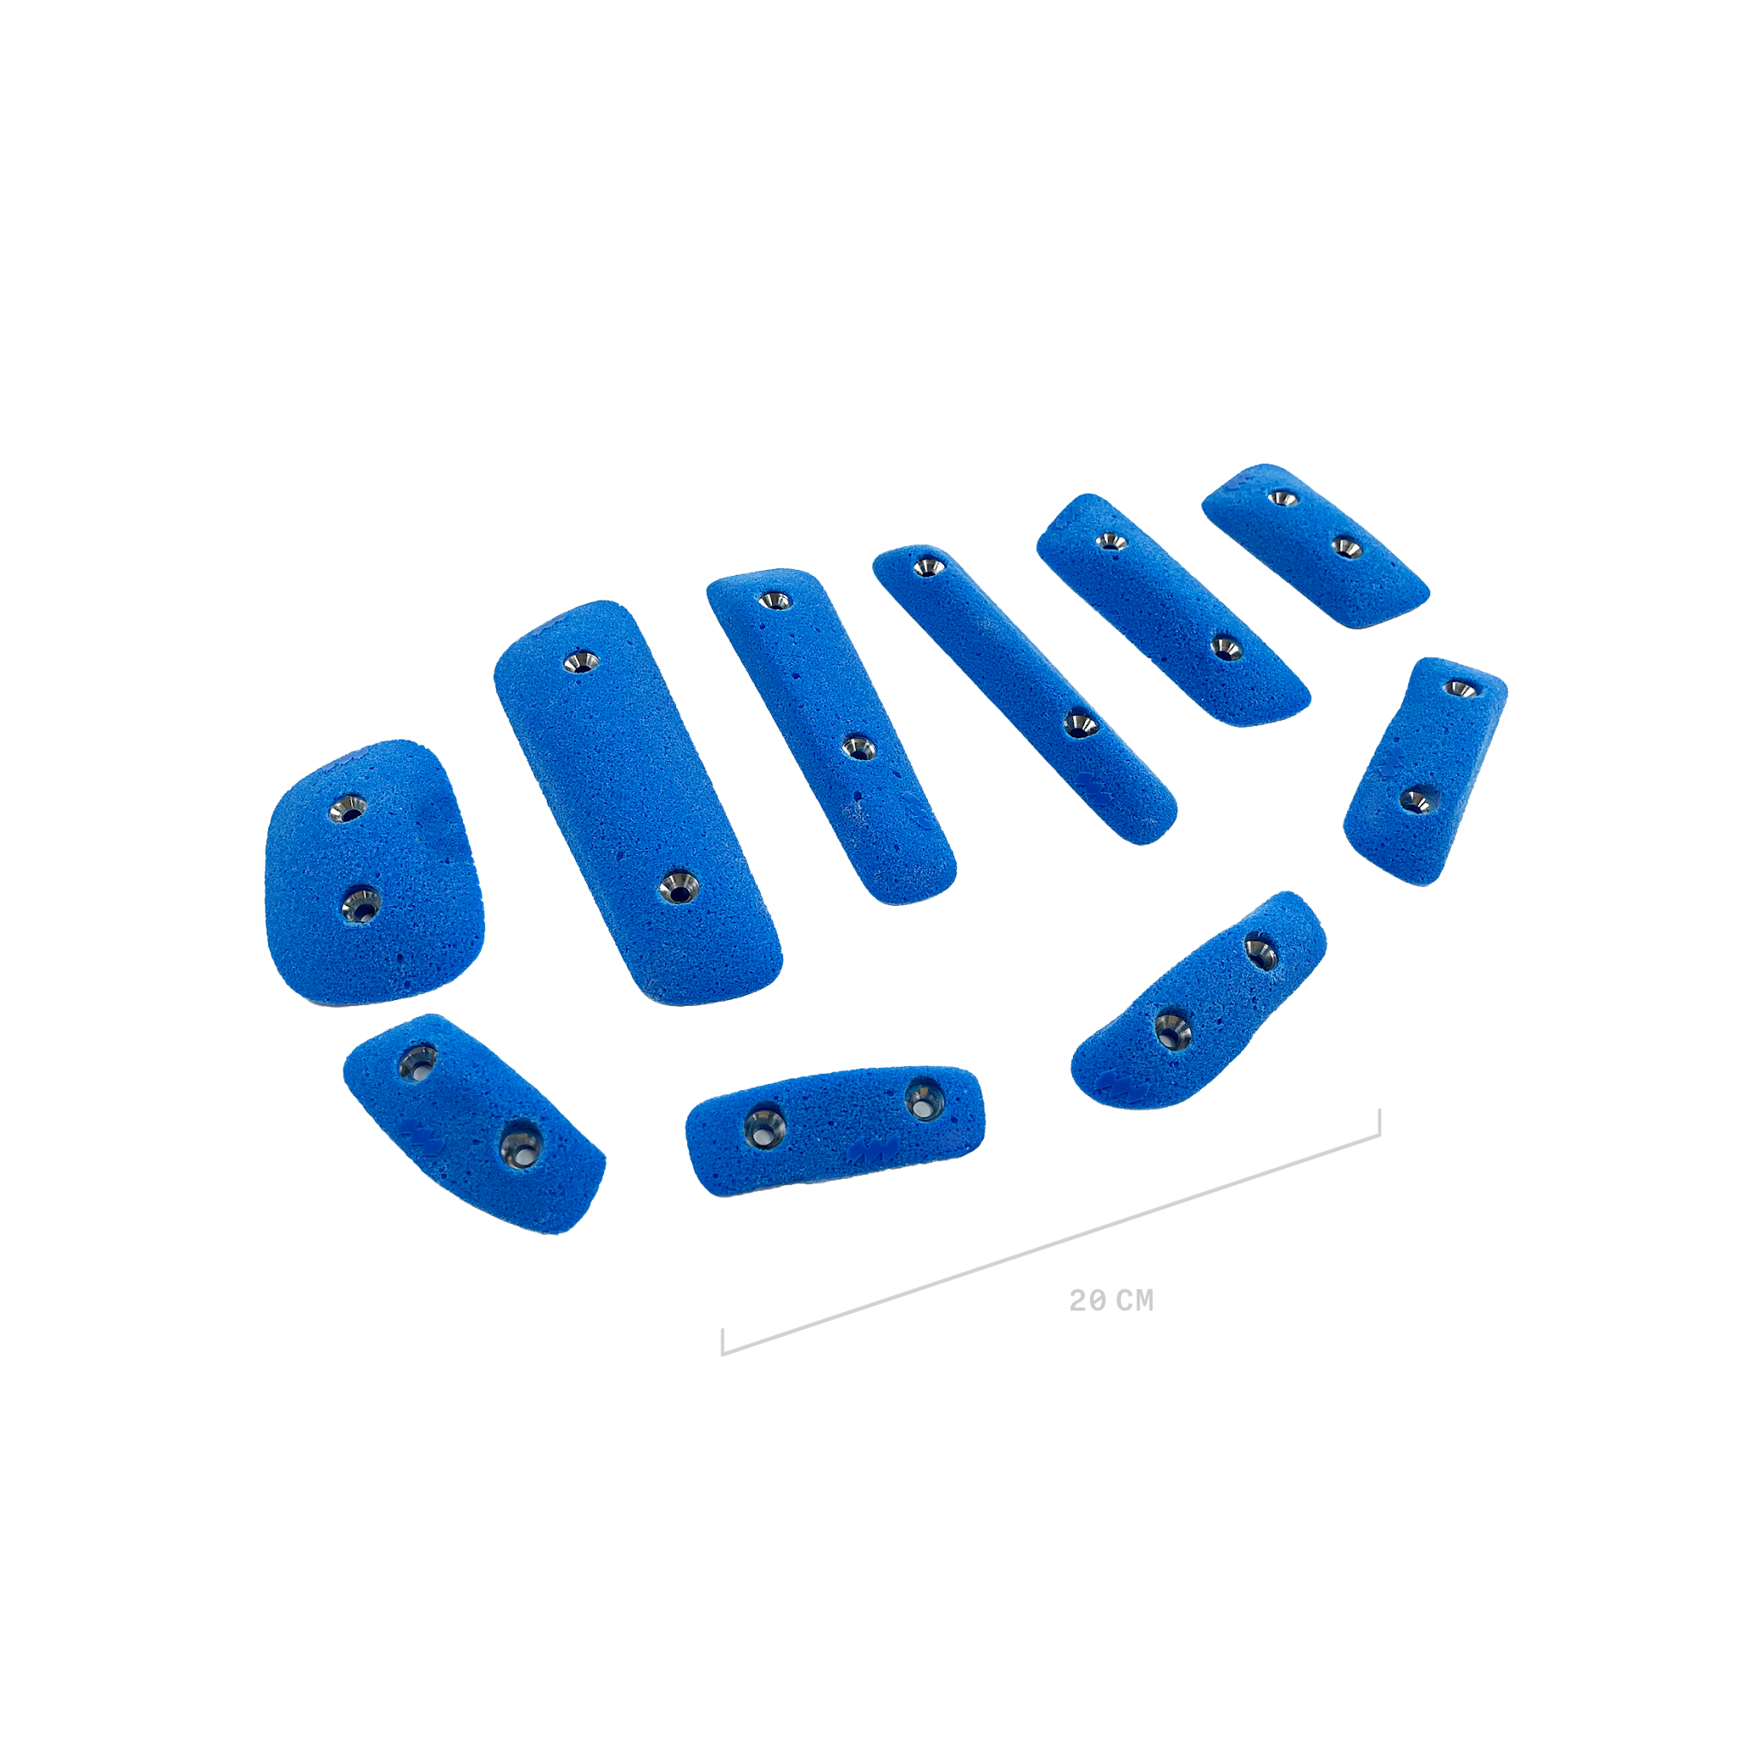 | TEXTURE | Jibs | AC006 | 10 | $105.00 |  |  |  |  |  |  |  |  |  |  |  | 0 | 0 | $-
 | TEXTURE | Jibs | AC007 | 6 | $70.00 |  |  |  |  |  |  |  |  |  |  |  | 0 | 0 | $-
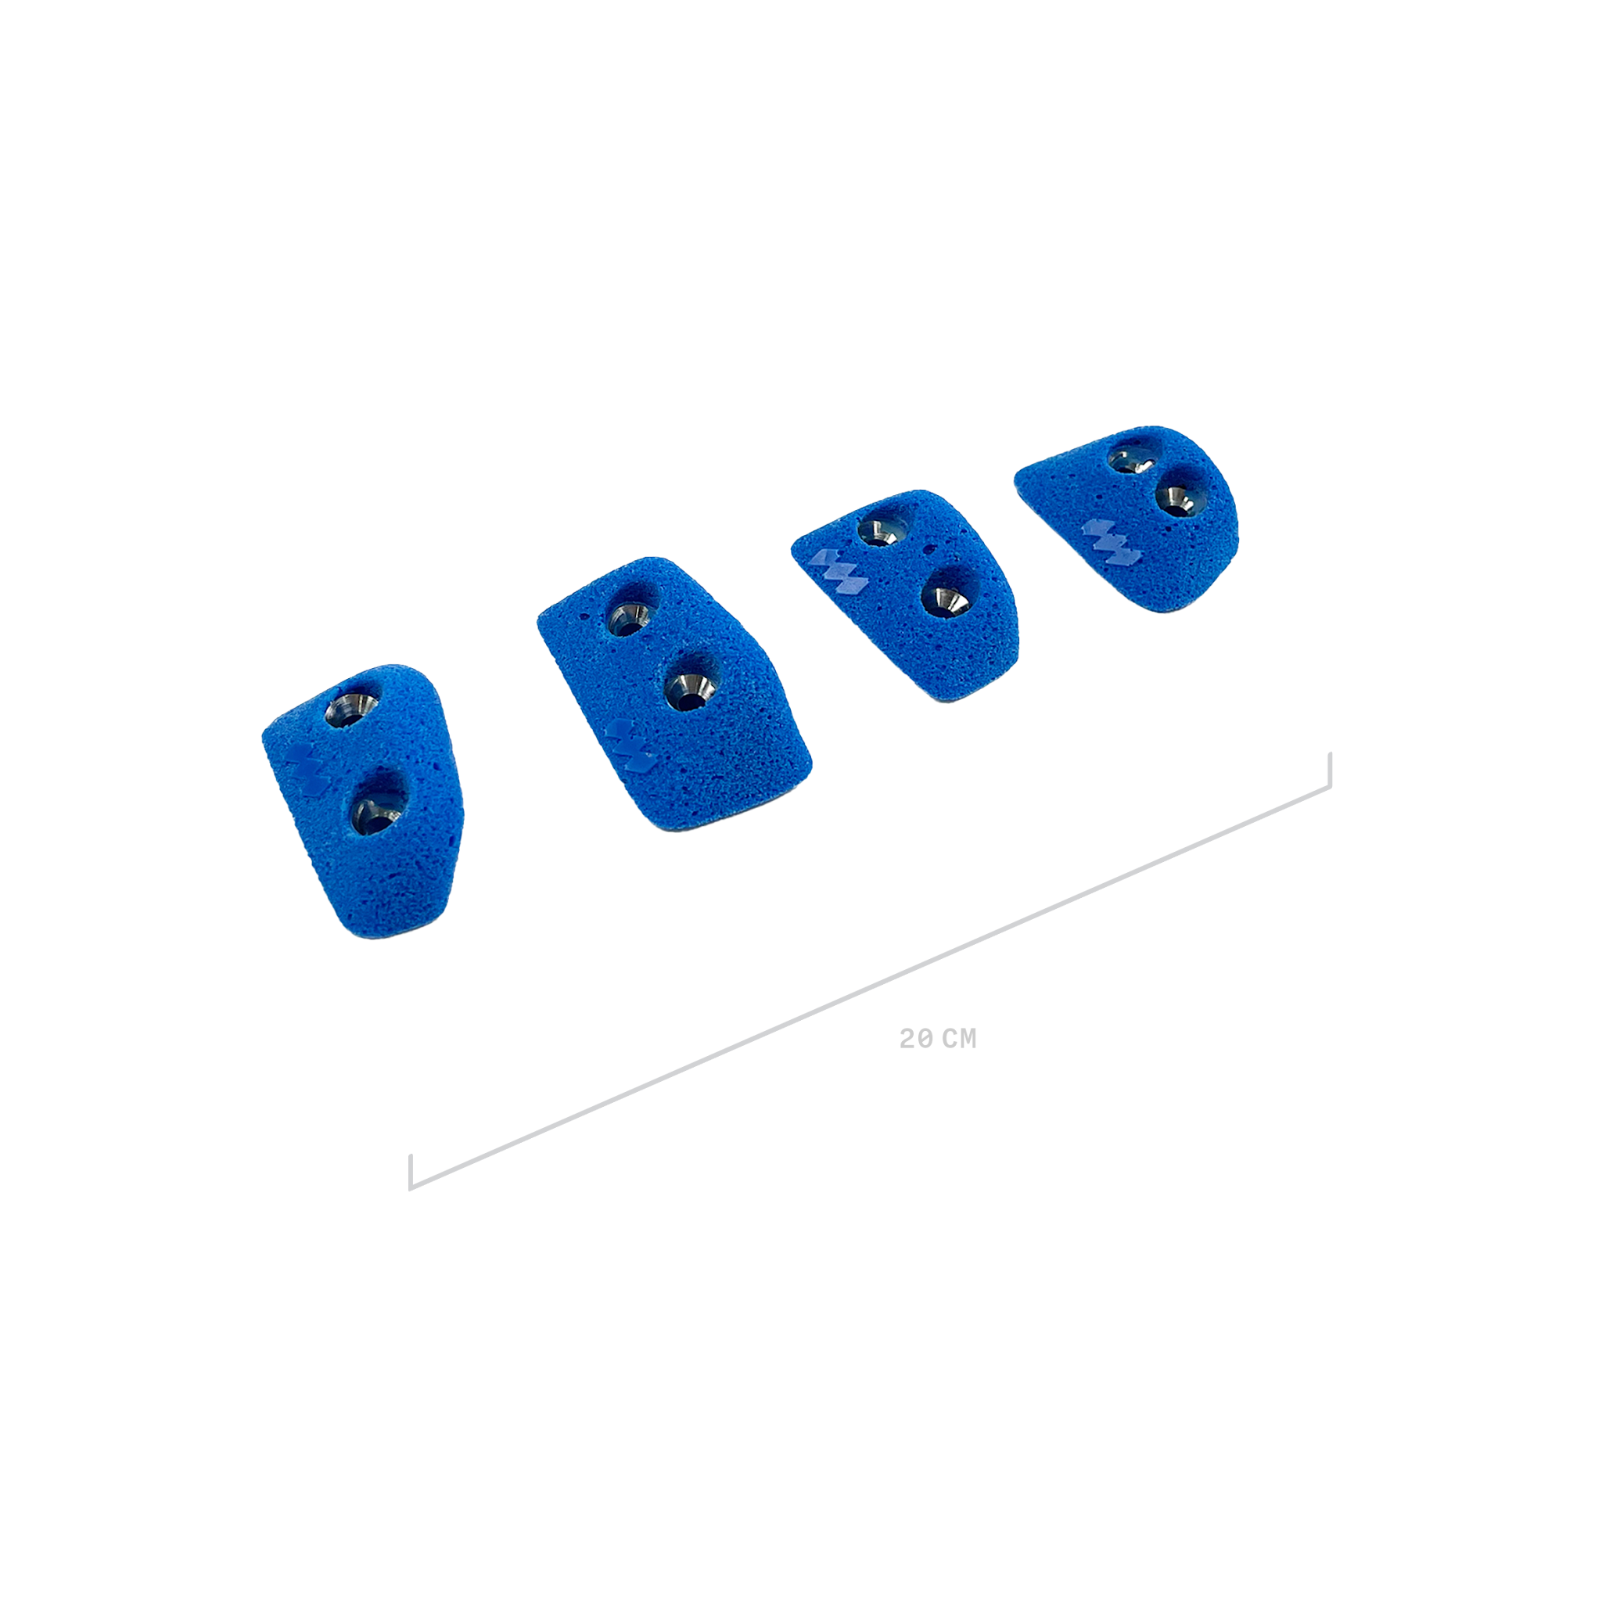 | TEXTURE | Jibs | AC008 | 4 | $60.00 |  |  |  |  |  |  |  |  |  |  |  | 0 | 0 | $-
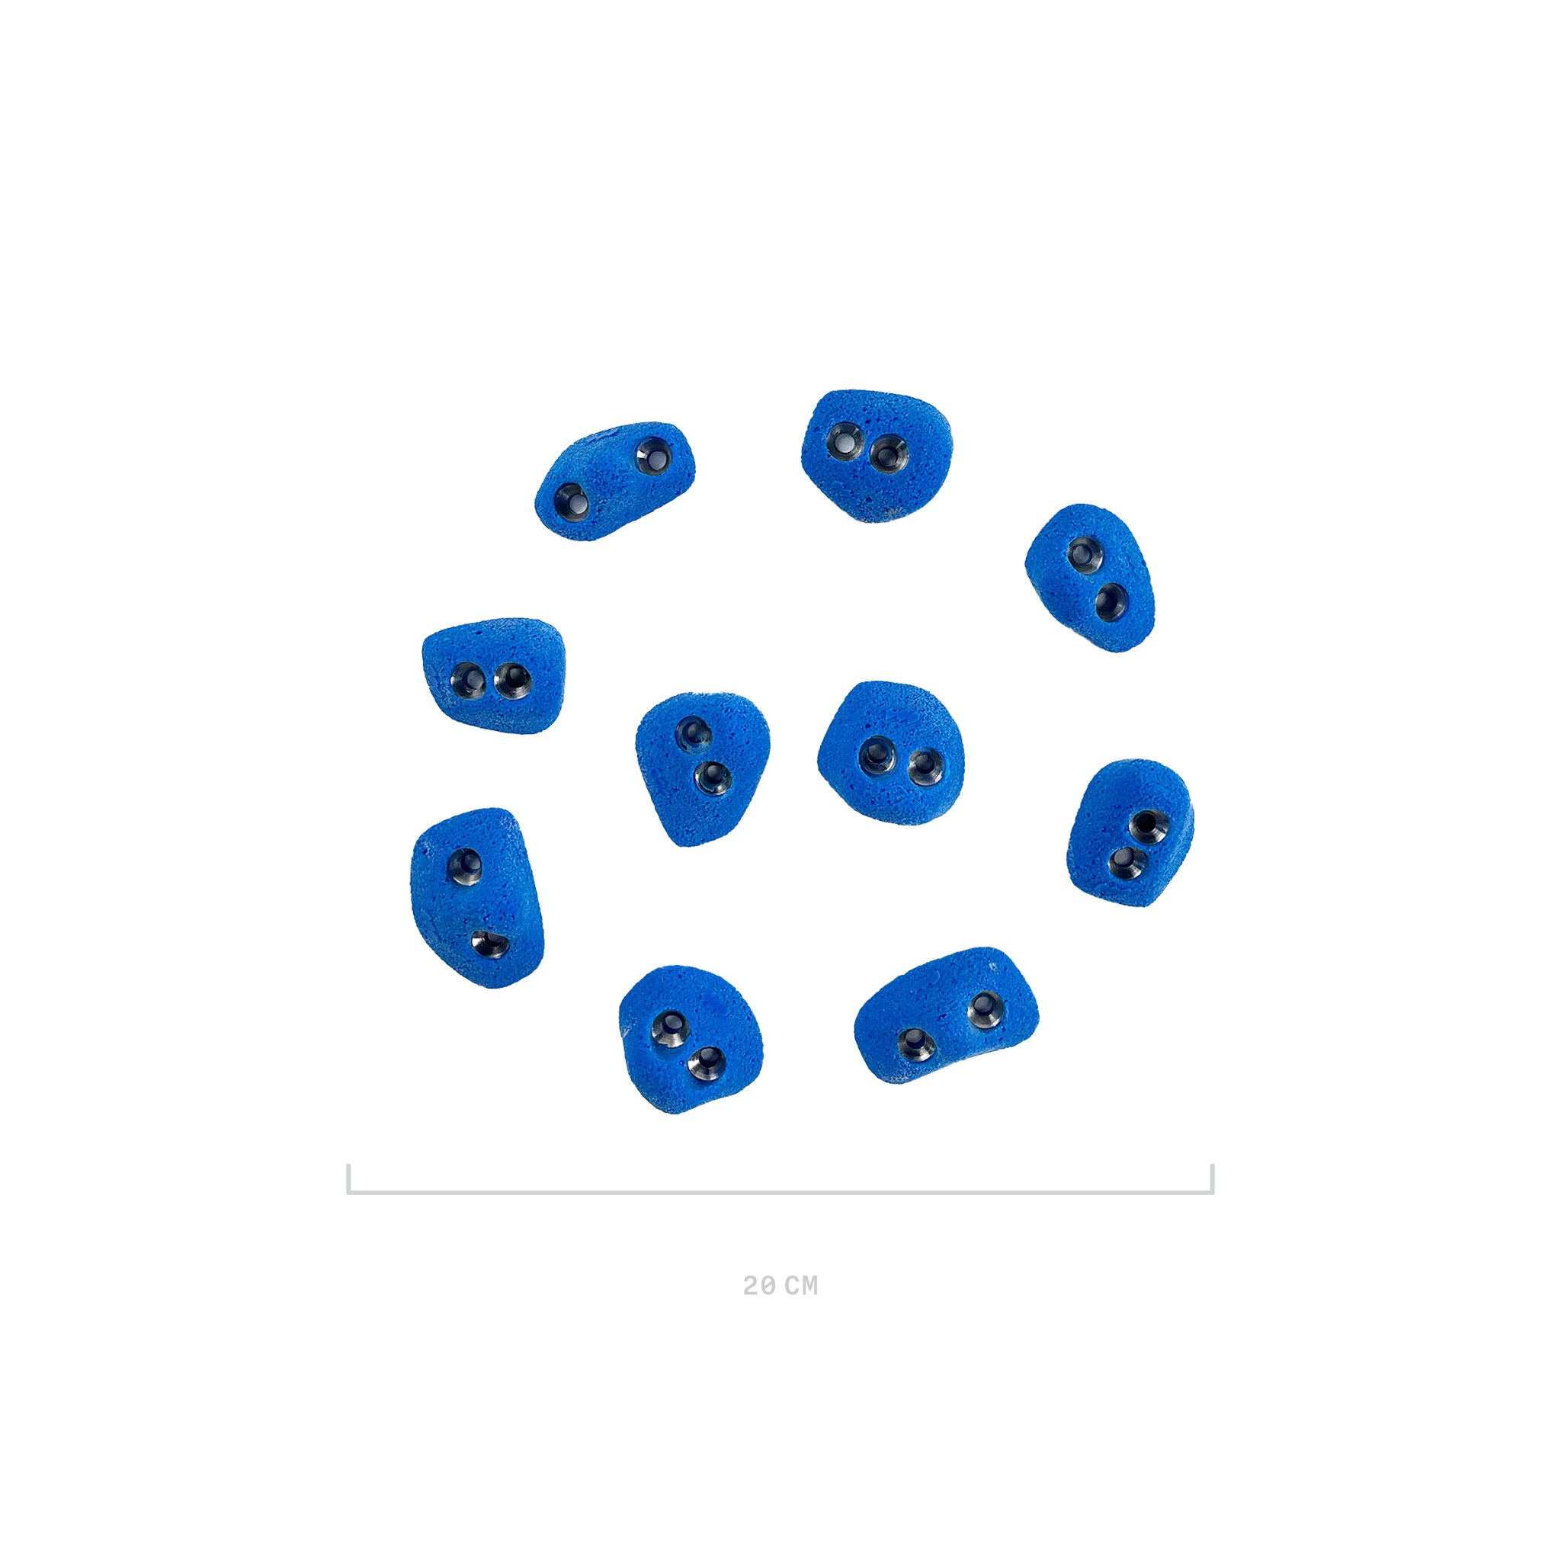 | TEXTURE | Jibs | AC009 | 10 | $70.00 |  |  |  |  |  |  |  |  |  |  |  | 0 | 0 | $-
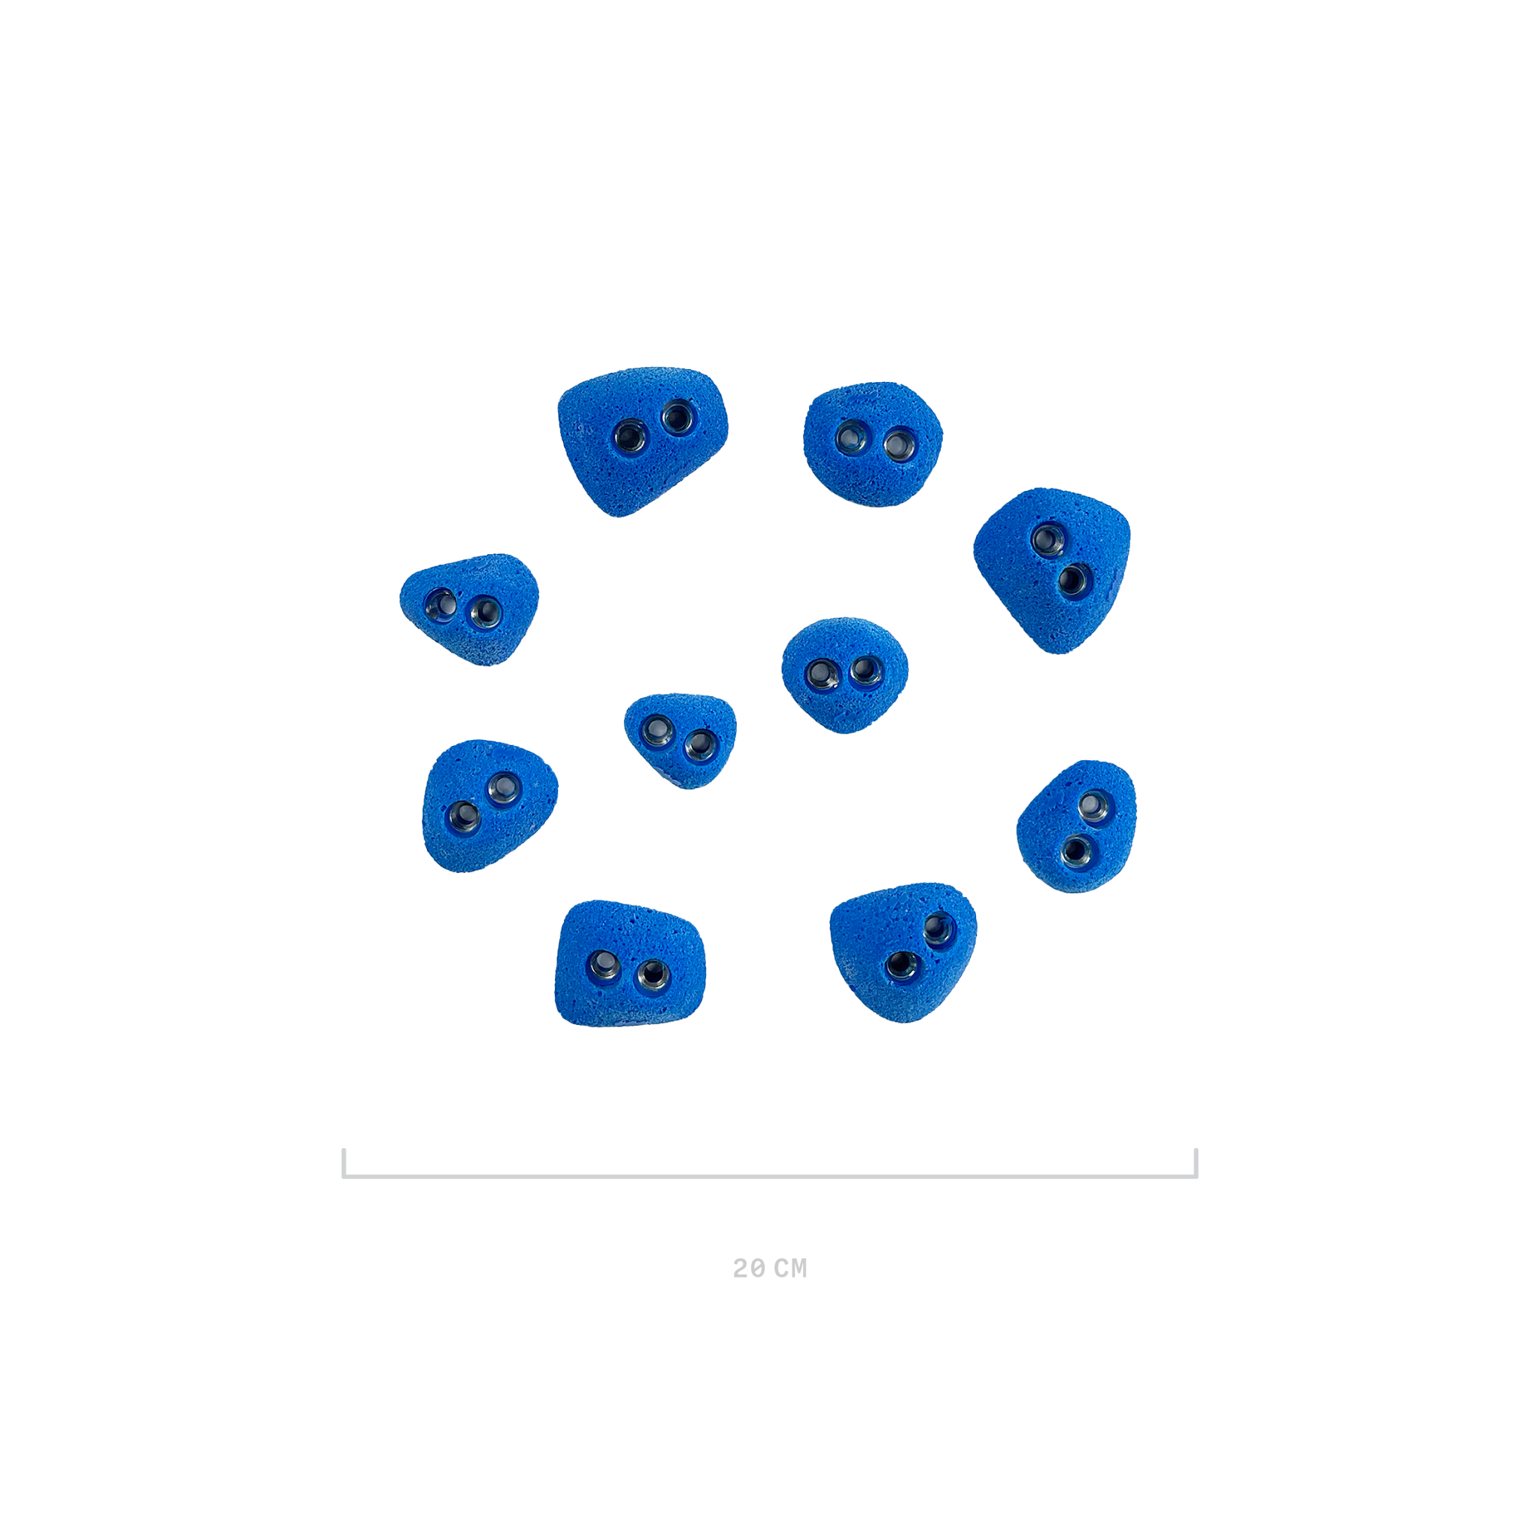 | TEXTURE | Jibs | AC010 | 10 | $85.00 |  |  |  |  |  |  |  |  |  |  |  | 0 | 0 | $-
 | TEXTURE | Jibs | AC011 | 5 | $85.00 |  |  |  |  |  |  |  |  |  |  |  | 0 | 0 | $-
 | TEXTURE | Fiber | F1 | 1 | $190.00 |  |  |  |  |  |  |  |  |  |  |  | 0 | 0 | $-
#VALUE! | TEXTURE | Fiber | F2 | 1 | $190.00 |  |  |  |  |  |  |  |  |  |  |  | 0 | 0 | $-
 | TEXTURE | Fiber | F3 | 1 | $210.00 |  |  |  |  |  |  |  |  |  |  |  | 0 | 0 | $-
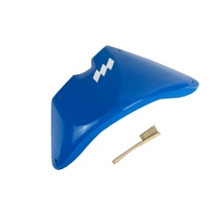 | TEXTURE | Fiber | F4 | 1 | $235.00 |  |  |  |  |  |  |  |  |  |  |  | 0 | 0 | $-
 | TEXTURE | Fiber | F5 | 1 | $295.00 |  |  |  |  |  |  |  |  |  |  |  | 0 | 0 | $-
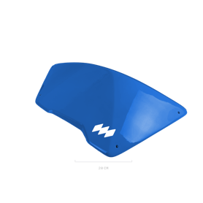 | TEXTURE | Fiber | F6 | 1 | $295.00 |  |  |  |  |  |  |  |  |  |  |  | 0 | 0 | $-
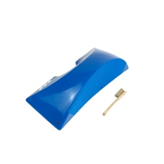 | TEXTURE | Fiber | F7 | 1 | $295.00 |  |  |  |  |  |  |  |  |  |  |  | 0 | 0 | $-
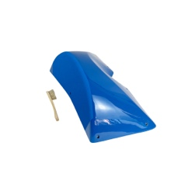 | TEXTURE | Fiber | F8 | 1 | $270.00 |  |  |  |  |  |  |  |  |  |  |  | 0 | 0 | $-
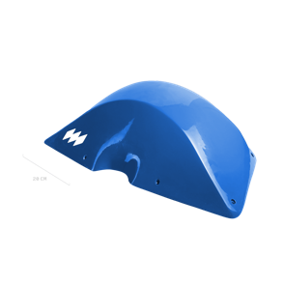 | TEXTURE | Fiber | F9 | 1 | $270.00 |  |  |  |  |  |  |  |  |  |  |  | 0 | 0 | $-
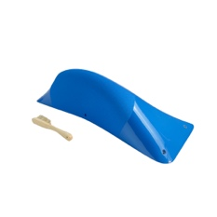 | TEXTURE | Fiber | F10 | 1 | $270.00 |  |  |  |  |  |  |  |  |  |  |  | 0 | 0 | $-
 | TEXTURE | Fiber | F11 | 1 | $270.00 |  |  |  |  |  |  |  |  |  |  |  | 0 | 0 | $-
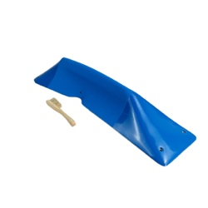 | TEXTURE | Fiber | F12 | 1 | $260.00 |  |  |  |  |  |  |  |  |  |  |  | 0 | 0 | $-
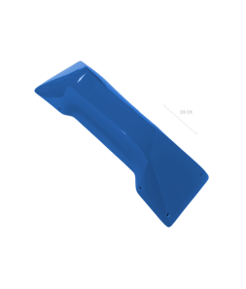 | TEXTURE | Fiber | F13 | 1 | $295.00 |  |  |  |  |  |  |  |  |  |  |  | 0 | 0 | $-
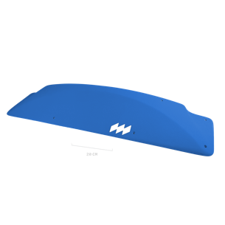 | TEXTURE | Fiber | F14 | 1 | $295.00 |  |  |  |  |  |  |  |  |  |  |  | 0 | 0 | $-
 | TEXTURE | Fiber | F15 | 1 | $235.00 |  |  |  |  |  |  |  |  |  |  |  | 0 | 0 | $-
 | TEXTURE | Fiber | F16 | 1 | $235.00 |  |  |  |  |  |  |  |  |  |  |  | 0 | 0 | $-
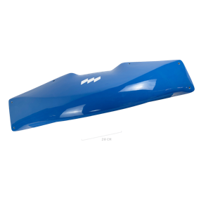 | TEXTURE | Fiber | F17 | 1 | $295.00 |  |  |  |  |  |  |  |  |  |  |  | 0 | 0 | $-
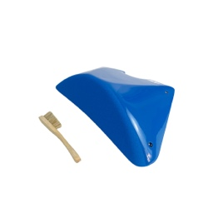 | DUAL | Fiber | F1 DT | 1 | $210.00 |  |  |  |  |  |  |  |  |  |  |  | 0 | 0 | $-
#VALUE! | DUAL | Fiber | F2 DT | 1 | $210.00 |  |  |  |  |  |  |  |  |  |  |  | 0 | 0 | $-
 | DUAL | Fiber | F3 DT | 1 | $225.00 |  |  |  |  |  |  |  |  |  |  |  | 0 | 0 | $-
 | DUAL | Fiber | F4 DT | 1 | $250.00 |  |  |  |  |  |  |  |  |  |  |  | 0 | 0 | $-
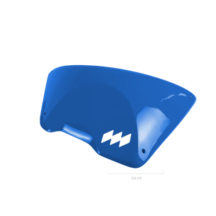 | DUAL | Fiber | F5 DT | 1 | $325.00 |  |  |  |  |  |  |  |  |  |  |  | 0 | 0 | $-
 | DUAL | Fiber | F6 DT | 1 | $325.00 |  |  |  |  |  |  |  |  |  |  |  | 0 | 0 | $-
 | DUAL | Fiber | F7 DT | 1 | $325.00 |  |  |  |  |  |  |  |  |  |  |  | 0 | 0 | $-
 | DUAL | Fiber | F8 DT | 1 | $295.00 |  |  |  |  |  |  |  |  |  |  |  | 0 | 0 | $-
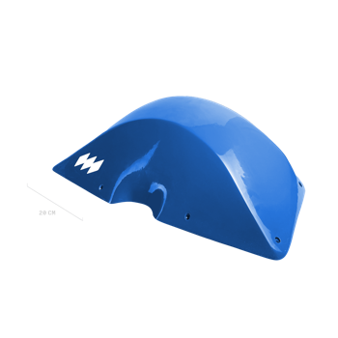 | DUAL | Fiber | F9 DT | 1 | $315.00 |  |  |  |  |  |  |  |  |  |  |  | 0 | 0 | $-
 | DUAL | Fiber | F10 DT | 1 | $285.00 |  |  |  |  |  |  |  |  |  |  |  | 0 | 0 | $-
 | DUAL | Fiber | F11 DT | 1 | $285.00 |  |  |  |  |  |  |  |  |  |  |  | 0 | 0 | $-
 | DUAL | Fiber | F12 DT | 1 | $275.00 |  |  |  |  |  |  |  |  |  |  |  | 0 | 0 | $-
 | DUAL | Fiber | F13 DT | 1 | $335.00 |  |  |  |  |  |  |  |  |  |  |  | 0 | 0 | $-
 | DUAL | Fiber | F14 DT | 1 | $335.00 |  |  |  |  |  |  |  |  |  |  |  | 0 | 0 | $-
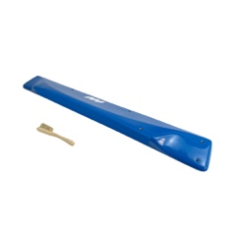 | DUAL | Fiber | F15 DT | 1 | $250.00 |  |  |  |  |  |  |  |  |  |  |  | 0 | 0 | $-
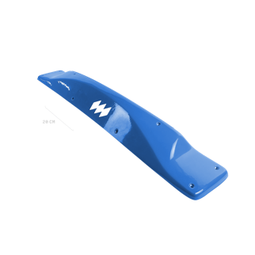 | DUAL | Fiber | F16 DT | 1 | $250.00 |  |  |  |  |  |  |  |  |  |  |  | 0 | 0 | $-
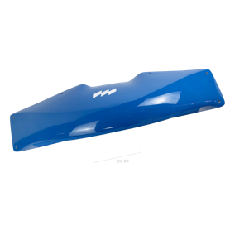 | DUAL | Fiber | F17 DT | 1 | $330.00 |  |  |  |  |  |  |  |  |  |  |  | 0 | 0 | $-
 | TEXTURE | Thunderdomes | TD 1 | 3 | $495.00 |  |  |  |  |  |  |  |  |  |  |  | 0 | 0 | $-
 | TEXTURE | Thunderdomes | TD 2 | 1 | $235.00 |  |  |  |  |  |  |  |  |  |  |  | 0 | 0 | $-
 | TEXTURE | Thunderdomes | TD 3 | 1 | $250.00 |  |  |  |  |  |  |  |  |  |  |  | 0 | 0 | $-
 | TEXTURE | Thunderdomes | TD 5 | 3 | $525.00 |  |  |  |  |  |  |  |  |  |  |  | 0 | 0 | $-
 | DUAL | Thunderdomes | TD 6 | 2 | $375.00 |  |  |  |  |  |  |  |  |  |  |  | 0 | 0 | $-
 | DUAL | Thunderdomes | TD 7 | 2 | $410.00 |  |  |  |  |  |  |  |  |  |  |  | 0 | 0 | $-
 | DUAL | Thunderdomes | TD 8 | 1 | $270.00 |  |  |  |  |  |  |  |  |  |  |  | 0 | 0 | $-
 | DUAL | Thunderdomes | TD 9 | 1 | $280.00 |  |  |  |  |  |  |  |  |  |  |  | 0 | 0 | $-
 | DUAL | Thunderdomes | TD 10 | 1 | $280.00 |  |  |  |  |  |  |  |  |  |  |  | 0 | 0 | $-
 | DUAL | Thunderdomes | TD 11 | 3 | $560.00 |  |  |  |  |  |  |  |  |  |  |  | 0 | 0 | $-
 | DUAL | Thunderdomes | TD 12 | 3 | $585.00 |  |  |  |  |  |  |  |  |  |  |  | 0 | 0 | $-
 | DUAL | Thunderdomes | TD 13 | 2 | $425.00 |  |  |  |  |  |  |  |  |  |  |  | 0 | 0 | $-
 | DUAL | Thunderdomes | TD 14 | 1 | $245.00 |  |  |  |  |  |  |  |  |  |  |  | 0 | 0 | $-
 | DUAL | Thunderdomes | TD 15 | 1 | $235.00 |  |  |  |  |  |  |  |  |  |  |  | 0 | 0 | $-

Olio
 |  |  | OLIO
 |  |  | https://www.olio-climbing.com/
 |  |  |  |  |  | QTY Holds by Colour
 |  | QTY Sets | QTY Holds | Subtotal ( $ CAD) |  | White RAL 9010 12-01 | Blue RAL 5015 CX-77 | US Green RAL 6037 16-16 | Traffic Yellow RAL 1023 CX-2 | US Orange RAL 2009 14-01 | Traffic Red RAL 3020 CX-5 | Signal Violet RAL 4008 CX-16 | US Purple 07-13 CX-81 | Black RAL 9005 1801 | Mint RAL 6027 13-27 | Other (Enter Code)
 |  | 0 | 0 | $- |  | 0 | 0 | 0 | 0 | 0 | 0 | 0 | 0 | 0 | 0 | 0

Pictures | Texture | Range | Set | # Holds/Set | Cost/Set | White RAL 9010 12-01 | Blue RAL 5015 CX-77 | US Green RAL 6037 16-16 | Traffic Yellow RAL 1023 CX-2 | US Orange RAL 2009 14-01 | Traffic Red RAL 3020 CX-5 | Signal Violet RAL 4008 CX-16 | US Purple 07-13 CX-81 | Black RAL 9005 1801 | Mint RAL 6027 13-27 | Other (Enter Code) | QTY Sets | QTY Holds | Subtotal ( $ CAD)
ANEMOIA
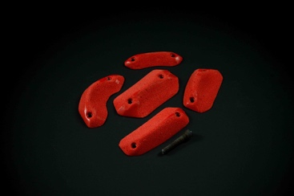 | DUAL | EDGE LINE | ANEMOIA #1 | 5 | $55.00 |  |  |  |  |  |  |  |  |  |  |  | 0 | 0 | $-
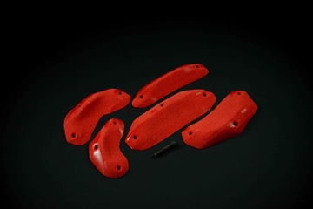 | DUAL | EDGE LINE | ANEMOIA #2 | 5 | $125.00 |  |  |  |  |  |  |  |  |  |  |  | 0 | 0 | $-
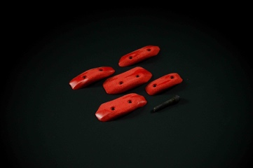 | DUAL | EDGE LINE | ANEMOIA #3 | 5 | $50.00 |  |  |  |  |  |  |  |  |  |  |  | 0 | 0 | $-
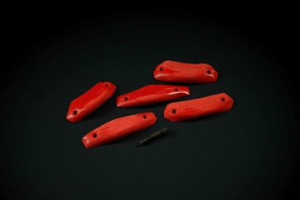 | DUAL | EDGE LINE | ANEMOIA #4 | 5 | $65.00 |  |  |  |  |  |  |  |  |  |  |  | 0 | 0 | $-
 | DUAL | EDGE LINE | ANEMOIA #5 | 3 | $55.00 |  |  |  |  |  |  |  |  |  |  |  | 0 | 0 | $-
 | DUAL | EDGE LINE | ANEMOIA #6 | 4 | $105.00 |  |  |  |  |  |  |  |  |  |  |  | 0 | 0 | $-
 | DUAL | EDGE LINE | ANEMOIA #7 | 2 | $250.00 |  |  |  |  |  |  |  |  |  |  |  | 0 | 0 | $-
 | DUAL | EDGE LINE | ANEMOIA #8 | 2 | $275.00 |  |  |  |  |  |  |  |  |  |  |  | 0 | 0 | $-
 | DUAL | EDGE LINE | ANEMOIA #9 | 3 | $295.00 |  |  |  |  |  |  |  |  |  |  |  | 0 | 0 | $-
 | DUAL | EDGE LINE | ANEMOIA #10 | 2 | $230.00 |  |  |  |  |  |  |  |  |  |  |  | 0 | 0 | $-
 | DUAL | EDGE LINE | ANEMOIA #11 | 1 | $155.00 |  |  |  |  |  |  |  |  |  |  |  | 0 | 0 | $-
 | DUAL | EDGE LINE | ANEMOIA #12 | 1 | $175.00 |  |  |  |  |  |  |  |  |  |  |  | 0 | 0 | $-
 | DUAL | SLOPER LINE | ANEMOIA #13 | 10 | $70.00 |  |  |  |  |  |  |  |  |  |  |  | 0 | 0 | $-
 | DUAL | SLOPER LINE | ANEMOIA #14 | 5 | $70.00 |  |  |  |  |  |  |  |  |  |  |  | 0 | 0 | $-
 | DUAL | SLOPER LINE | ANEMOIA #15 | 3 | $195.00 |  |  |  |  |  |  |  |  |  |  |  | 0 | 0 | $-
 | DUAL | SLOPER LINE | ANEMOIA #16 | 2 | $250.00 |  |  |  |  |  |  |  |  |  |  |  | 0 | 0 | $-
 | DUAL | SLOPER LINE | ANEMOIA #17 | 3 | $160.00 |  |  |  |  |  |  |  |  |  |  |  | 0 | 0 | $-
 | DUAL | SLOPER LINE | ANEMOIA #18 | 3 | $215.00 |  |  |  |  |  |  |  |  |  |  |  | 0 | 0 | $-
 | DUAL | SLOPER LINE | ANEMOIA #19 | 2 | $235.00 |  |  |  |  |  |  |  |  |  |  |  | 0 | 0 | $-
 | DUAL | SLOPER LINE | ANEMOIA #20 | 2 | $280.00 |  |  |  |  |  |  |  |  |  |  |  | 0 | 0 | $-
 | DUAL | SLOPER LINE | ANEMOIA #21 | 1 | $175.00 |  |  |  |  |  |  |  |  |  |  |  | 0 | 0 | $-
 | DUAL | SLOPER LINE | ANEMOIA #22 | 1 | $150.00 |  |  |  |  |  |  |  |  |  |  |  | 0 | 0 | $-
 | DUAL | SLOPER LINE | ANEMOIA #23 | 1 | $195.00 |  |  |  |  |  |  |  |  |  |  |  | 0 | 0 | $-
 | DUAL | SLOPER LINE | ANEMOIA #24 | 1 | $180.00 |  |  |  |  |  |  |  |  |  |  |  | 0 | 0 | $-
 | DUAL | SLOPER LINE | ANEMOIA #25 | 1 | $190.00 |  |  |  |  |  |  |  |  |  |  |  | 0 | 0 | $-
 | DUAL | SLOPER LINE | ANEMOIA #26 | 1 | $265.00 |  |  |  |  |  |  |  |  |  |  |  | 0 | 0 | $-
 | DUAL | SLOPER LINE | ANEMOIA #27 | 1 | $270.00 |  |  |  |  |  |  |  |  |  |  |  | 0 | 0 | $-
 | DUAL | SLOPER LINE | ANEMOIA #28 | 1 | $290.00 |  |  |  |  |  |  |  |  |  |  |  | 0 | 0 | $-
 | DUAL | SLOPER LINE | ANEMOIA #29 | 1 | $250.00 |  |  |  |  |  |  |  |  |  |  |  | 0 | 0 | $-
 | DUAL | SLOPER LINE | ANEMOIA #30 | 1 | $235.00 |  |  |  |  |  |  |  |  |  |  |  | 0 | 0 | $-
 | DUAL | PINCH LINE | ANEMOIA #31 | 2 | $205.00 |  |  |  |  |  |  |  |  |  |  |  | 0 | 0 | $-
 | DUAL | PINCH LINE | ANEMOIA #32 | 2 | $195.00 |  |  |  |  |  |  |  |  |  |  |  | 0 | 0 | $-
 | DUAL | PINCH LINE | ANEMOIA #33 | 1 | $195.00 |  |  |  |  |  |  |  |  |  |  |  | 0 | 0 | $-
 | DUAL | PINCH LINE | ANEMOIA #34 | 1 | $265.00 |  |  |  |  |  |  |  |  |  |  |  | 0 | 0 | $-
 | DUAL | PINCH LINE | ANEMOIA #35 | 1 | $315.00 |  |  |  |  |  |  |  |  |  |  |  | 0 | 0 | $-
 | DUAL | JUG LINE | ANEMOIA #36 | 5 | $185.00 |  |  |  |  |  |  |  |  |  |  |  | 0 | 0 | $-
 | DUAL | JUG LINE | ANEMOIA #37 | 5 | $395.00 |  |  |  |  |  |  |  |  |  |  |  | 0 | 0 | $-
 | DUAL | JUG LINE | ANEMOIA #38 | 3 | $325.00 |  |  |  |  |  |  |  |  |  |  |  | 0 | 0 | $-
 | DUAL | JUG LINE | ANEMOIA #39 | 2 | $355.00 |  |  |  |  |  |  |  |  |  |  |  | 0 | 0 | $-
 | DUAL | JUG LINE | ANEMOIA #40 | 1 | $265.00 |  |  |  |  |  |  |  |  |  |  |  | 0 | 0 | $-
 | DUAL | JUG LINE | ANEMOIA #41 | 1 | $230.00 |  |  |  |  |  |  |  |  |  |  |  | 0 | 0 | $-
COINS
 | TEXTURE | Coins | COINS (ALL PU) | 25 | $850.00 |  |  |  |  |  |  |  |  |  |  |  | 0 | 0 | $-
 | TEXTURE | Coins | PU - 1 | 7 | $45.00 |  |  |  |  |  |  |  |  |  |  |  | 0 | 0 | $-
 | TEXTURE | Coins | PU - 2 | 4 | $35.00 |  |  |  |  |  |  |  |  |  |  |  | 0 | 0 | $-
 | TEXTURE | Coins | PU - 3 | 4 | $60.00 |  |  |  |  |  |  |  |  |  |  |  | 0 | 0 | $-
 | TEXTURE | Coins | PU - 4 | 4 | $135.00 |  |  |  |  |  |  |  |  |  |  |  | 0 | 0 | $-
 | TEXTURE | Coins | PU - 5 | 2 | $125.00 |  |  |  |  |  |  |  |  |  |  |  | 0 | 0 | $-
 | TEXTURE | Coins | PU - 6 | 2 | $145.00 |  |  |  |  |  |  |  |  |  |  |  | 0 | 0 | $-
 | TEXTURE | Coins | PU - 7 | 2 | $305.00 |  |  |  |  |  |  |  |  |  |  |  | 0 | 0 | $-
 | TEXTURE | Coins | FIBERGLASS - 1 | 1 | $360.00 |  |  |  |  |  |  |  |  |  |  |  | 0 | 0 | $-
 | TEXTURE | Coins | FIBERGLASS - 2 | 1 | $485.00 |  |  |  |  |  |  |  |  |  |  |  | 0 | 0 | $-
 | TEXTURE | Coins | FIBERGLASS - 3 | 1 | $560.00 |  |  |  |  |  |  |  |  |  |  |  | 0 | 0 | $-
 | TEXTURE | Coins | FIBERGLASS - 2 + WOOD | 1 | $490.00 |  |  |  |  |  |  |  |  |  |  |  | 0 | 0 | $-
 | TEXTURE | Coins | FIBERGLASS - 3 + WOOD | 1 | $565.00 |  |  |  |  |  |  |  |  |  |  |  | 0 | 0 | $-
BUILT
 | TEXTURE | Built | BUILT (ALL PU) | 31 | $760.00 |  |  |  |  |  |  |  |  |  |  |  | 0 | 0 | $-
 | TEXTURE | Built | PU - 1 | 3 | $20.00 |  |  |  |  |  |  |  |  |  |  |  | 0 | 0 | $-
 | TEXTURE | Built | PU - 2 | 3 | $20.00 |  |  |  |  |  |  |  |  |  |  |  | 0 | 0 | $-
 | TEXTURE | Built | PU - 3 | 3 | $25.00 |  |  |  |  |  |  |  |  |  |  |  | 0 | 0 | $-
 | TEXTURE | Built | PU - 4 | 3 | $30.00 |  |  |  |  |  |  |  |  |  |  |  | 0 | 0 | $-
 | TEXTURE | Built | PU - 5 | 3 | $30.00 |  |  |  |  |  |  |  |  |  |  |  | 0 | 0 | $-
 | TEXTURE | Built | PU - 6 | 3 | $30.00 |  |  |  |  |  |  |  |  |  |  |  | 0 | 0 | $-
 | TEXTURE | Built | PU - 7 | 3 | $35.00 |  |  |  |  |  |  |  |  |  |  |  | 0 | 0 | $-
 | TEXTURE | Built | PU - 8 | 3 | $40.00 |  |  |  |  |  |  |  |  |  |  |  | 0 | 0 | $-
 | TEXTURE | Built | PU - 9 | 3 | $125.00 |  |  |  |  |  |  |  |  |  |  |  | 0 | 0 | $-
 | TEXTURE | Built | PU - 10 | 2 | $100.00 |  |  |  |  |  |  |  |  |  |  |  | 0 | 0 | $-
 | TEXTURE | Built | PU - 11 | 1 | $80.00 |  |  |  |  |  |  |  |  |  |  |  | 0 | 0 | $-
 | TEXTURE | Built | PU - 12 | 1 | $225.00 |  |  |  |  |  |  |  |  |  |  |  | 0 | 0 | $-
 | DUAL | Built | ALL DT FIBERGLASS | 10 | $4,675.00 |  |  |  |  |  |  |  |  |  |  |  | 0 | 0 | $-
 | DUAL | Built | FIBERGLASS - 1 | 1 | $405.00 |  |  |  |  |  |  |  |  |  |  |  | 0 | 0 | $-
 | DUAL | Built | FIBERGLASS - 2 | 1 | $440.00 |  |  |  |  |  |  |  |  |  |  |  | 0 | 0 | $-
 | DUAL | Built | FIBERGLASS - 3 | 1 | $420.00 |  |  |  |  |  |  |  |  |  |  |  | 0 | 0 | $-
 | DUAL | Built | FIBERGLASS - 4 | 1 | $400.00 |  |  |  |  |  |  |  |  |  |  |  | 0 | 0 | $-
 | DUAL | Built | FIBERGLASS - 5 | 1 | $420.00 |  |  |  |  |  |  |  |  |  |  |  | 0 | 0 | $-
 | DUAL | Built | FIBERGLASS - 6 | 1 | $475.00 |  |  |  |  |  |  |  |  |  |  |  | 0 | 0 | $-
 | DUAL | Built | FIBERGLASS - 7 | 1 | $475.00 |  |  |  |  |  |  |  |  |  |  |  | 0 | 0 | $-
 | DUAL | Built | FIBERGLASS - 8 | 1 | $500.00 |  |  |  |  |  |  |  |  |  |  |  | 0 | 0 | $-
 | DUAL | Built | FIBERGLASS - 9 | 1 | $540.00 |  |  |  |  |  |  |  |  |  |  |  | 0 | 0 | $-
 | DUAL | Built | FIBERGLASS - 10 | 1 | $600.00 |  |  |  |  |  |  |  |  |  |  |  | 0 | 0 | $-
 | TEXTURE | Built | BUILT (ALL NON-DT FIBER) | 10 | $3,215.00 |  |  |  |  |  |  |  |  |  |  |  | 0 | 0 | $-
 | TEXTURE | Built | FIBERGLASS - 1 | 1 | $275.00 |  |  |  |  |  |  |  |  |  |  |  | 0 | 0 | $-
 | TEXTURE | Built | FIBERGLASS - 2 | 1 | $295.00 |  |  |  |  |  |  |  |  |  |  |  | 0 | 0 | $-
 | TEXTURE | Built | FIBERGLASS - 3 | 1 | $285.00 |  |  |  |  |  |  |  |  |  |  |  | 0 | 0 | $-
 | TEXTURE | Built | FIBERGLASS - 4 | 1 | $280.00 |  |  |  |  |  |  |  |  |  |  |  | 0 | 0 | $-
 | TEXTURE | Built | FIBERGLASS - 5 | 1 | $285.00 |  |  |  |  |  |  |  |  |  |  |  | 0 | 0 | $-
 | TEXTURE | Built | FIBERGLASS - 6 | 1 | $325.00 |  |  |  |  |  |  |  |  |  |  |  | 0 | 0 | $-
 | TEXTURE | Built | FIBERGLASS - 7 | 1 | $325.00 |  |  |  |  |  |  |  |  |  |  |  | 0 | 0 | $-
 | TEXTURE | Built | FIBERGLASS - 8 | 1 | $350.00 |  |  |  |  |  |  |  |  |  |  |  | 0 | 0 | $-
 | TEXTURE | Built | FIBERGLASS - 9 | 1 | $370.00 |  |  |  |  |  |  |  |  |  |  |  | 0 | 0 | $-
 | TEXTURE | Built | FIBERGLASS - 10 | 1 | $425.00 |  |  |  |  |  |  |  |  |  |  |  | 0 | 0 | $-
GUMDROPS
 | TEXTURE | Gumdrops | GUMDROPS (ALL PU) | 28 | $2,292.00 |  |  |  |  |  |  |  |  |  |  |  | 0 | 0 | $-
 | TEXTURE | Gumdrops | PU - 1 | 1 | $10.00 |  |  |  |  |  |  |  |  |  |  |  | 0 | 0 | $-
 | TEXTURE | Gumdrops | PU - 2 | 1 | $18.00 |  |  |  |  |  |  |  |  |  |  |  | 0 | 0 | $-
 | TEXTURE | Gumdrops | PU - 3 | 1 | $18.00 |  |  |  |  |  |  |  |  |  |  |  | 0 | 0 | $-
 | TEXTURE | Gumdrops | PU - 4 | 1 | $35.00 |  |  |  |  |  |  |  |  |  |  |  | 0 | 0 | $-
 | TEXTURE | Gumdrops | PU - 5 | 1 | $20.00 |  |  |  |  |  |  |  |  |  |  |  | 0 | 0 | $-
 | TEXTURE | Gumdrops | PU - 6 | 1 | $18.00 |  |  |  |  |  |  |  |  |  |  |  | 0 | 0 | $-
 | TEXTURE | Gumdrops | PU - 7 | 1 | $18.00 |  |  |  |  |  |  |  |  |  |  |  | 0 | 0 | $-
 | TEXTURE | Gumdrops | PU - 8 | 1 | $35.00 |  |  |  |  |  |  |  |  |  |  |  | 0 | 0 | $-
 | TEXTURE | Gumdrops | PU - 9 | 1 | $55.00 |  |  |  |  |  |  |  |  |  |  |  | 0 | 0 | $-
 | TEXTURE | Gumdrops | PU - 10 | 1 | $55.00 |  |  |  |  |  |  |  |  |  |  |  | 0 | 0 | $-
 | TEXTURE | Gumdrops | PU - 11 | 1 | $45.00 |  |  |  |  |  |  |  |  |  |  |  | 0 | 0 | $-
 | TEXTURE | Gumdrops | PU - 12 | 1 | $65.00 |  |  |  |  |  |  |  |  |  |  |  | 0 | 0 | $-
 | TEXTURE | Gumdrops | PU - 13 | 1 | $45.00 |  |  |  |  |  |  |  |  |  |  |  | 0 | 0 | $-
 | TEXTURE | Gumdrops | PU - 14 | 1 | $55.00 |  |  |  |  |  |  |  |  |  |  |  | 0 | 0 | $-
 | TEXTURE | Gumdrops | PU - 15 | 1 | $55.00 |  |  |  |  |  |  |  |  |  |  |  | 0 | 0 | $-
 | TEXTURE | Gumdrops | PU - 16 | 1 | $55.00 |  |  |  |  |  |  |  |  |  |  |  | 0 | 0 | $-
 | TEXTURE | Gumdrops | PU - 17 | 1 | $65.00 |  |  |  |  |  |  |  |  |  |  |  | 0 | 0 | $-
 | TEXTURE | Gumdrops | PU - 18 | 1 | $130.00 |  |  |  |  |  |  |  |  |  |  |  | 0 | 0 | $-
 | TEXTURE | Gumdrops | PU - 19 | 1 | $120.00 |  |  |  |  |  |  |  |  |  |  |  | 0 | 0 | $-
 | TEXTURE | Gumdrops | PU - 20 | 1 | $140.00 |  |  |  |  |  |  |  |  |  |  |  | 0 | 0 | $-
 | TEXTURE | Gumdrops | PU - 21 | 1 | $100.00 |  |  |  |  |  |  |  |  |  |  |  | 0 | 0 | $-
 | TEXTURE | Gumdrops | PU - 22 | 1 | $135.00 |  |  |  |  |  |  |  |  |  |  |  | 0 | 0 | $-
 | TEXTURE | Gumdrops | PU - 23 | 1 | $125.00 |  |  |  |  |  |  |  |  |  |  |  | 0 | 0 | $-
 | TEXTURE | Gumdrops | PU - 24 | 1 | $155.00 |  |  |  |  |  |  |  |  |  |  |  | 0 | 0 | $-
 | TEXTURE | Gumdrops | PU - 25 | 1 | $150.00 |  |  |  |  |  |  |  |  |  |  |  | 0 | 0 | $-
 | TEXTURE | Gumdrops | PU - 26 | 1 | $230.00 |  |  |  |  |  |  |  |  |  |  |  | 0 | 0 | $-
 | TEXTURE | Gumdrops | PU - 27 | 1 | $145.00 |  |  |  |  |  |  |  |  |  |  |  | 0 | 0 | $-
 | TEXTURE | Gumdrops | PU - 28 | 1 | $195.00 |  |  |  |  |  |  |  |  |  |  |  | 0 | 0 | $-
 | TEXTURE | Gumdrops | ALL FIBERGLASS | 8 | $3,210.00 |  |  |  |  |  |  |  |  |  |  |  | 0 | 0 | $-
 | TEXTURE | Gumdrops | FIBERGLASS - 1 | 1 | $350.00 |  |  |  |  |  |  |  |  |  |  |  | 0 | 0 | $-
 | TEXTURE | Gumdrops | FIBERGLASS - 2 | 1 | $350.00 |  |  |  |  |  |  |  |  |  |  |  | 0 | 0 | $-
 | TEXTURE | Gumdrops | FIBERGLASS - 3 | 1 | $385.00 |  |  |  |  |  |  |  |  |  |  |  | 0 | 0 | $-
 | TEXTURE | Gumdrops | FIBERGLASS - 4 | 1 | $385.00 |  |  |  |  |  |  |  |  |  |  |  | 0 | 0 | $-
 | TEXTURE | Gumdrops | FIBERGLASS - 5 | 1 | $385.00 |  |  |  |  |  |  |  |  |  |  |  | 0 | 0 | $-
 | TEXTURE | Gumdrops | FIBERGLASS - 6 | 1 | $385.00 |  |  |  |  |  |  |  |  |  |  |  | 0 | 0 | $-
 | TEXTURE | Gumdrops | FIBERGLASS - 7 | 1 | $455.00 |  |  |  |  |  |  |  |  |  |  |  | 0 | 0 | $-
 | TEXTURE | Gumdrops | FIBERGLASS - 8 | 1 | $515.00 |  |  |  |  |  |  |  |  |  |  |  | 0 | 0 | $-
SANS
 | TEXTURE | Sans | PU - 1 | 10 | $175.00 |  |  |  |  |  |  |  |  |  |  |  | 0 | 0 | $-
 | TEXTURE | Sans | PU - 2 | 3 | $215.00 |  |  |  |  |  |  |  |  |  |  |  | 0 | 0 | $-
 | TEXTURE | Sans | PU - 3 | 1 | $180.00 |  |  |  |  |  |  |  |  |  |  |  | 0 | 0 | $-
BUILDERS
 | DUAL | Builders | ALL DT WOOD | 12 | $4,035.00 |  |  |  |  |  |  |  |  |  |  |  | 0 | 0 | $-
 | DUAL | Builders | DT WOOD - 1 | 1 | $625.00 |  |  |  |  |  |  |  |  |  |  |  | 0 | 0 | $-
 | DUAL | Builders | DT WOOD - 2 | 1 | $455.00 |  |  |  |  |  |  |  |  |  |  |  | 0 | 0 | $-
 | DUAL | Builders | DT WOOD - 3 | 1 | $385.00 |  |  |  |  |  |  |  |  |  |  |  | 0 | 0 | $-
 | DUAL | Builders | DT WOOD - 4 | 1 | $385.00 |  |  |  |  |  |  |  |  |  |  |  | 0 | 0 | $-
 | DUAL | Builders | DT WOOD - 5 | 1 | $135.00 |  |  |  |  |  |  |  |  |  |  |  | 0 | 0 | $-
 | DUAL | Builders | DT WOOD - 6 | 1 | $95.00 |  |  |  |  |  |  |  |  |  |  |  | 0 | 0 | $-
 | DUAL | Builders | DT WOOD - 7 | 1 | $135.00 |  |  |  |  |  |  |  |  |  |  |  | 0 | 0 | $-
 | DUAL | Builders | DT WOOD - 8 | 1 | $540.00 |  |  |  |  |  |  |  |  |  |  |  | 0 | 0 | $-
 | DUAL | Builders | DT WOOD - 9 | 1 | $345.00 |  |  |  |  |  |  |  |  |  |  |  | 0 | 0 | $-
 | DUAL | Builders | DT WOOD - 10 | 1 | $335.00 |  |  |  |  |  |  |  |  |  |  |  | 0 | 0 | $-
 | DUAL | Builders | DT WOOD - 11 | 1 | $420.00 |  |  |  |  |  |  |  |  |  |  |  | 0 | 0 | $-
 | DUAL | Builders | DT WOOD - 12 | 1 | $180.00 |  |  |  |  |  |  |  |  |  |  |  | 0 | 0 | $-
 | TEXTURE | Builders | ALL WOOD - 1 | 12 | $3,105.00 |  |  |  |  |  |  |  |  |  |  |  | 0 | 0 | $-
 | TEXTURE | Builders | WOOD - 1 | 1 | $520.00 |  |  |  |  |  |  |  |  |  |  |  | 0 | 0 | $-
 | TEXTURE | Builders | WOOD - 2 | 1 | $255.00 |  |  |  |  |  |  |  |  |  |  |  | 0 | 0 | $-
 | TEXTURE | Builders | WOOD - 3 | 1 | $320.00 |  |  |  |  |  |  |  |  |  |  |  | 0 | 0 | $-
 | TEXTURE | Builders | WOOD - 4 | 1 | $320.00 |  |  |  |  |  |  |  |  |  |  |  | 0 | 0 | $-
 | TEXTURE | Builders | WOOD - 5 | 1 | $95.00 |  |  |  |  |  |  |  |  |  |  |  | 0 | 0 | $-
 | TEXTURE | Builders | WOOD - 6 | 1 | $95.00 |  |  |  |  |  |  |  |  |  |  |  | 0 | 0 | $-
 | TEXTURE | Builders | WOOD - 7 | 1 | $95.00 |  |  |  |  |  |  |  |  |  |  |  | 0 | 0 | $-
 | TEXTURE | Builders | WOOD - 8 | 1 | $430.00 |  |  |  |  |  |  |  |  |  |  |  | 0 | 0 | $-
 | TEXTURE | Builders | WOOD - 9 | 1 | $280.00 |  |  |  |  |  |  |  |  |  |  |  | 0 | 0 | $-
 | TEXTURE | Builders | WOOD - 10 | 1 | $240.00 |  |  |  |  |  |  |  |  |  |  |  | 0 | 0 | $-
 | TEXTURE | Builders | WOOD - 11 | 1 | $305.00 |  |  |  |  |  |  |  |  |  |  |  | 0 | 0 | $-
 | TEXTURE | Builders | WOOD - 12 | 1 | $150.00 |  |  |  |  |  |  |  |  |  |  |  | 0 | 0 | $-
STACKERS
 | DUAL | Stackers - STACK 1 | ALL DT WOOD | 3 | $1,305.00 |  |  |  |  |  |  |  |  |  |  |  | 0 | 0 | $-
 | DUAL | Stackers - STACK 1 | DT WOOD - 1 | 1 | $550.00 |  |  |  |  |  |  |  |  |  |  |  | 0 | 0 | $-
 | DUAL | Stackers - STACK 1 | DT WOOD - 2 | 1 | $420.00 |  |  |  |  |  |  |  |  |  |  |  | 0 | 0 | $-
 | DUAL | Stackers - STACK 1 | DT WOOD - 3 | 1 | $335.00 |  |  |  |  |  |  |  |  |  |  |  | 0 | 0 | $-
 | DUAL | Stackers - STACK 2 | ALL DT WOOD | 3 | $1,625.00 |  |  |  |  |  |  |  |  |  |  |  | 0 | 0 | $-
 | DUAL | Stackers - STACK 2 | DT WOOD - 1 | 1 | $710.00 |  |  |  |  |  |  |  |  |  |  |  | 0 | 0 | $-
 | DUAL | Stackers - STACK 2 | DT WOOD - 2 | 1 | $515.00 |  |  |  |  |  |  |  |  |  |  |  | 0 | 0 | $-
 | DUAL | Stackers - STACK 2 | DT WOOD - 3 | 1 | $400.00 |  |  |  |  |  |  |  |  |  |  |  | 0 | 0 | $-
 | TEXTURE | Stackers - STACK 1 | ALL NON-DT WOOD | 3 | $965.00 |  |  |  |  |  |  |  |  |  |  |  | 0 | 0 | $-
 | TEXTURE | Stackers - STACK 1 | NON-DT WOOD - 1 | 1 | $400.00 |  |  |  |  |  |  |  |  |  |  |  | 0 | 0 | $-
 | TEXTURE | Stackers - STACK 1 | NON-DT WOOD - 2 | 1 | $310.00 |  |  |  |  |  |  |  |  |  |  |  | 0 | 0 | $-
 | TEXTURE | Stackers - STACK 1 | NON-DT WOOD - 3 | 1 | $255.00 |  |  |  |  |  |  |  |  |  |  |  | 0 | 0 | $-
 | TEXTURE | Stackers - STACK 2 | ALL NON-DT WOOD | 3 | $1,205.00 |  |  |  |  |  |  |  |  |  |  |  | 0 | 0 | $-
 | TEXTURE | Stackers - STACK 2 | NON-DT WOOD - 1 | 1 | $530.00 |  |  |  |  |  |  |  |  |  |  |  | 0 | 0 | $-
 | TEXTURE | Stackers - STACK 2 | NON-DT WOOD - 2 | 1 | $385.00 |  |  |  |  |  |  |  |  |  |  |  | 0 | 0 | $-
 | TEXTURE | Stackers - STACK 2 | NON-DT WOOD - 3 | 1 | $290.00 |  |  |  |  |  |  |  |  |  |  |  | 0 | 0 | $-
808 By Victor Fleutre
 | DUAL | 808 - By Victor Fleutre - ECHO | ALL FIBERGLASS DT | 4 | $1,690.00 |  |  |  |  |  |  |  |  |  |  |  | 0 | 0 | $-
 | DUAL | 808 - By Victor Fleutre - ECHO | FIBERGLASS DT - 1 | 1 | $480.00 |  |  |  |  |  |  |  |  |  |  |  | 0 | 0 | $-
 | DUAL | 809 - By Victor Fleutre - ECHO | FIBERGLASS DT - 2 | 1 | $480.00 |  |  |  |  |  |  |  |  |  |  |  | 0 | 0 | $-
 | DUAL | 810 - By Victor Fleutre - ECHO | FIBERGLASS DT - 3 | 1 | $480.00 |  |  |  |  |  |  |  |  |  |  |  | 0 | 0 | $-
 | DUAL | 811 - By Victor Fleutre - ECHO | FIBERGLASS DT - 4 | 1 | $250.00 |  |  |  |  |  |  |  |  |  |  |  | 0 | 0 | $-
 | DUAL | 808 - By Victor Fleutre - PULSE | ALL FIBERGLASS DT PULSE | 3 | $1,225.00 |  |  |  |  |  |  |  |  |  |  |  | 0 | 0 | $-
 | DUAL | 808 - By Victor Fleutre - PULSE | FIBERGLASS DT - 1 | 1 | $430.00 |  |  |  |  |  |  |  |  |  |  |  | 0 | 0 | $-
 | DUAL | 809 - By Victor Fleutre - PULSE | FIBERGLASS DT - 2 | 1 | $400.00 |  |  |  |  |  |  |  |  |  |  |  | 0 | 0 | $-
 | DUAL | 810 - By Victor Fleutre - PULSE | FIBERGLASS DT - 3 | 1 | $395.00 |  |  |  |  |  |  |  |  |  |  |  | 0 | 0 | $-
 | DUAL | 808 - By Victor Fleutre - APEX | ALL FIBERGLASS DT | 2 | $790.00 |  |  |  |  |  |  |  |  |  |  |  | 0 | 0 | $-
 | DUAL | 808 - By Victor Fleutre - APEX | FIBERGLASS DT - 1 | 1 | $525.00 |  |  |  |  |  |  |  |  |  |  |  | 0 | 0 | $-
 | DUAL | 809 - By Victor Fleutre - APEX | FIBERGLASS DT - 2 | 1 | $265.00 |  |  |  |  |  |  |  |  |  |  |  | 0 | 0 | $-
 | DUAL | 808 - By Victor Fleutre - LOOP | ALL FIBERGLASS DT | 2 | $1,075.00 |  |  |  |  |  |  |  |  |  |  |  | 0 | 0 | $-
 | DUAL | 808 - By Victor Fleutre - LOOP | FIBERGLASS DT - 1 | 1 | $550.00 |  |  |  |  |  |  |  |  |  |  |  | 0 | 0 | $-
 | DUAL | 809 - By Victor Fleutre - LOOP | FIBERGLASS DT - 2 | 1 | $525.00 |  |  |  |  |  |  |  |  |  |  |  | 0 | 0 | $-
 | DUAL | 808 - By Victor Fleutre - BASSLINE 10° MINI STACK | ALL WOOD DT | 2 | $680.00 |  |  |  |  |  |  |  |  |  |  |  | 0 | 0 | $-
 | DUAL | 808 - By Victor Fleutre - BASSLINE 10° MINI STACK | DT WOOD - 1 | 1 | $340.00 |  |  |  |  |  |  |  |  |  |  |  | 0 | 0 | $-
 | DUAL | 808 - By Victor Fleutre - BASSLINE 10° MINI STACK | DT WOOD - 2 | 1 | $340.00 |  |  |  |  |  |  |  |  |  |  |  | 0 | 0 | $-
 | DUAL | 808 - By Victor Fleutre - BASSLINE 15° MINI STACK | ALL WOOD DT | 2 | $680.00 |  |  |  |  |  |  |  |  |  |  |  | 0 | 0 | $-
 | DUAL | 809 - By Victor Fleutre - BASSLINE 15° MINI STACK | DT WOOD - 1 | 1 | $340.00 |  |  |  |  |  |  |  |  |  |  |  | 0 | 0 | $-
 | DUAL | 810 - By Victor Fleutre - BASSLINE 15° MINI STACK | DT WOOD - 2 | 1 | $340.00 |  |  |  |  |  |  |  |  |  |  |  | 0 | 0 | $-
 | DUAL | 810 - By Victor Fleutre - BASSLINE 20° | DT WOOD - 1 | 1 | $525.00 |  |  |  |  |  |  |  |  |  |  |  | 0 | 0 | $-

SupR
 |  | SupR
 |  | https://suprclimbing.com/
 |  |  |  |  | QTY Holds by Colour
 | QTY Sets | QTY Holds | Subtotal ( $ CAD) |  | White RAL 9010 12-01 | Blue RAL 5015 CX-77 | US Green RAL 6037 16-16 | Traffic Yellow RAL 1023 CX-2 | US Orange RAL 2009 14-01 | Traffic Red RAL 3020 CX-5 | Signal Violet RAL 4008 CX-16 | US Purple 07-13 CX-81 | Black RAL 9005 1801 | Mint RAL 6027 13-27 | Other (Enter Code)
 | 0 | 0 | $- |  | 0 | 0 | 0 | 0 | 0 | 0 | 0 | 0 | 0 | 0 | 0

Texture | Range | Set | # Holds/Set | Cost/Set | White RAL 9010 12-01 | Blue RAL 5015 CX-77 | US Green RAL 6037 16-16 | Traffic Yellow RAL 1023 CX-2 | US Orange RAL 2009 14-01 | Traffic Red RAL 3020 CX-5 | Signal Violet RAL 4008 CX-16 | US Purple 07-13 CX-81 | Black RAL 9005 1801 | Mint RAL 6027 13-27 | Other (Enter Code) | QTY Sets | QTY Holds | Subtotal ( $ CAD)
DUAL | FULL Pack Discover: 18 Macros DUAL |  | 18 | $3,810.00 |  |  |  |  |  |  |  |  |  |  |  | 0 | 0 | $-
DUAL | Cumulus Low | 12 Cumulus Low | 1 | $220.00 |  |  |  |  |  |  |  |  |  |  |  | 0 | 0 | $-
DUAL | Cumulus Low | 11 Cumulus Low | 1 | $220.00 |  |  |  |  |  |  |  |  |  |  |  | 0 | 0 | $-
DUAL | Cumulus Low | 10 Cumulus Low | 1 | $220.00 |  |  |  |  |  |  |  |  |  |  |  | 0 | 0 | $-
DUAL | Cumulus Ball | 01 Cumulus Ball | 1 | $220.00 |  |  |  |  |  |  |  |  |  |  |  | 0 | 0 | $-
DUAL | Cumulus Ball | 02 Cumulus Ball | 1 | $220.00 |  |  |  |  |  |  |  |  |  |  |  | 0 | 0 | $-
DUAL | Cumulus Ball | 03 Cumulus Ball | 1 | $220.00 |  |  |  |  |  |  |  |  |  |  |  | 0 | 0 | $-
DUAL | Cruiser | 01 Cruiser | 1 | $230.00 |  |  |  |  |  |  |  |  |  |  |  | 0 | 0 | $-
DUAL | Cruiser | 02 Cruiser | 1 | $230.00 |  |  |  |  |  |  |  |  |  |  |  | 0 | 0 | $-
DUAL | Cruiser | 03 Cruiser | 1 | $230.00 |  |  |  |  |  |  |  |  |  |  |  | 0 | 0 | $-
DUAL | Cruiser | 04 Cruiser | 1 | $230.00 |  |  |  |  |  |  |  |  |  |  |  | 0 | 0 | $-
DUAL | Spaceship | 01 Spaceship | 1 | $220.00 |  |  |  |  |  |  |  |  |  |  |  | 0 | 0 | $-
DUAL | Spaceship | 02 Spaceship | 1 | $195.00 |  |  |  |  |  |  |  |  |  |  |  | 0 | 0 | $-
DUAL | Spaceship | 03 Spaceship | 1 | $200.00 |  |  |  |  |  |  |  |  |  |  |  | 0 | 0 | $-
DUAL | Spaceship | 04 Spaceship | 1 | $185.00 |  |  |  |  |  |  |  |  |  |  |  | 0 | 0 | $-
DUAL | Spaceship | 05 Spaceship | 1 | $185.00 |  |  |  |  |  |  |  |  |  |  |  | 0 | 0 | $-
DUAL | Spaceship | 06 Spaceship | 1 | $195.00 |  |  |  |  |  |  |  |  |  |  |  | 0 | 0 | $-
DUAL | Hunter | 01 Hunter | 1 | $195.00 |  |  |  |  |  |  |  |  |  |  |  | 0 | 0 | $-
DUAL | Hunter | 02 Hunter | 1 | $195.00 |  |  |  |  |  |  |  |  |  |  |  | 0 | 0 | $-
TEXTURE | FULL Pack Discover: 18 Macros TEXTURE |  | 18 | $3,310.00 |  |  |  |  |  |  |  |  |  |  |  | 0 | 0 | $-
TEXTURE | Cumulus Low | 12 Cumulus Low | 1 | $190.00 |  |  |  |  |  |  |  |  |  |  |  | 0 | 0 | $-
TEXTURE | Cumulus Low | 11 Cumulus Low | 1 | $190.00 |  |  |  |  |  |  |  |  |  |  |  | 0 | 0 | $-
TEXTURE | Cumulus Low | 10 Cumulus Low | 1 | $190.00 |  |  |  |  |  |  |  |  |  |  |  | 0 | 0 | $-
TEXTURE | Cumulus Ball | 01 Cumulus Ball | 1 | $190.00 |  |  |  |  |  |  |  |  |  |  |  | 0 | 0 | $-
TEXTURE | Cumulus Ball | 02 Cumulus Ball | 1 | $190.00 |  |  |  |  |  |  |  |  |  |  |  | 0 | 0 | $-
TEXTURE | Cumulus Ball | 03 Cumulus Ball | 1 | $190.00 |  |  |  |  |  |  |  |  |  |  |  | 0 | 0 | $-
TEXTURE | Cruiser | 01 Cruiser | 1 | $215.00 |  |  |  |  |  |  |  |  |  |  |  | 0 | 0 | $-
TEXTURE | Cruiser | 02 Cruiser | 1 | $205.00 |  |  |  |  |  |  |  |  |  |  |  | 0 | 0 | $-
TEXTURE | Cruiser | 03 Cruiser | 1 | $205.00 |  |  |  |  |  |  |  |  |  |  |  | 0 | 0 | $-
TEXTURE | Cruiser | 04 Cruiser | 1 | $190.00 |  |  |  |  |  |  |  |  |  |  |  | 0 | 0 | $-
TEXTURE | Spaceship | 01 Spaceship | 1 | $190.00 |  |  |  |  |  |  |  |  |  |  |  | 0 | 0 | $-
TEXTURE | Spaceship | 02 Spaceship | 1 | $155.00 |  |  |  |  |  |  |  |  |  |  |  | 0 | 0 | $-
TEXTURE | Spaceship | 03 Spaceship | 1 | $175.00 |  |  |  |  |  |  |  |  |  |  |  | 0 | 0 | $-
TEXTURE | Spaceship | 04 Spaceship | 1 | $155.00 |  |  |  |  |  |  |  |  |  |  |  | 0 | 0 | $-
TEXTURE | Spaceship | 05 Spaceship | 1 | $155.00 |  |  |  |  |  |  |  |  |  |  |  | 0 | 0 | $-
TEXTURE | Spaceship | 06 Spaceship | 1 | $175.00 |  |  |  |  |  |  |  |  |  |  |  | 0 | 0 | $-
TEXTURE | Hunter | 01 Hunter | 1 | $175.00 |  |  |  |  |  |  |  |  |  |  |  | 0 | 0 | $-
TEXTURE | Hunter | 02 Hunter | 1 | $175.00 |  |  |  |  |  |  |  |  |  |  |  | 0 | 0 | $-
DUAL | FULL Pack FIGHTERS: 16 Macros DUAL |  | 16 | $4,765.00 |  |  |  |  |  |  |  |  |  |  |  | 0 | 0 | $-
DUAL | Fighter | 01 Fighter | 1 | $170.00 |  |  |  |  |  |  |  |  |  |  |  | 0 | 0 | $-
DUAL | Fighter | 02 Fighter | 1 | $175.00 |  |  |  |  |  |  |  |  |  |  |  | 0 | 0 | $-
DUAL | Fighter | 03 Fighter | 1 | $185.00 |  |  |  |  |  |  |  |  |  |  |  | 0 | 0 | $-
DUAL | Fighter | 04 Fighter | 1 | $185.00 |  |  |  |  |  |  |  |  |  |  |  | 0 | 0 | $-
DUAL | Fighter | 05 Fighter | 1 | $205.00 |  |  |  |  |  |  |  |  |  |  |  | 0 | 0 | $-
DUAL | Fighter | 06 Fighter | 1 | $265.00 |  |  |  |  |  |  |  |  |  |  |  | 0 | 0 | $-
DUAL | Fighter | 07 Fighter | 1 | $295.00 |  |  |  |  |  |  |  |  |  |  |  | 0 | 0 | $-
DUAL | Fighter | 08 Fighter | 1 | $305.00 |  |  |  |  |  |  |  |  |  |  |  | 0 | 0 | $-
DUAL | Fighter | 09 Fighter | 1 | $315.00 |  |  |  |  |  |  |  |  |  |  |  | 0 | 0 | $-
DUAL | Fighter | 10 Fighter | 1 | $345.00 |  |  |  |  |  |  |  |  |  |  |  | 0 | 0 | $-
DUAL | Fighter | 11 Fighter | 1 | $345.00 |  |  |  |  |  |  |  |  |  |  |  | 0 | 0 | $-
DUAL | Fighter | 12 Fighter | 1 | $390.00 |  |  |  |  |  |  |  |  |  |  |  | 0 | 0 | $-
DUAL | Fighter | 13 Fighter | 1 | $420.00 |  |  |  |  |  |  |  |  |  |  |  | 0 | 0 | $-
DUAL | Fighter | 14 Fighter | 1 | $425.00 |  |  |  |  |  |  |  |  |  |  |  | 0 | 0 | $-
DUAL | Fighter | 15 Fighter | 1 | $330.00 |  |  |  |  |  |  |  |  |  |  |  | 0 | 0 | $-
DUAL | Fighter | 16 Fighter | 1 | $410.00 |  |  |  |  |  |  |  |  |  |  |  | 0 | 0 | $-
TEXTURE | FULL Pack FIGHTERS: 16 Macros TEXTURE |  | 16 | $4,250.00 |  |  |  |  |  |  |  |  |  |  |  | 0 | 0 | $-
TEXTURE | Fighter | 01 Fighter | 1 | $150.00 |  |  |  |  |  |  |  |  |  |  |  | 0 | 0 | $-
TEXTURE | Fighter | 02 Fighter | 1 | $155.00 |  |  |  |  |  |  |  |  |  |  |  | 0 | 0 | $-
TEXTURE | Fighter | 03 Fighter | 1 | $165.00 |  |  |  |  |  |  |  |  |  |  |  | 0 | 0 | $-
TEXTURE | Fighter | 04 Fighter | 1 | $165.00 |  |  |  |  |  |  |  |  |  |  |  | 0 | 0 | $-
TEXTURE | Fighter | 05 Fighter | 1 | $180.00 |  |  |  |  |  |  |  |  |  |  |  | 0 | 0 | $-
TEXTURE | Fighter | 06 Fighter | 1 | $230.00 |  |  |  |  |  |  |  |  |  |  |  | 0 | 0 | $-
TEXTURE | Fighter | 07 Fighter | 1 | $255.00 |  |  |  |  |  |  |  |  |  |  |  | 0 | 0 | $-
TEXTURE | Fighter | 08 Fighter | 1 | $265.00 |  |  |  |  |  |  |  |  |  |  |  | 0 | 0 | $-
TEXTURE | Fighter | 09 Fighter | 1 | $285.00 |  |  |  |  |  |  |  |  |  |  |  | 0 | 0 | $-
TEXTURE | Fighter | 10 Fighter | 1 | $330.00 |  |  |  |  |  |  |  |  |  |  |  | 0 | 0 | $-
TEXTURE | Fighter | 11 Fighter | 1 | $315.00 |  |  |  |  |  |  |  |  |  |  |  | 0 | 0 | $-
TEXTURE | Fighter | 12 Fighter | 1 | $350.00 |  |  |  |  |  |  |  |  |  |  |  | 0 | 0 | $-
TEXTURE | Fighter | 13 Fighter | 1 | $395.00 |  |  |  |  |  |  |  |  |  |  |  | 0 | 0 | $-
TEXTURE | Fighter | 14 Fighter | 1 | $385.00 |  |  |  |  |  |  |  |  |  |  |  | 0 | 0 | $-
TEXTURE | Fighter | 15 Fighter | 1 | $260.00 |  |  |  |  |  |  |  |  |  |  |  | 0 | 0 | $-
TEXTURE | Fighter | 16 Fighter | 1 | $365.00 |  |  |  |  |  |  |  |  |  |  |  | 0 | 0 | $-
DUAL | FULL Pack LANCES: 18 Macros DUAL |  | 18 | $5,825.00 |  |  |  |  |  |  |  |  |  |  |  | 0 | 0 | $-
DUAL | Lances | Lance 1 | 1 | $270.00 |  |  |  |  |  |  |  |  |  |  |  | 0 | 0 | $-
DUAL | Lances | Lance 2 | 1 | $280.00 |  |  |  |  |  |  |  |  |  |  |  | 0 | 0 | $-
DUAL | Lances | Lance 3 | 1 | $280.00 |  |  |  |  |  |  |  |  |  |  |  | 0 | 0 | $-
DUAL | Lances | Lance 4 | 1 | $280.00 |  |  |  |  |  |  |  |  |  |  |  | 0 | 0 | $-
DUAL | Lances | Lance 5 | 1 | $285.00 |  |  |  |  |  |  |  |  |  |  |  | 0 | 0 | $-
DUAL | Lances | Lance 6 | 1 | $295.00 |  |  |  |  |  |  |  |  |  |  |  | 0 | 0 | $-
DUAL | Lances | Lance 7 | 1 | $280.00 |  |  |  |  |  |  |  |  |  |  |  | 0 | 0 | $-
DUAL | Lances | Lance 8 | 1 | $285.00 |  |  |  |  |  |  |  |  |  |  |  | 0 | 0 | $-
DUAL | Lances | Lance 9 | 1 | $295.00 |  |  |  |  |  |  |  |  |  |  |  | 0 | 0 | $-
DUAL | Lances | Lance 10 | 1 | $275.00 |  |  |  |  |  |  |  |  |  |  |  | 0 | 0 | $-
DUAL | Lances | Lance 11 | 1 | $295.00 |  |  |  |  |  |  |  |  |  |  |  | 0 | 0 | $-
DUAL | Lances | Lance 12 | 1 | $295.00 |  |  |  |  |  |  |  |  |  |  |  | 0 | 0 | $-
DUAL | Lances | Lance 13 | 1 | $295.00 |  |  |  |  |  |  |  |  |  |  |  | 0 | 0 | $-
DUAL | Lances | Lance 14 | 1 | $305.00 |  |  |  |  |  |  |  |  |  |  |  | 0 | 0 | $-
DUAL | Lances | Lance 15 | 1 | $385.00 |  |  |  |  |  |  |  |  |  |  |  | 0 | 0 | $-
DUAL | Lances | Lance 16 | 1 | $415.00 |  |  |  |  |  |  |  |  |  |  |  | 0 | 0 | $-
DUAL | Lances | Lance 17 | 1 | $440.00 |  |  |  |  |  |  |  |  |  |  |  | 0 | 0 | $-
DUAL | Lances | Lance 18 | 1 | $570.00 |  |  |  |  |  |  |  |  |  |  |  | 0 | 0 | $-
TEXTURE | FULL Pack LANCES: 18 Macros TEXTURE |  | 18 | $5,345.00 |  |  |  |  |  |  |  |  |  |  |  | 0 | 0 | $-
TEXTURE | Lances | Lance 1 | 1 | $245.00 |  |  |  |  |  |  |  |  |  |  |  | 0 | 0 | $-
TEXTURE | Lances | Lance 2 | 1 | $255.00 |  |  |  |  |  |  |  |  |  |  |  | 0 | 0 | $-
TEXTURE | Lances | Lance 3 | 1 | $255.00 |  |  |  |  |  |  |  |  |  |  |  | 0 | 0 | $-
TEXTURE | Lances | Lance 4 | 1 | $260.00 |  |  |  |  |  |  |  |  |  |  |  | 0 | 0 | $-
TEXTURE | Lances | Lance 5 | 1 | $260.00 |  |  |  |  |  |  |  |  |  |  |  | 0 | 0 | $-
TEXTURE | Lances | Lance 6 | 1 | $270.00 |  |  |  |  |  |  |  |  |  |  |  | 0 | 0 | $-
TEXTURE | Lances | Lance 7 | 1 | $260.00 |  |  |  |  |  |  |  |  |  |  |  | 0 | 0 | $-
TEXTURE | Lances | Lance 8 | 1 | $260.00 |  |  |  |  |  |  |  |  |  |  |  | 0 | 0 | $-
TEXTURE | Lances | Lance 9 | 1 | $275.00 |  |  |  |  |  |  |  |  |  |  |  | 0 | 0 | $-
TEXTURE | Lances | Lance 10 | 1 | $255.00 |  |  |  |  |  |  |  |  |  |  |  | 0 | 0 | $-
TEXTURE | Lances | Lance 11 | 1 | $275.00 |  |  |  |  |  |  |  |  |  |  |  | 0 | 0 | $-
TEXTURE | Lances | Lance 12 | 1 | $275.00 |  |  |  |  |  |  |  |  |  |  |  | 0 | 0 | $-
TEXTURE | Lances | Lance 13 | 1 | $275.00 |  |  |  |  |  |  |  |  |  |  |  | 0 | 0 | $-
TEXTURE | Lances | Lance 14 | 1 | $275.00 |  |  |  |  |  |  |  |  |  |  |  | 0 | 0 | $-
TEXTURE | Lances | Lance 15 | 1 | $350.00 |  |  |  |  |  |  |  |  |  |  |  | 0 | 0 | $-
TEXTURE | Lances | Lance 16 | 1 | $375.00 |  |  |  |  |  |  |  |  |  |  |  | 0 | 0 | $-
TEXTURE | Lances | Lance 17 | 1 | $405.00 |  |  |  |  |  |  |  |  |  |  |  | 0 | 0 | $-
TEXTURE | Lances | Lance 18 | 1 | $520.00 |  |  |  |  |  |  |  |  |  |  |  | 0 | 0 | $-
DUAL | FULL Pack Shields: 19 Macros DUAL |  | 19 | $8,275.00 |  |  |  |  |  |  |  |  |  |  |  | 0 | 0 | $-
DUAL | Shields | Shield 1 | 1 | $425.00 |  |  |  |  |  |  |  |  |  |  |  | 0 | 0 | $-
DUAL | Shields | Shield 2 | 1 | $455.00 |  |  |  |  |  |  |  |  |  |  |  | 0 | 0 | $-
DUAL | Shields | Shield 3 | 1 | $440.00 |  |  |  |  |  |  |  |  |  |  |  | 0 | 0 | $-
DUAL | Shields | Shield 4 | 1 | $425.00 |  |  |  |  |  |  |  |  |  |  |  | 0 | 0 | $-
DUAL | Shields | Shield 5 | 1 | $315.00 |  |  |  |  |  |  |  |  |  |  |  | 0 | 0 | $-
DUAL | Shields | Shield 6 | 1 | $315.00 |  |  |  |  |  |  |  |  |  |  |  | 0 | 0 | $-
DUAL | Shields | Shield 7 | 1 | $315.00 |  |  |  |  |  |  |  |  |  |  |  | 0 | 0 | $-
DUAL | Shields | Shield 8 | 1 | $315.00 |  |  |  |  |  |  |  |  |  |  |  | 0 | 0 | $-
DUAL | Shields | Shield 9 ( ex 1 ) | 1 | $445.00 |  |  |  |  |  |  |  |  |  |  |  | 0 | 0 | $-
DUAL | Shields | Shield 10 ( ex 2 ) | 1 | $445.00 |  |  |  |  |  |  |  |  |  |  |  | 0 | 0 | $-
DUAL | Shields | Shield 11 ( ex 3 ) | 1 | $445.00 |  |  |  |  |  |  |  |  |  |  |  | 0 | 0 | $-
DUAL | Shields | Shield 12 ( ex 4 ) | 1 | $445.00 |  |  |  |  |  |  |  |  |  |  |  | 0 | 0 | $-
DUAL | Shields | Shield 13 | 1 | $445.00 |  |  |  |  |  |  |  |  |  |  |  | 0 | 0 | $-
DUAL | Shields | Shield 14 | 1 | $445.00 |  |  |  |  |  |  |  |  |  |  |  | 0 | 0 | $-
DUAL | Shields | Shield 15 | 1 | $500.00 |  |  |  |  |  |  |  |  |  |  |  | 0 | 0 | $-
DUAL | Shields | Shield 16 | 1 | $500.00 |  |  |  |  |  |  |  |  |  |  |  | 0 | 0 | $-
DUAL | Shields | Shield 17 | 1 | $500.00 |  |  |  |  |  |  |  |  |  |  |  | 0 | 0 | $-
DUAL | Shields | Shield 18 | 1 | $500.00 |  |  |  |  |  |  |  |  |  |  |  | 0 | 0 | $-
DUAL | Shields | Shield 19 | 1 | $600.00 |  |  |  |  |  |  |  |  |  |  |  | 0 | 0 | $-
TEXTURE | FULL Pack Shields: 4 Macros TEXTURE |  | 4 | $1,560.00 |  |  |  |  |  |  |  |  |  |  |  | 0 | 0 | $-
TEXTURE | Shields | Shield 1 | 1 | $385.00 |  |  |  |  |  |  |  |  |  |  |  | 0 | 0 | $-
TEXTURE | Shields | Shield 2 | 1 | $415.00 |  |  |  |  |  |  |  |  |  |  |  | 0 | 0 | $-
TEXTURE | Shields | Shield 3 | 1 | $380.00 |  |  |  |  |  |  |  |  |  |  |  | 0 | 0 | $-
TEXTURE | Shields | Shield 4 | 1 | $380.00 |  |  |  |  |  |  |  |  |  |  |  | 0 | 0 | $-
TEXTURE | Shields | Shield 5 | 1 | $305.00 |  |  |  |  |  |  |  |  |  |  |  | 0 | 0 | $-
TEXTURE | Shields | Shield 6 | 1 | $305.00 |  |  |  |  |  |  |  |  |  |  |  | 0 | 0 | $-
TEXTURE | Shields | Shield 7 | 1 | $305.00 |  |  |  |  |  |  |  |  |  |  |  | 0 | 0 | $-
TEXTURE | Shields | Shield 8 | 1 | $305.00 |  |  |  |  |  |  |  |  |  |  |  | 0 | 0 | $-
TEXTURE | Shields | Shield 9 ( ex 1 ) | 1 | $435.00 |  |  |  |  |  |  |  |  |  |  |  | 0 | 0 | $-
TEXTURE | Shields | Shield 10 ( ex 2 ) | 1 | $435.00 |  |  |  |  |  |  |  |  |  |  |  | 0 | 0 | $-
TEXTURE | Shields | Shield 11 ( ex 3 ) | 1 | $435.00 |  |  |  |  |  |  |  |  |  |  |  | 0 | 0 | $-
TEXTURE | Shields | Shield 12 ( ex 4 ) | 1 | $435.00 |  |  |  |  |  |  |  |  |  |  |  | 0 | 0 | $-
TEXTURE | Shields | Shield 13 | 1 | $435.00 |  |  |  |  |  |  |  |  |  |  |  | 0 | 0 | $-
TEXTURE | Shields | Shield 14 | 1 | $435.00 |  |  |  |  |  |  |  |  |  |  |  | 0 | 0 | $-
TEXTURE | Shields | Shield 15 | 1 | $485.00 |  |  |  |  |  |  |  |  |  |  |  | 0 | 0 | $-
TEXTURE | Shields | Shield 16 | 1 | $485.00 |  |  |  |  |  |  |  |  |  |  |  | 0 | 0 | $-
TEXTURE | Shields | Shield 17 | 1 | $485.00 |  |  |  |  |  |  |  |  |  |  |  | 0 | 0 | $-
TEXTURE | Shields | Shield 18 | 1 | $485.00 |  |  |  |  |  |  |  |  |  |  |  | 0 | 0 | $-
TEXTURE | Shields | Shield 19 | 1 | $595.00 |  |  |  |  |  |  |  |  |  |  |  | 0 | 0 | $-
DUAL | FULL Pack Spaceships: 12 Macros DUAL |  | 12 | $2,755.00 |  |  |  |  |  |  |  |  |  |  |  | 0 | 0 | $-
DUAL | Spaceships | 01 Spaceship | 1 | $215.00 |  |  |  |  |  |  |  |  |  |  |  | 0 | 0 | $-
DUAL | Spaceships | 02 Spaceship | 1 | $190.00 |  |  |  |  |  |  |  |  |  |  |  | 0 | 0 | $-
DUAL | Spaceships | 03 Spaceship | 1 | $200.00 |  |  |  |  |  |  |  |  |  |  |  | 0 | 0 | $-
DUAL | Spaceships | 04 Spaceship | 1 | $185.00 |  |  |  |  |  |  |  |  |  |  |  | 0 | 0 | $-
DUAL | Spaceships | 05 Spaceship | 1 | $185.00 |  |  |  |  |  |  |  |  |  |  |  | 0 | 0 | $-
DUAL | Spaceships | 06 Spaceship | 1 | $200.00 |  |  |  |  |  |  |  |  |  |  |  | 0 | 0 | $-
DUAL | Spaceships | 07 Spaceship | 1 | $230.00 |  |  |  |  |  |  |  |  |  |  |  | 0 | 0 | $-
DUAL | Spaceships | 08 Spaceship | 1 | $230.00 |  |  |  |  |  |  |  |  |  |  |  | 0 | 0 | $-
DUAL | Spaceships | 09 Spaceship | 1 | $245.00 |  |  |  |  |  |  |  |  |  |  |  | 0 | 0 | $-
DUAL | Spaceships | 10 Spaceship | 1 | $245.00 |  |  |  |  |  |  |  |  |  |  |  | 0 | 0 | $-
DUAL | Spaceships | 11 Spaceship | 1 | $315.00 |  |  |  |  |  |  |  |  |  |  |  | 0 | 0 | $-
DUAL | Spaceships | 12 Spaceship | 1 | $315.00 |  |  |  |  |  |  |  |  |  |  |  | 0 | 0 | $-
TEXTURE | FULL Pack Spaceships: 12 Macros TEXTURE |  | 12 | $2,395.00 |  |  |  |  |  |  |  |  |  |  |  | 0 | 0 | $-
TEXTURE | Spaceships | 01 Spaceship | 1 | $190.00 |  |  |  |  |  |  |  |  |  |  |  | 0 | 0 | $-
TEXTURE | Spaceships | 02 Spaceship | 1 | $155.00 |  |  |  |  |  |  |  |  |  |  |  | 0 | 0 | $-
TEXTURE | Spaceships | 03 Spaceship | 1 | $175.00 |  |  |  |  |  |  |  |  |  |  |  | 0 | 0 | $-
TEXTURE | Spaceships | 04 Spaceship | 1 | $155.00 |  |  |  |  |  |  |  |  |  |  |  | 0 | 0 | $-
TEXTURE | Spaceships | 05 Spaceship | 1 | $155.00 |  |  |  |  |  |  |  |  |  |  |  | 0 | 0 | $-
TEXTURE | Spaceships | 06 Spaceship | 1 | $175.00 |  |  |  |  |  |  |  |  |  |  |  | 0 | 0 | $-
TEXTURE | Spaceships | 07 Spaceship | 1 | $205.00 |  |  |  |  |  |  |  |  |  |  |  | 0 | 0 | $-
TEXTURE | Spaceships | 08 Spaceship | 1 | $205.00 |  |  |  |  |  |  |  |  |  |  |  | 0 | 0 | $-
TEXTURE | Spaceships | 09 Spaceship | 1 | $225.00 |  |  |  |  |  |  |  |  |  |  |  | 0 | 0 | $-
TEXTURE | Spaceships | 10 Spaceship | 1 | $225.00 |  |  |  |  |  |  |  |  |  |  |  | 0 | 0 | $-
TEXTURE | Spaceships | 11 Spaceship | 1 | $265.00 |  |  |  |  |  |  |  |  |  |  |  | 0 | 0 | $-
TEXTURE | Spaceships | 12 Spaceship | 1 | $265.00 |  |  |  |  |  |  |  |  |  |  |  | 0 | 0 | $-
DUAL | FULL Pack Eclipses: 19 Macros DUAL |  | 19 | $6,200.00 |  |  |  |  |  |  |  |  |  |  |  | 0 | 0 | $-
DUAL | Solar Dual | 01 Eclipse | 1 | $145.00 |  |  |  |  |  |  |  |  |  |  |  | 0 | 0 | $-
DUAL | Solar Dual | 02 Eclipse | 1 | $185.00 |  |  |  |  |  |  |  |  |  |  |  | 0 | 0 | $-
DUAL | Solar Dual | 03 Eclipse | 1 | $210.00 |  |  |  |  |  |  |  |  |  |  |  | 0 | 0 | $-
DUAL | Solar Dual | 04 Eclipse | 1 | $200.00 |  |  |  |  |  |  |  |  |  |  |  | 0 | 0 | $-
DUAL | Solar Dual | 05 Eclipse | 1 | $265.00 |  |  |  |  |  |  |  |  |  |  |  | 0 | 0 | $-
DUAL | Solar Dual | 06 Eclipse | 1 | $260.00 |  |  |  |  |  |  |  |  |  |  |  | 0 | 0 | $-
DUAL | Solar Dual | 07 Eclipse | 1 | $260.00 |  |  |  |  |  |  |  |  |  |  |  | 0 | 0 | $-
DUAL | Solar Dual | 08 Eclipse | 1 | $260.00 |  |  |  |  |  |  |  |  |  |  |  | 0 | 0 | $-
DUAL | Solar Dual | 09 Eclipse | 1 | $260.00 |  |  |  |  |  |  |  |  |  |  |  | 0 | 0 | $-
DUAL | Solar Dual | 10 Eclipse | 1 | $260.00 |  |  |  |  |  |  |  |  |  |  |  | 0 | 0 | $-
DUAL | Solar Dual | 11 Eclipse | 1 | $260.00 |  |  |  |  |  |  |  |  |  |  |  | 0 | 0 | $-
DUAL | Solar Dual | 12 Eclipse | 1 | $435.00 |  |  |  |  |  |  |  |  |  |  |  | 0 | 0 | $-
DUAL | Solar Dual | 13 Eclipse | 1 | $360.00 |  |  |  |  |  |  |  |  |  |  |  | 0 | 0 | $-
DUAL | Solar Dual | 14 Eclipse | 1 | $475.00 |  |  |  |  |  |  |  |  |  |  |  | 0 | 0 | $-
DUAL | Solar Dual | 15 Eclipse | 1 | $385.00 |  |  |  |  |  |  |  |  |  |  |  | 0 | 0 | $-
DUAL | Solar Dual | 16 Eclipse | 1 | $455.00 |  |  |  |  |  |  |  |  |  |  |  | 0 | 0 | $-
DUAL | Solar Dual | 17 Eclipse | 1 | $480.00 |  |  |  |  |  |  |  |  |  |  |  | 0 | 0 | $-
DUAL | Solar Dual | 18 Eclipse | 1 | $480.00 |  |  |  |  |  |  |  |  |  |  |  | 0 | 0 | $-
DUAL | Solar Dual | 19 Eclipse | 1 | $565.00 |  |  |  |  |  |  |  |  |  |  |  | 0 | 0 | $-
TEXTURE | FULL Pack Eclipses: 19 Macros TEXTURE |  | 19 | $7,329.00 |  |  |  |  |  |  |  |  |  |  |  | 0 | 0 | $-
TEXTURE | Solar Dual | 01 Eclipse | 1 | $135.00 |  |  |  |  |  |  |  |  |  |  |  | 0 | 0 | $-
TEXTURE | Solar Dual | 02 Eclipse | 1 | $1,709.00 |  |  |  |  |  |  |  |  |  |  |  | 0 | 0 | $-
TEXTURE | Solar Dual | 03 Eclipse | 1 | $195.00 |  |  |  |  |  |  |  |  |  |  |  | 0 | 0 | $-
TEXTURE | Solar Dual | 04 Eclipse | 1 | $185.00 |  |  |  |  |  |  |  |  |  |  |  | 0 | 0 | $-
TEXTURE | Solar Dual | 05 Eclipse | 1 | $245.00 |  |  |  |  |  |  |  |  |  |  |  | 0 | 0 | $-
TEXTURE | Solar Dual | 06 Eclipse | 1 | $265.00 |  |  |  |  |  |  |  |  |  |  |  | 0 | 0 | $-
TEXTURE | Solar Dual | 07 Eclipse | 1 | $265.00 |  |  |  |  |  |  |  |  |  |  |  | 0 | 0 | $-
TEXTURE | Solar Dual | 08 Eclipse | 1 | $265.00 |  |  |  |  |  |  |  |  |  |  |  | 0 | 0 | $-
TEXTURE | Solar Dual | 09 Eclipse | 1 | $265.00 |  |  |  |  |  |  |  |  |  |  |  | 0 | 0 | $-
TEXTURE | Solar Dual | 10 Eclipse | 1 | $265.00 |  |  |  |  |  |  |  |  |  |  |  | 0 | 0 | $-
TEXTURE | Solar Dual | 11 Eclipse | 1 | $265.00 |  |  |  |  |  |  |  |  |  |  |  | 0 | 0 | $-
TEXTURE | Solar Dual | 12 Eclipse | 1 | $390.00 |  |  |  |  |  |  |  |  |  |  |  | 0 | 0 | $-
TEXTURE | Solar Dual | 13 Eclipse | 1 | $325.00 |  |  |  |  |  |  |  |  |  |  |  | 0 | 0 | $-
TEXTURE | Solar Dual | 14 Eclipse | 1 | $430.00 |  |  |  |  |  |  |  |  |  |  |  | 0 | 0 | $-
TEXTURE | Solar Dual | 15 Eclipse | 1 | $350.00 |  |  |  |  |  |  |  |  |  |  |  | 0 | 0 | $-
TEXTURE | Solar Dual | 16 Eclipse | 1 | $410.00 |  |  |  |  |  |  |  |  |  |  |  | 0 | 0 | $-
TEXTURE | Solar Dual | 17 Eclipse | 1 | $430.00 |  |  |  |  |  |  |  |  |  |  |  | 0 | 0 | $-
TEXTURE | Solar Dual | 18 Eclipse | 1 | $430.00 |  |  |  |  |  |  |  |  |  |  |  | 0 | 0 | $-
TEXTURE | Solar Dual | 19 Eclipse | 1 | $505.00 |  |  |  |  |  |  |  |  |  |  |  | 0 | 0 | $-
DUAL | FULL Pack Cruisers: 17 Macros DUAL |  | 17 | $5,805.00 |  |  |  |  |  |  |  |  |  |  |  | 0 | 0 | $-
DUAL | Cruisers | 01 Cruiser | 1 | $265.00 |  |  |  |  |  |  |  |  |  |  |  | 0 | 0 | $-
DUAL | Cruisers | 02 Cruiser | 1 | $250.00 |  |  |  |  |  |  |  |  |  |  |  | 0 | 0 | $-
DUAL | Cruisers | 03 Cruiser | 1 | $220.00 |  |  |  |  |  |  |  |  |  |  |  | 0 | 0 | $-
DUAL | Cruisers | 04 Cruiser | 1 | $265.00 |  |  |  |  |  |  |  |  |  |  |  | 0 | 0 | $-
DUAL | Cruisers | 05 Cruiser / 03 Hunter | 1 | $290.00 |  |  |  |  |  |  |  |  |  |  |  | 0 | 0 | $-
DUAL | Cruisers | 06 Cruiser / 04 Hunter | 1 | $255.00 |  |  |  |  |  |  |  |  |  |  |  | 0 | 0 | $-
DUAL | Cruisers | 07 Cruiser | 1 | $360.00 |  |  |  |  |  |  |  |  |  |  |  | 0 | 0 | $-
DUAL | Cruisers | 08 Cruiser | 1 | $345.00 |  |  |  |  |  |  |  |  |  |  |  | 0 | 0 | $-
DUAL | Cruisers | 09 Cruiser / 05 Hunter | 1 | $215.00 |  |  |  |  |  |  |  |  |  |  |  | 0 | 0 | $-
DUAL | Cruisers | 10 Cruiser / 06 Hunter | 1 | $270.00 |  |  |  |  |  |  |  |  |  |  |  | 0 | 0 | $-
DUAL | Cruisers | 11 Cruiser / 07 Hunter | 1 | $270.00 |  |  |  |  |  |  |  |  |  |  |  | 0 | 0 | $-
DUAL | Cruisers | 12 Cruiser / 08 Hunter | 1 | $265.00 |  |  |  |  |  |  |  |  |  |  |  | 0 | 0 | $-
DUAL | Cruisers | 13 Cruiser | 1 | $395.00 |  |  |  |  |  |  |  |  |  |  |  | 0 | 0 | $-
DUAL | Cruisers | 14 Cruiser | 1 | $395.00 |  |  |  |  |  |  |  |  |  |  |  | 0 | 0 | $-
DUAL | Cruisers | 15 Cruiser | 1 | $525.00 |  |  |  |  |  |  |  |  |  |  |  | 0 | 0 | $-
DUAL | Cruisers | 16 Cruiser | 1 | $610.00 |  |  |  |  |  |  |  |  |  |  |  | 0 | 0 | $-
DUAL | Cruisers | 17 Cruiser | 1 | $610.00 |  |  |  |  |  |  |  |  |  |  |  | 0 | 0 | $-
TEXTURE | FULL Pack Cruisers: 17 Macros TEXTURE |  | 17 | $2,685.00 |  |  |  |  |  |  |  |  |  |  |  | 0 | 0 | $-
TEXTURE | Cruisers | 01 Cruiser | 1 | $245.00 |  |  |  |  |  |  |  |  |  |  |  | 0 | 0 | $-
TEXTURE | Cruisers | 02 Cruiser | 1 | $230.00 |  |  |  |  |  |  |  |  |  |  |  | 0 | 0 | $-
TEXTURE | Cruisers | 03 Cruiser | 1 | $305.00 |  |  |  |  |  |  |  |  |  |  |  | 0 | 0 | $-
TEXTURE | Cruisers | 04 Cruiser | 1 | $245.00 |  |  |  |  |  |  |  |  |  |  |  | 0 | 0 | $-
TEXTURE | Cruisers | 05 Cruiser / 03 Hunter | 1 | $280.00 |  |  |  |  |  |  |  |  |  |  |  | 0 | 0 | $-
TEXTURE | Cruisers | 06 Cruiser / 04 Hunter | 1 | $236.00 |  |  |  |  |  |  |  |  |  |  |  | 0 | 0 | $-
TEXTURE | Cruisers | 07 Cruiser | 1 | $335.00 |  |  |  |  |  |  |  |  |  |  |  | 0 | 0 | $-
TEXTURE | Cruisers | 08 Cruiser | 1 | $320.00 |  |  |  |  |  |  |  |  |  |  |  | 0 | 0 | $-
TEXTURE | Cruisers | 09 Cruiser / 05 Hunter | 1 | $200.00 |  |  |  |  |  |  |  |  |  |  |  | 0 | 0 | $-
TEXTURE | Cruisers | 10 Cruiser / 06 Hunter | 1 | $250.00 |  |  |  |  |  |  |  |  |  |  |  | 0 | 0 | $-
TEXTURE | Cruisers | 11 Cruiser / 07 Hunter | 1 | $250.00 |  |  |  |  |  |  |  |  |  |  |  | 0 | 0 | $-
TEXTURE | Cruisers | 12 Cruiser / 08 Hunter | 1 | $340.00 |  |  |  |  |  |  |  |  |  |  |  | 0 | 0 | $-
TEXTURE | Cruisers | 13 Cruiser | 1 | $360.00 |  |  |  |  |  |  |  |  |  |  |  | 0 | 0 | $-
TEXTURE | Cruisers | 14 Cruiser | 1 | $360.00 |  |  |  |  |  |  |  |  |  |  |  | 0 | 0 | $-
TEXTURE | Cruisers | 15 Cruiser | 1 | $480.00 |  |  |  |  |  |  |  |  |  |  |  | 0 | 0 | $-
TEXTURE | Cruisers | 16 Cruiser | 1 | $560.00 |  |  |  |  |  |  |  |  |  |  |  | 0 | 0 | $-
TEXTURE | Cruisers | 17 Cruiser | 1 | $560.00 |  |  |  |  |  |  |  |  |  |  |  | 0 | 0 | $-
Craters
DUAL | Craters | SU-CR.POCKET-M01 | 6 | $115.00 |  |  |  |  |  |  |  |  |  |  |  | 0 | 0 | $-
DUAL | Craters | SU-CR.POCKET-M02 | 7 | $150.00 |  |  |  |  |  |  |  |  |  |  |  | 0 | 0 | $-
DUAL | Craters | SU-CR.JUG-L01 | 7 | $365.00 |  |  |  |  |  |  |  |  |  |  |  | 0 | 0 | $-
DUAL | Craters | SU-CR.MIX-L01 | 5 | $170.00 |  |  |  |  |  |  |  |  |  |  |  | 0 | 0 | $-
DUAL | Craters | SU-CR.SLOPE-XL01 | 3 | $280.00 |  |  |  |  |  |  |  |  |  |  |  | 0 | 0 | $-
DUAL | Craters | SU-CR.JUG-XXL01 | 3 | $330.00 |  |  |  |  |  |  |  |  |  |  |  | 0 | 0 | $-
Minis (New*)
DUAL | Eclipse DT | SU-MI_ECLIPSESDT-M02 | 10 | $165.00 |  |  |  |  |  |  |  |  |  |  |  | 0 | 0 | $-
DUAL | Eclipse FT | SU-MI_ECLIPSESFT-M01 | 14 | $350.00 |  |  |  |  |  |  |  |  |  |  |  | 0 | 0 | $-
DUAL | Cruiser FT | SU-MI_CRUISERS-M01 | 11 | $350.00 |  |  |  |  |  |  |  |  |  |  |  | 0 | 0 | $-
DUAL | Lances FT | SU-LANCE.MINI.PU.01 | 12 | $145.00 |  |  |  |  |  |  |  |  |  |  |  | 0 | 0 | $-
Bora Bora (New*)
DUAL | Bora Bora | Bora Bora edge S | 10 | $120.00 |  |  |  |  |  |  |  |  |  |  |  | 0 | 0 | $-
DUAL | Bora Bora | Bora Bora edge M | 10 | $150.00 |  |  |  |  |  |  |  |  |  |  |  | 0 | 0 | $-
DUAL | Bora Bora | Bora Bora edge L | 5 | $185.00 |  |  |  |  |  |  |  |  |  |  |  | 0 | 0 | $-
DUAL | Bora Bora | Bora Bora Sloper XL | 5 | $365.00 |  |  |  |  |  |  |  |  |  |  |  | 0 | 0 | $-
DUAL | Bora Bora | Bora Bora Sloper XL | 3 | $395.00 |  |  |  |  |  |  |  |  |  |  |  | 0 | 0 | $-
DUAL | Bora Bora | Bora Bora Sloper XXL | 2 | $360.00 |  |  |  |  |  |  |  |  |  |  |  | 0 | 0 | $-
DUAL | Bora Bora | Bora Bora Sloper XXL | 2 | $455.00 |  |  |  |  |  |  |  |  |  |  |  | 0 | 0 | $-
DUAL | Bora Bora | Bora Bora Sloper XXXL | 1 | $240.00 |  |  |  |  |  |  |  |  |  |  |  | 0 | 0 | $-
DUAL | Bora Bora | Bora Bora Sloper XXXL | 1 | $375.00 |  |  |  |  |  |  |  |  |  |  |  | 0 | 0 | $-
Majestic Comp
DUAL | Majestic Comp | SU-MC.EDGE-JUG.10 | 2 | $200.00 |  |  |  |  |  |  |  |  |  |  |  | 0 | 0 | $-
DUAL | Majestic Comp | SU-MC.SLOPE-XL.11 | 1 | $270.00 |  |  |  |  |  |  |  |  |  |  |  | 0 | 0 | $-
DUAL | Majestic Comp | SU-MC.INCUT-XXL.12 | 1 | $130.00 |  |  |  |  |  |  |  |  |  |  |  | 0 | 0 | $-
DUAL | Majestic Comp | SU-MC.INCUT-XXL.13 | 1 | $145.00 |  |  |  |  |  |  |  |  |  |  |  | 0 | 0 | $-
DUAL | Majestic Comp | SU-MC.INCUT-XXL.15 | 1 | $120.00 |  |  |  |  |  |  |  |  |  |  |  | 0 | 0 | $-
DUAL | Majestic Comp | SU-MC.INCUT-XXL.16 | 1 | $155.00 |  |  |  |  |  |  |  |  |  |  |  | 0 | 0 | $-
DUAL | Majestic Comp | SU-MC.MIX-M.03 | 8 | $130.00 |  |  |  |  |  |  |  |  |  |  |  | 0 | 0 | $-
DUAL | Majestic Comp | SU-MC.SLOPE-L.04 | 4 | $105.00 |  |  |  |  |  |  |  |  |  |  |  | 0 | 0 | $-
DUAL | Majestic Comp | SU-MC.EDGE-L.05 | 4 | $155.00 |  |  |  |  |  |  |  |  |  |  |  | 0 | 0 | $-
DUAL | Majestic Comp | SU-MC.EDGE-XL.06 | 2 | $120.00 |  |  |  |  |  |  |  |  |  |  |  | 0 | 0 | $-
DUAL | Majestic Comp | SU-MC.SLOPE-XL.07 | 2 | $130.00 |  |  |  |  |  |  |  |  |  |  |  | 0 | 0 | $-
DUAL | Majestic Comp | SU-MC.SLOPE-XL.08 | 2 | $140.00 |  |  |  |  |  |  |  |  |  |  |  | 0 | 0 | $-
DUAL | Majestic Comp | SU-MC.SLOPE-XL.09 | 2 | $145.00 |  |  |  |  |  |  |  |  |  |  |  | 0 | 0 | $-

Unleashed
 |  |  | Unleashed
 |  |  | https://unleashedclimbing.com/
 |  |  |  |  |  | QTY Holds by Colour
 |  | QTY Sets | QTY Holds | Subtotal ( $ CAD) |  | White RAL 9010 12-01 | Blue RAL 5015 CX-77 | US Green RAL 6037 16-16 | Traffic Yellow RAL 1023 CX-2 | US Orange RAL 2009 14-01 | Traffic Red RAL 3020 CX-5 | Signal Violet RAL 4008 CX-16 | US Purple 07-13 CX-81 | Black RAL 9005 1801 | Mint RAL 6027 13-27 | Other (Enter Code)
 |  | 0 | 0 | $- |  | 0 | 0 | 0 | 0 | 0 | 0 | 0 | 0 | 0 | 0 | 0

Pictures | Texture | Range | Set | # Holds/Set | Cost/Set | White RAL 9010 12-01 | Blue RAL 5015 CX-77 | US Green RAL 6037 16-16 | Traffic Yellow RAL 1023 CX-2 | US Orange RAL 2009 14-01 | Traffic Red RAL 3020 CX-5 | Signal Violet RAL 4008 CX-16 | US Purple 07-13 CX-81 | Black RAL 9005 1801 | Mint RAL 6027 13-27 | Other (Enter Code) | QTY Sets | QTY Holds | Subtotal ( $ CAD)
DOWN CLIMBING JUGS
- | TEXTURE | Down Climbing Jugs | Down Foot | 5 | $70.00 |  |  |  |  |  |  |  |  |  |  |  | 0 | 0 | $-
- | TEXTURE | Down Climbing Jugs | Down Jug | 4 | $120.00 |  |  |  |  |  |  |  |  |  |  |  | 0 | 0 | $-
TERRORS
 | DUAL | Terrors | XS | 6 | $75.00 |  |  |  |  |  |  |  |  |  |  |  | 0 | 0 | $-
 | DUAL | Terrors | SMALL 1 | 4 | $75.00 |  |  |  |  |  |  |  |  |  |  |  | 0 | 0 | $-
 | DUAL | Terrors | LARGE 1 | 7 | $275.00 |  |  |  |  |  |  |  |  |  |  |  | 0 | 0 | $-
 | DUAL | Terrors | LARGE 2 | 6 | $245.00 |  |  |  |  |  |  |  |  |  |  |  | 0 | 0 | $-
 | DUAL | Terrors | XL 1 | 4 | $320.00 |  |  |  |  |  |  |  |  |  |  |  | 0 | 0 | $-
 | DUAL | Terrors | XL 2 | 3 | $245.00 |  |  |  |  |  |  |  |  |  |  |  | 0 | 0 | $-
 | DUAL | Terrors | XL 3 | 4 | $295.00 |  |  |  |  |  |  |  |  |  |  |  | 0 | 0 | $-
 | DUAL | Terrors | XL 4 | 4 | $315.00 |  |  |  |  |  |  |  |  |  |  |  | 0 | 0 | $-
 | DUAL | Terrors | XL 5 | 2 | $280.00 |  |  |  |  |  |  |  |  |  |  |  | 0 | 0 | $-
 | DUAL | Terrors | SM PLATES | 2 | $90.00 |  |  |  |  |  |  |  |  |  |  |  | 0 | 0 | $-
 | DUAL | Terrors | MEDIUM PLATES | 2 | $195.00 |  |  |  |  |  |  |  |  |  |  |  | 0 | 0 | $-
 | DUAL | Terrors | XXXL 1 | 2 | $350.00 |  |  |  |  |  |  |  |  |  |  |  | 0 | 0 | $-
 | DUAL | Terrors | XXXL 2 | 1 | $360.00 |  |  |  |  |  |  |  |  |  |  |  | 0 | 0 | $-

COMMAS PU
 | DUAL | COMMAS DT | DUAL TEX FOOT JIBS | 10 | $135.00 |  |  |  |  |  |  |  |  |  |  |  | 0 | 0 | $-
 | DUAL | COMMAS DT | MICRO JIBS DT | 10 | $110.00 |  |  |  |  |  |  |  |  |  |  |  | 0 | 0 | $-
 | DUAL | COMMAS DT | XS JIBS DT | 18 | $170.00 |  |  |  |  |  |  |  |  |  |  |  | 0 | 0 | $-
 | DUAL | COMMAS DT | FLAT JIBS 1 | 10 | $170.00 |  |  |  |  |  |  |  |  |  |  |  | 0 | 0 | $-
 | DUAL | COMMAS DT | FLAT JIBS 2 | 6 | $115.00 |  |  |  |  |  |  |  |  |  |  |  | 0 | 0 | $-
 | DUAL | COMMAS DT | DUAL TEX SMALL FLARED JIBS | 10 | $170.00 |  |  |  |  |  |  |  |  |  |  |  | 0 | 0 | $-
 | DUAL | COMMAS DT | XS FLAIRED JIBS | 10 | $120.00 |  |  |  |  |  |  |  |  |  |  |  | 0 | 0 | $-
 | DUAL | COMMAS DT | DUAL TEX SMALL FLARED EDGES 1 | 10 | $215.00 |  |  |  |  |  |  |  |  |  |  |  | 0 | 0 | $-
 | DUAL | COMMAS DT | DUAL TEX SMALL FLARED EDGES 2 | 10 | $295.00 |  |  |  |  |  |  |  |  |  |  |  | 0 | 0 | $-
 | DUAL | COMMAS DT | LARGE EDGE DT | 5 | $365.00 |  |  |  |  |  |  |  |  |  |  |  | 0 | 0 | $-
 | DUAL | COMMAS DT | XL EDGE 2 DUAL TEX | 2 | $240.00 |  |  |  |  |  |  |  |  |  |  |  | 0 | 0 | $-
 | DUAL | COMMAS DT | XL EDGE 3 DUAL TEX | 2 | $240.00 |  |  |  |  |  |  |  |  |  |  |  | 0 | 0 | $-
 | TEXTURE | COMMAS NORMAL TEX | XS FEET | 10 | $160.00 |  |  |  |  |  |  |  |  |  |  |  | 0 | 0 | $-
 | TEXTURE | COMMAS NORMAL TEX | SMALL FEET | 10 | $115.00 |  |  |  |  |  |  |  |  |  |  |  | 0 | 0 | $-
 | TEXTURE | COMMAS NORMAL TEX | SMALL JIBS | 10 | $195.00 |  |  |  |  |  |  |  |  |  |  |  | 0 | 0 | $-
 | TEXTURE | COMMAS NORMAL TEX | SMALL EDGE | 10 | $250.00 |  |  |  |  |  |  |  |  |  |  |  | 0 | 0 | $-
 | TEXTURE | COMMAS NORMAL TEX | SMALL DEEP EDGE | 10 | $240.00 |  |  |  |  |  |  |  |  |  |  |  | 0 | 0 | $-
 | TEXTURE | COMMAS NORMAL TEX | SMALL SCOOP EDGE | 10 | $295.00 |  |  |  |  |  |  |  |  |  |  |  | 0 | 0 | $-
 | TEXTURE | COMMAS NORMAL TEX | MEDIUM EDGE 1 | 3 | $190.00 |  |  |  |  |  |  |  |  |  |  |  | 0 | 0 | $-
 | TEXTURE | COMMAS NORMAL TEX | MEDIUM EDGE 2 | 3 | $180.00 |  |  |  |  |  |  |  |  |  |  |  | 0 | 0 | $-
 | TEXTURE | COMMAS NORMAL TEX | LARGE EDGE 1 | 3 | $230.00 |  |  |  |  |  |  |  |  |  |  |  | 0 | 0 | $-
 | TEXTURE | COMMAS NORMAL TEX | LARGE EDGE 2 | 3 | $275.00 |  |  |  |  |  |  |  |  |  |  |  | 0 | 0 | $-
 | TEXTURE | COMMAS NORMAL TEX | LARGE EDGE 3 | 3 | $270.00 |  |  |  |  |  |  |  |  |  |  |  | 0 | 0 | $-
 | TEXTURE | COMMAS NORMAL TEX | XL SLOPERS | 3 | $415.00 |  |  |  |  |  |  |  |  |  |  |  | 0 | 0 | $-
 | TEXTURE | COMMAS NORMAL TEX | XXL SLOPERS | 3 | $430.00 |  |  |  |  |  |  |  |  |  |  |  | 0 | 0 | $-
 | TEXTURE | COMMAS NORMAL TEX | XXXL SLOPERS | 3 | $570.00 |  |  |  |  |  |  |  |  |  |  |  | 0 | 0 | $-
ECLIPSE FAMILY
 | TEXTURE | ECLIPSE - JUGS & FEET | MEDIUM FEET 1 | 6 | $115.00 |  |  |  |  |  |  |  |  |  |  |  | 0 | 0 | $-
 | TEXTURE | ECLIPSE - JUGS & FEET | MEDIUM FEET 2 | 6 | $150.00 |  |  |  |  |  |  |  |  |  |  |  | 0 | 0 | $-
 | TEXTURE | ECLIPSE - JUGS & FEET | MEDIUM DEEP FEET | 6 | $170.00 |  |  |  |  |  |  |  |  |  |  |  | 0 | 0 | $-
 | TEXTURE | ECLIPSE - JUGS & FEET | M JUGS SET A | 6 | $225.00 |  |  |  |  |  |  |  |  |  |  |  | 0 | 0 | $-
 | TEXTURE | ECLIPSE - JUGS & FEET | L JUGS SET B | 6 | $380.00 |  |  |  |  |  |  |  |  |  |  |  | 0 | 0 | $-
 | TEXTURE | ECLIPSE - JUGS & FEET | XL JUGS SET C | 6 | $560.00 |  |  |  |  |  |  |  |  |  |  |  | 0 | 0 | $-
 | TEXTURE | ECLIPSE - JUGS & FEET | XL JUGS SET D | 3 | $420.00 |  |  |  |  |  |  |  |  |  |  |  | 0 | 0 | $-
 | TEXTURE | ECLIPSE - EDGE, SLOPERS & FEET | XS FEET 1 | 6 | $55.00 |  |  |  |  |  |  |  |  |  |  |  | 0 | 0 | $-
 | TEXTURE | ECLIPSE - EDGE, SLOPERS & FEET | XS FEET 2 | 6 | $55.00 |  |  |  |  |  |  |  |  |  |  |  | 0 | 0 | $-
 | TEXTURE | ECLIPSE - EDGE, SLOPERS & FEET | S FEET 1 | 6 | $65.00 |  |  |  |  |  |  |  |  |  |  |  | 0 | 0 | $-
 | TEXTURE | ECLIPSE - EDGE, SLOPERS & FEET | XS FEET 2 | 6 | $55.00 |  |  |  |  |  |  |  |  |  |  |  | 0 | 0 | $-
 | TEXTURE | ECLIPSE - EDGE, SLOPERS & FEET | M FEET & EDGES | 6 | $110.00 |  |  |  |  |  |  |  |  |  |  |  | 0 | 0 | $-
 | TEXTURE | ECLIPSE - EDGE, SLOPERS & FEET | MEDIUM 1 SLOPERS & EDGE | 6 | $85.00 |  |  |  |  |  |  |  |  |  |  |  | 0 | 0 | $-
 | TEXTURE | ECLIPSE - EDGE, SLOPERS & FEET | MEDIUM 2 EDGE | 6 | $100.00 |  |  |  |  |  |  |  |  |  |  |  | 0 | 0 | $-
 | TEXTURE | ECLIPSE - EDGE, SLOPERS & FEET | M EDGES slope & edge | 6 | $160.00 |  |  |  |  |  |  |  |  |  |  |  | 0 | 0 | $-
 | TEXTURE | ECLIPSE - EDGE, SLOPERS & FEET | L SET A MIXED EDGES | 6 | $195.00 |  |  |  |  |  |  |  |  |  |  |  | 0 | 0 | $-
 | TEXTURE | ECLIPSE - EDGE, SLOPERS & FEET | L SET B MIXED DEEP INCUT AND SLOPERS | 6 | $320.00 |  |  |  |  |  |  |  |  |  |  |  | 0 | 0 | $-
 | TEXTURE | ECLIPSE - EDGE, SLOPERS & FEET | XL SET C MIXED DEEP INCUT AND SLOPERS | 6 | $480.00 |  |  |  |  |  |  |  |  |  |  |  | 0 | 0 | $-
 | TEXTURE | ECLIPSE - EDGE, SLOPERS & FEET | XL SET D MIXED DEEP INCUT AND SLOPERS 30 CM | 6 | $640.00 |  |  |  |  |  |  |  |  |  |  |  | 0 | 0 | $-
 | TEXTURE | ECLIPSE - EDGE, SLOPERS & FEET | XXL SET E MIXED DEEP INCUTS AND SLOPERS 40CM | 6 | $1,015.00 |  |  |  |  |  |  |  |  |  |  |  | 0 | 0 | $-
 | TEXTURE | ECLIPSE - BLOCKERS | SET A1 FOR BLOCKING SET A ECLIPSE | 6 | $70.00 |  |  |  |  |  |  |  |  |  |  |  | 0 | 0 | $-
 | TEXTURE | ECLIPSE - BLOCKERS | SET A2 FOR BLOCKING SET A ECLIPSE | 6 | $60.00 |  |  |  |  |  |  |  |  |  |  |  | 0 | 0 | $-
 | TEXTURE | ECLIPSE - BLOCKERS | SET B1 FOR BLOCKING SET B ECLIPSE | 6 | $115.00 |  |  |  |  |  |  |  |  |  |  |  | 0 | 0 | $-
 | TEXTURE | ECLIPSE - BLOCKERS | SET B2 FOR BLOCKING SET B ECLIPSE | 6 | $85.00 |  |  |  |  |  |  |  |  |  |  |  | 0 | 0 | $-
 | TEXTURE | ECLIPSE - BLOCKERS | SET C1 FOR BLOCKING SET C ECLIPSE | 6 | $190.00 |  |  |  |  |  |  |  |  |  |  |  | 0 | 0 | $-
 | TEXTURE | ECLIPSE - BLOCKERS | SET C2 FOR BLOCKING SET C ECLIPSE | 6 | $105.00 |  |  |  |  |  |  |  |  |  |  |  | 0 | 0 | $-
 | TEXTURE | ECLIPSE - BLOCKERS | SET D1 FOR BLOCKING SET D ECLIPSE | 6 | $160.00 |  |  |  |  |  |  |  |  |  |  |  | 0 | 0 | $-
 | TEXTURE | ECLIPSE - BLOCKERS | SET D2 FOR BLOCKING SET D ECLIPSE | 6 | $290.00 |  |  |  |  |  |  |  |  |  |  |  | 0 | 0 | $-
 | TEXTURE | ECLIPSE - BLOCKERS | SET E1 FOR BLOCKING SET E ECLIPSE | 6 | $350.00 |  |  |  |  |  |  |  |  |  |  |  | 0 | 0 | $-
 | TEXTURE | ECLIPSE - BLOCKERS | SET E2 FOR BLOCKING SET E ECLIPSE | 6 | $410.00 |  |  |  |  |  |  |  |  |  |  |  | 0 | 0 | $-
HARD BOILED PU
 | DUAL | HARD BOILED | M 1 Good Feet | 10 | $165.00 |  |  |  |  |  |  |  |  |  |  |  | 0 | 0 | $-
 | DUAL | HARD BOILED | Large 1 Shallow scoops and edges | 10 | $365.00 |  |  |  |  |  |  |  |  |  |  |  | 0 | 0 | $-
 | DUAL | HARD BOILED | Large 2 Pinches | 5 | $270.00 |  |  |  |  |  |  |  |  |  |  |  | 0 | 0 | $-
 | DUAL | HARD BOILED | XL 1 Shallow and Deep edge | 2 | $180.00 |  |  |  |  |  |  |  |  |  |  |  | 0 | 0 | $-
 | DUAL | HARD BOILED | XL 2 Hard Scoops | 2 | $165.00 |  |  |  |  |  |  |  |  |  |  |  | 0 | 0 | $-
 | DUAL | HARD BOILED | XL 3 Rounded incuts | 2 | $170.00 |  |  |  |  |  |  |  |  |  |  |  | 0 | 0 | $-
 | DUAL | HARD BOILED | XL 4 Round Scoop | 2 | $170.00 |  |  |  |  |  |  |  |  |  |  |  | 0 | 0 | $-
 | DUAL | HARD BOILED | XL 5 Rounded Juggy | 2 | $170.00 |  |  |  |  |  |  |  |  |  |  |  | 0 | 0 | $-
 | DUAL | HARD BOILED | XL 6 Hard Pinches | 2 | $195.00 |  |  |  |  |  |  |  |  |  |  |  | 0 | 0 | $-
 | DUAL | HARD BOILED | XL 7 Pinches | 2 | $205.00 |  |  |  |  |  |  |  |  |  |  |  | 0 | 0 | $-
 | DUAL | HARD BOILED | XL 8 Hard Pinches | 2 | $195.00 |  |  |  |  |  |  |  |  |  |  |  | 0 | 0 | $-
 | DUAL | HARD BOILED | XL+ 9 Good Edges | 2 | $240.00 |  |  |  |  |  |  |  |  |  |  |  | 0 | 0 | $-
 | DUAL | HARD BOILED | XL+ 10 Rounded Incut | 2 | $255.00 |  |  |  |  |  |  |  |  |  |  |  | 0 | 0 | $-
 | DUAL | HARD BOILED | XL+ 11 Hard Scoops | 2 | $255.00 |  |  |  |  |  |  |  |  |  |  |  | 0 | 0 | $-
 | DUAL | HARD BOILED | XL+ 12 Round Juggy Incuts | 2 | $250.00 |  |  |  |  |  |  |  |  |  |  |  | 0 | 0 | $-
 | DUAL | HARD BOILED | XL+ 13 Hard Scoops | 2 | $215.00 |  |  |  |  |  |  |  |  |  |  |  | 0 | 0 | $-
 | DUAL | HARD BOILED | XXL 1 Hard Scoops | 2 | $315.00 |  |  |  |  |  |  |  |  |  |  |  | 0 | 0 | $-
DRIFTS
 | TEXTURE | DRIFTS | SM FEET 1 | 10 | $145.00 |  |  |  |  |  |  |  |  |  |  |  | 0 | 0 | $-
 | TEXTURE | DRIFTS | TECH FEET | 10 | $175.00 |  |  |  |  |  |  |  |  |  |  |  | 0 | 0 | $-
 | TEXTURE | DRIFTS | SM FEET 2 | 10 | $155.00 |  |  |  |  |  |  |  |  |  |  |  | 0 | 0 | $-
 | TEXTURE | DRIFTS | XS FEET | 10 | $135.00 |  |  |  |  |  |  |  |  |  |  |  | 0 | 0 | $-
 | TEXTURE | DRIFTS | LG FEET | 10 | $290.00 |  |  |  |  |  |  |  |  |  |  |  | 0 | 0 | $-
 | TEXTURE | DRIFTS | FEINT EDGES | 5 | $120.00 |  |  |  |  |  |  |  |  |  |  |  | 0 | 0 | $-
 | TEXTURE | DRIFTS | XS EDGES | 10 | $160.00 |  |  |  |  |  |  |  |  |  |  |  | 0 | 0 | $-
 | TEXTURE | DRIFTS | PLATE EDGES | 5 | $355.00 |  |  |  |  |  |  |  |  |  |  |  | 0 | 0 | $-
 | TEXTURE | DRIFTS | LG EDGES | 5 | $265.00 |  |  |  |  |  |  |  |  |  |  |  | 0 | 0 | $-
 | TEXTURE | DRIFTS | LG INCUTS | 5 | $330.00 |  |  |  |  |  |  |  |  |  |  |  | 0 | 0 | $-
 | TEXTURE | DRIFTS | LARGE PINCH | 3 | $170.00 |  |  |  |  |  |  |  |  |  |  |  | 0 | 0 | $-
 | TEXTURE | DRIFTS | SM EDGES 1 | 10 | $200.00 |  |  |  |  |  |  |  |  |  |  |  | 0 | 0 | $-
 | TEXTURE | DRIFTS | SM EDGES 2 | 10 | $225.00 |  |  |  |  |  |  |  |  |  |  |  | 0 | 0 | $-
 | TEXTURE | DRIFTS | MED EDGES | 10 | $285.00 |  |  |  |  |  |  |  |  |  |  |  | 0 | 0 | $-
 | TEXTURE | DRIFTS | RIB INCUTS | 10 | $285.00 |  |  |  |  |  |  |  |  |  |  |  | 0 | 0 | $-
 | TEXTURE | DRIFTS | FLAT EDGES | 10 | $325.00 |  |  |  |  |  |  |  |  |  |  |  | 0 | 0 | $-
 | TEXTURE | DRIFTS | SM JUGS 1 | 10 | $250.00 |  |  |  |  |  |  |  |  |  |  |  | 0 | 0 | $-
 | TEXTURE | DRIFTS | MED JUGS 1 | 10 | $395.00 |  |  |  |  |  |  |  |  |  |  |  | 0 | 0 | $-
 | TEXTURE | DRIFTS | MED JUGS 2 | 10 | $315.00 |  |  |  |  |  |  |  |  |  |  |  | 0 | 0 | $-
 | TEXTURE | DRIFTS | LG JUGS 1 | 10 | $485.00 |  |  |  |  |  |  |  |  |  |  |  | 0 | 0 | $-
 | TEXTURE | DRIFTS | LG JUGS 2 | 5 | $305.00 |  |  |  |  |  |  |  |  |  |  |  | 0 | 0 | $-
 | TEXTURE | DRIFTS | XL JUGS 1 | 5 | $320.00 |  |  |  |  |  |  |  |  |  |  |  | 0 | 0 | $-
 | TEXTURE | DRIFTS | XXL JUGS 1 | 5 | $450.00 |  |  |  |  |  |  |  |  |  |  |  | 0 | 0 | $-
 | TEXTURE | DRIFTS | XXXL JUGS 1 | 5 | $675.00 |  |  |  |  |  |  |  |  |  |  |  | 0 | 0 | $-
 | TEXTURE | DRIFTS | XL ROUND LEDGE | 3 | $330.00 |  |  |  |  |  |  |  |  |  |  |  | 0 | 0 | $-
 | TEXTURE | DRIFTS | MIXED LEDGE | 3 | $350.00 |  |  |  |  |  |  |  |  |  |  |  | 0 | 0 | $-
 | TEXTURE | DRIFTS | XL INCUT LEDGE | 3 | $300.00 |  |  |  |  |  |  |  |  |  |  |  | 0 | 0 | $-
 | TEXTURE | DRIFTS | 4XL FEATURE | 2 | $605.00 |  |  |  |  |  |  |  |  |  |  |  | 0 | 0 | $-
 | TEXTURE | DRIFTS | MONSTER 2 | 1 | $245.00 |  |  |  |  |  |  |  |  |  |  |  | 0 | 0 | $-
 | TEXTURE | DRIFTS | MONSTER 4 | 1 | $315.00 |  |  |  |  |  |  |  |  |  |  |  | 0 | 0 | $-
FANGS DT
 | DUAL | FANGS DT | XXXS TINY INCUT EDGES | 6 | $55.00 |  |  |  |  |  |  |  |  |  |  |  | 0 | 0 | $-
 | DUAL | FANGS DT | XXS 1 JUST THERE POSITIVE EDGES | 6 | $65.00 |  |  |  |  |  |  |  |  |  |  |  | 0 | 0 | $-
 | DUAL | FANGS DT | XXS 2 SLOPING EDGES | 6 | $65.00 |  |  |  |  |  |  |  |  |  |  |  | 0 | 0 | $-
 | DUAL | FANGS DT | XS FLAT JIBS | 10 | $115.00 |  |  |  |  |  |  |  |  |  |  |  | 0 | 0 | $-
 | DUAL | FANGS DT | SMALL MIXED INCUT AND SLOPING EDGES | 6 | $145.00 |  |  |  |  |  |  |  |  |  |  |  | 0 | 0 | $-
 | DUAL | FANGS DT | MEDIUM MIXED INCUT AND SLOPING EDGES | 6 | $180.00 |  |  |  |  |  |  |  |  |  |  |  | 0 | 0 | $-
 | DUAL | FANGS DT | LARGE 1 | 3 | $175.00 |  |  |  |  |  |  |  |  |  |  |  | 0 | 0 | $-
 | DUAL | FANGS DT | LARGE 2 | 3 | $165.00 |  |  |  |  |  |  |  |  |  |  |  | 0 | 0 | $-
 | DUAL | FANGS DT | LARGE 3 | 2 | $210.00 |  |  |  |  |  |  |  |  |  |  |  | 0 | 0 | $-
 | DUAL | FANGS DT | XL | 2 | $105.00 |  |  |  |  |  |  |  |  |  |  |  | 0 | 0 | $-
 | DUAL | FANGS DT | XL 2 | 2 | $95.00 |  |  |  |  |  |  |  |  |  |  |  | 0 | 0 | $-
 | DUAL | FANGS DT | XXL | 2 | $135.00 |  |  |  |  |  |  |  |  |  |  |  | 0 | 0 | $-
 | DUAL | FANGS DT | MACROS Edge | 7 | $1,400.00 |  |  |  |  |  |  |  |  |  |  |  | 0 | 0 | $-
 | DUAL | FANGS DT | MACROS Slopes COMP | 11 | $2,100.00 |  |  |  |  |  |  |  |  |  |  |  | 0 | 0 | $-
 | DUAL | FANGS DT | FULL Pack MACROS | 18 | $3,050.00 |  |  |  |  |  |  |  |  |  |  |  | 0 | 0 | $-
LOAVES
 | TEXTURE | LOAVES | FOOT JIBS | 15 | $105.00 |  |  |  |  |  |  |  |  |  |  |  | 0 | 0 | $-
 | TEXTURE | LOAVES | SMALL FEET | 10 | $125.00 |  |  |  |  |  |  |  |  |  |  |  | 0 | 0 | $-
 | TEXTURE | LOAVES | SM DEEP FEET | 5 | $95.00 |  |  |  |  |  |  |  |  |  |  |  | 0 | 0 | $-
 | TEXTURE | LOAVES | MICRO JIBS 1 | 10 | $85.00 |  |  |  |  |  |  |  |  |  |  |  | 0 | 0 | $-
 | TEXTURE | LOAVES | THIN JIBS SM | 5 | $65.00 |  |  |  |  |  |  |  |  |  |  |  | 0 | 0 | $-
 | TEXTURE | LOAVES | THIN JIBS LG | 5 | $65.00 |  |  |  |  |  |  |  |  |  |  |  | 0 | 0 | $-
 | TEXTURE | LOAVES | XS MIXED EDGES (SLOPERS TO INCUTS) | 10 | $105.00 |  |  |  |  |  |  |  |  |  |  |  | 0 | 0 | $-
 | TEXTURE | LOAVES | LG DEEP FEET | 5 | $155.00 |  |  |  |  |  |  |  |  |  |  |  | 0 | 0 | $-
 | TEXTURE | LOAVES | SMALL MIXED EDGES (SLOPERS TO INCUTS) | 10 | $145.00 |  |  |  |  |  |  |  |  |  |  |  | 0 | 0 | $-
 | TEXTURE | LOAVES | XS PATCH | 5 | $80.00 |  |  |  |  |  |  |  |  |  |  |  | 0 | 0 | $-
 | TEXTURE | LOAVES | SMALL JUGS | 5 | $165.00 |  |  |  |  |  |  |  |  |  |  |  | 0 | 0 | $-
 | TEXTURE | LOAVES | MEDIUM EDGES (SLOPERS TO INCUTS) | 10 | $220.00 |  |  |  |  |  |  |  |  |  |  |  | 0 | 0 | $-
 | TEXTURE | LOAVES | MEDIUM PATCHES | 5 | $115.00 |  |  |  |  |  |  |  |  |  |  |  | 0 | 0 | $-
 | TEXTURE | LOAVES | LARGE MIXED EDGES (SLOPERS TO INCUTS) | 10 | $315.00 |  |  |  |  |  |  |  |  |  |  |  | 0 | 0 | $-
 | TEXTURE | LOAVES | LG PATCH | 5 | $200.00 |  |  |  |  |  |  |  |  |  |  |  | 0 | 0 | $-
 | TEXTURE | LOAVES | XL MIXED EDGES FROM (SLOPERS TO INCUTS) | 10 | $415.00 |  |  |  |  |  |  |  |  |  |  |  | 0 | 0 | $-
 | TEXTURE | LOAVES | XXL 1 INCUT EDGES | 5 | $380.00 |  |  |  |  |  |  |  |  |  |  |  | 0 | 0 | $-
 | TEXTURE | LOAVES | XXL 2 SLOPING EDGES | 5 | $360.00 |  |  |  |  |  |  |  |  |  |  |  | 0 | 0 | $-
 | TEXTURE | LOAVES | XXXL MIXED (SLOPERS TO INCUTS) | 5 | $620.00 |  |  |  |  |  |  |  |  |  |  |  | 0 | 0 | $-
 | TEXTURE | LOAVES | 4 XL 1 JUGS | 2 | $350.00 |  |  |  |  |  |  |  |  |  |  |  | 0 | 0 | $-
 | TEXTURE | LOAVES | 4 XL 2 ROUNDED JUGS | 2 | $455.00 |  |  |  |  |  |  |  |  |  |  |  | 0 | 0 | $-
 | TEXTURE | LOAVES | 4 XL 3 ROUNDED JUGS | 2 | $440.00 |  |  |  |  |  |  |  |  |  |  |  | 0 | 0 | $-
 | TEXTURE | LOAVES | 4 XL 4 ROUNDED EDGES | 2 | $350.00 |  |  |  |  |  |  |  |  |  |  |  | 0 | 0 | $-
ROCK LINE
 | TEXTURE | ROCK LINE | DUAL MEDIUM FEET | 8 | $155.00 |  |  |  |  |  |  |  |  |  |  |  | 0 | 0 | $-
 | TEXTURE | ROCK LINE | DUAL MEDIUM EDGE | 10 | $210.00 |  |  |  |  |  |  |  |  |  |  |  | 0 | 0 | $-
 | TEXTURE | ROCK LINE | FOOT JIBS | 5 | $140.00 |  |  |  |  |  |  |  |  |  |  |  | 0 | 0 | $-
 | TEXTURE | ROCK LINE | XS EDGES | 10 | $140.00 |  |  |  |  |  |  |  |  |  |  |  | 0 | 0 | $-
 | TEXTURE | ROCK LINE | SMALL JIBS | 5 | $130.00 |  |  |  |  |  |  |  |  |  |  |  | 0 | 0 | $-
  | TEXTURE | ROCK LINE | SMALL FEET | 10 | $145.00 |  |  |  |  |  |  |  |  |  |  |  | 0 | 0 | $-
 | TEXTURE | ROCK LINE | MED JIBS | 5 | $145.00 |  |  |  |  |  |  |  |  |  |  |  | 0 | 0 | $-
 | TEXTURE | ROCK LINE | SM FEET 2 | 10 | $160.00 |  |  |  |  |  |  |  |  |  |  |  | 0 | 0 | $-
 | TEXTURE | ROCK LINE | MED FEET | 10 | $235.00 |  |  |  |  |  |  |  |  |  |  |  | 0 | 0 | $-
 | TEXTURE | ROCK LINE | SMALL EDGES | 10 | $165.00 |  |  |  |  |  |  |  |  |  |  |  | 0 | 0 | $-
 | TEXTURE | ROCK LINE | SM DEEP EDGE | 10 | $195.00 |  |  |  |  |  |  |  |  |  |  |  | 0 | 0 | $-
 | TEXTURE | ROCK LINE | SMALL EDGE 2 | 10 | $170.00 |  |  |  |  |  |  |  |  |  |  |  | 0 | 0 | $-
 | TEXTURE | ROCK LINE | SM STEEP EDGE | 10 | $165.00 |  |  |  |  |  |  |  |  |  |  |  | 0 | 0 | $-
 | TEXTURE | ROCK LINE | LG FIN EDGE | 3 | $160.00 |  |  |  |  |  |  |  |  |  |  |  | 0 | 0 | $-
 | TEXTURE | ROCK LINE | MED EDGES | 10 | $235.00 |  |  |  |  |  |  |  |  |  |  |  | 0 | 0 | $-
 | TEXTURE | ROCK LINE | MED EDGE 2 | 10 | $290.00 |  |  |  |  |  |  |  |  |  |  |  | 0 | 0 | $-
 | TEXTURE | ROCK LINE | MED EDGE 3 | 5 | $185.00 |  |  |  |  |  |  |  |  |  |  |  | 0 | 0 | $-
 | TEXTURE | ROCK LINE | MED LONG EDGE | 5 | $125.00 |  |  |  |  |  |  |  |  |  |  |  | 0 | 0 | $-
 | TEXTURE | ROCK LINE | MEDIUM FLAKES | 5 | $125.00 |  |  |  |  |  |  |  |  |  |  |  | 0 | 0 | $-
 | TEXTURE | ROCK LINE | LG SLOPE EDGE | 5 | $240.00 |  |  |  |  |  |  |  |  |  |  |  | 0 | 0 | $-
 | TEXTURE | ROCK LINE | LG EDGE 1 | 5 | $235.00 |  |  |  |  |  |  |  |  |  |  |  | 0 | 0 | $-
 | TEXTURE | ROCK LINE | LG LONG EDGE | 5 | $185.00 |  |  |  |  |  |  |  |  |  |  |  | 0 | 0 | $-
 | TEXTURE | ROCK LINE | LG LOW PINCH | 5 | $250.00 |  |  |  |  |  |  |  |  |  |  |  | 0 | 0 | $-
 | TEXTURE | ROCK LINE | LG FLAKES | 5 | $175.00 |  |  |  |  |  |  |  |  |  |  |  | 0 | 0 | $-
 | TEXTURE | ROCK LINE | XL PINCHES | 3 | $200.00 |  |  |  |  |  |  |  |  |  |  |  | 0 | 0 | $-
 | TEXTURE | ROCK LINE | XL PINCHES 1 | 4 | $335.00 |  |  |  |  |  |  |  |  |  |  |  | 0 | 0 | $-
 | TEXTURE | ROCK LINE | XL SLOPE EDGE | 5 | $305.00 |  |  |  |  |  |  |  |  |  |  |  | 0 | 0 | $-
 | TEXTURE | ROCK LINE | XL LONG EDGE | 5 | $280.00 |  |  |  |  |  |  |  |  |  |  |  | 0 | 0 | $-
 | TEXTURE | ROCK LINE | SM JUGS | 5 | $130.00 |  |  |  |  |  |  |  |  |  |  |  | 0 | 0 | $-
 | TEXTURE | ROCK LINE | MED JUGS 1 | 5 | $170.00 |  |  |  |  |  |  |  |  |  |  |  | 0 | 0 | $-
 | TEXTURE | ROCK LINE | MED JUGS 2 | 5 | $205.00 |  |  |  |  |  |  |  |  |  |  |  | 0 | 0 | $-
 | TEXTURE | ROCK LINE | LG JUGS | 5 | $265.00 |  |  |  |  |  |  |  |  |  |  |  | 0 | 0 | $-
 | TEXTURE | ROCK LINE | LG JUGS 2 | 5 | $290.00 |  |  |  |  |  |  |  |  |  |  |  | 0 | 0 | $-
SMOOTH LINE
 | TEXTURE | SMOOTH LINE - POCKETS | FEET | 10 | $205.00 |  |  |  |  |  |  |  |  |  |  |  | 0 | 0 | $-
 | TEXTURE | SMOOTH LINE - POCKETS | SMALL | 10 | $265.00 |  |  |  |  |  |  |  |  |  |  |  | 0 | 0 | $-
 | TEXTURE | SMOOTH LINE - POCKETS | MEDIUM | 10 | $445.00 |  |  |  |  |  |  |  |  |  |  |  | 0 | 0 | $-
 | TEXTURE | SMOOTH LINE - POCKETS | LARGE SLOTS | 5 | $285.00 |  |  |  |  |  |  |  |  |  |  |  | 0 | 0 | $-
 | TEXTURE | SMOOTH LINE - POCKETS | LARGE | 10 | $640.00 |  |  |  |  |  |  |  |  |  |  |  | 0 | 0 | $-
 | TEXTURE | SMOOTH LINE - POCKETS | LARGE 2 INCUT POCKETS | 5 | $230.00 |  |  |  |  |  |  |  |  |  |  |  | 0 | 0 | $-
 | TEXTURE | SMOOTH LINE - POCKETS | XL SLOTS | 3 | $530.00 |  |  |  |  |  |  |  |  |  |  |  | 0 | 0 | $-
 | TEXTURE | SMOOTH LINE - POCKETS | XL | 5 | $290.00 |  |  |  |  |  |  |  |  |  |  |  | 0 | 0 | $-
 | TEXTURE | SMOOTH LINE - POCKETS | XL 2 | 3 | $360.00 |  |  |  |  |  |  |  |  |  |  |  | 0 | 0 | $-
 | TEXTURE | SMOOTH LINE - POCKETS | XL 3 | 3 | $315.00 |  |  |  |  |  |  |  |  |  |  |  | 0 | 0 | $-
 | TEXTURE | SMOOTH LINE - POCKETS | XL 4 INCUT POCKETS | 3 | $370.00 |  |  |  |  |  |  |  |  |  |  |  | 0 | 0 | $-
 | TEXTURE | SMOOTH LINE - POCKETS | FEATURE 1 | 1 | $340.00 |  |  |  |  |  |  |  |  |  |  |  | 0 | 0 | $-
 | TEXTURE | SMOOTH LINE - POCKETS | FEATURE 2 | 1 | $370.00 |  |  |  |  |  |  |  |  |  |  |  | 0 | 0 | $-
 | TEXTURE | SMOOTH LINE - POCKETS | FEATURE 3 | 1 | $340.00 |  |  |  |  |  |  |  |  |  |  |  | 0 | 0 | $-
 | TEXTURE | SMOOTH LINE - SLOPERS | SMALL FEET | 10 | $115.00 |  |  |  |  |  |  |  |  |  |  |  | 0 | 0 | $-
 | TEXTURE | SMOOTH LINE - SLOPERS | SMALL FOOT SPIKES | 10 | $165.00 |  |  |  |  |  |  |  |  |  |  |  | 0 | 0 | $-
 | TEXTURE | SMOOTH LINE - SLOPERS | SMALL JIBS | 10 | $90.00 |  |  |  |  |  |  |  |  |  |  |  | 0 | 0 | $-
 | TEXTURE | SMOOTH LINE - SLOPERS | MED JIBS | 9 | $195.00 |  |  |  |  |  |  |  |  |  |  |  | 0 | 0 | $-
 | TEXTURE | SMOOTH LINE - SLOPERS | MEDIUM FEET | 5 | $195.00 |  |  |  |  |  |  |  |  |  |  |  | 0 | 0 | $-
 | TEXTURE | SMOOTH LINE - SLOPERS | LARGE FEET | 5 | $195.00 |  |  |  |  |  |  |  |  |  |  |  | 0 | 0 | $-
 | TEXTURE | SMOOTH LINE - SLOPERS | SMALL FLAT EDGES | 10 | $230.00 |  |  |  |  |  |  |  |  |  |  |  | 0 | 0 | $-
 | TEXTURE | SMOOTH LINE - SLOPERS | SMALL ROUND INCUTS | 10 | $215.00 |  |  |  |  |  |  |  |  |  |  |  | 0 | 0 | $-
 | TEXTURE | SMOOTH LINE - SLOPERS | SMALL FLARED INCUTS | 10 | $245.00 |  |  |  |  |  |  |  |  |  |  |  | 0 | 0 | $-
 | TEXTURE | SMOOTH LINE - SLOPERS | MED SLOPER FEET | 5 | $255.00 |  |  |  |  |  |  |  |  |  |  |  | 0 | 0 | $-
 | TEXTURE | SMOOTH LINE - SLOPERS | MED FLAT EDGES | 5 | $215.00 |  |  |  |  |  |  |  |  |  |  |  | 0 | 0 | $-
 | TEXTURE | SMOOTH LINE - SLOPERS | MEDIUM LOW PINCH | 5 | $245.00 |  |  |  |  |  |  |  |  |  |  |  | 0 | 0 | $-
 | TEXTURE | SMOOTH LINE - SLOPERS | MEDIUM INCUT EDGE | 10 | $295.00 |  |  |  |  |  |  |  |  |  |  |  | 0 | 0 | $-
 | TEXTURE | SMOOTH LINE - SLOPERS | LG ROUND EDGE | 5 | $265.00 |  |  |  |  |  |  |  |  |  |  |  | 0 | 0 | $-
 | TEXTURE | SMOOTH LINE - SLOPERS | LG DIMPLE EDGE | 5 | $265.00 |  |  |  |  |  |  |  |  |  |  |  | 0 | 0 | $-
 | TEXTURE | SMOOTH LINE - SLOPERS | LG ROUND INCUT EDGE | 5 | $430.00 |  |  |  |  |  |  |  |  |  |  |  | 0 | 0 | $-
 | TEXTURE | SMOOTH LINE - SLOPERS | LG DEEP INCUT EDGES | 5 | $270.00 |  |  |  |  |  |  |  |  |  |  |  | 0 | 0 | $-
 | TEXTURE | SMOOTH LINE - SLOPERS | LG ROUND LEDGE | 5 | $400.00 |  |  |  |  |  |  |  |  |  |  |  | 0 | 0 | $-
 | TEXTURE | SMOOTH LINE - SLOPERS | XL SLOPERS | 3 | $315.00 |  |  |  |  |  |  |  |  |  |  |  | 0 | 0 | $-
 | TEXTURE | SMOOTH LINE - SLOPERS | XXL SLOPERS | 3 | $410.00 |  |  |  |  |  |  |  |  |  |  |  | 0 | 0 | $-
 | TEXTURE | SMOOTH LINE - SLOPERS | XXXL SLOPERS | 3 | $395.00 |  |  |  |  |  |  |  |  |  |  |  | 0 | 0 | $-
 | TEXTURE | SMOOTH LINE - SLOPERS | LARGE PINCHES | 5 | $245.00 |  |  |  |  |  |  |  |  |  |  |  | 0 | 0 | $-
 | TEXTURE | SMOOTH LINE - SLOPERS | XL PINCHES | 5 | $275.00 |  |  |  |  |  |  |  |  |  |  |  | 0 | 0 | $-
 | TEXTURE | SMOOTH LINE - SLOPERS | XXL PINCHES | 4 | $275.00 |  |  |  |  |  |  |  |  |  |  |  | 0 | 0 | $-
 | TEXTURE | SMOOTH LINE - SLOPERS | MEDIUM JUGS | 5 | $325.00 |  |  |  |  |  |  |  |  |  |  |  | 0 | 0 | $-
 | TEXTURE | SMOOTH LINE - SLOPERS | LARGE JUGS 1 | 5 | $395.00 |  |  |  |  |  |  |  |  |  |  |  | 0 | 0 | $-
 | TEXTURE | SMOOTH LINE - SLOPERS | LARGE JUGS 2 | 5 | $275.00 |  |  |  |  |  |  |  |  |  |  |  | 0 | 0 | $-
 | TEXTURE | SMOOTH LINE - SLOPERS | XL JUGS 1 ROOF | 5 | $260.00 |  |  |  |  |  |  |  |  |  |  |  | 0 | 0 | $-
 | TEXTURE | SMOOTH LINE - SLOPERS | XL JUGS 2 ROOF | 5 | $280.00 |  |  |  |  |  |  |  |  |  |  |  | 0 | 0 | $-
 | TEXTURE | SMOOTH LINE - SLOPERS | XL JUGS 3 ROOF | 5 | $245.00 |  |  |  |  |  |  |  |  |  |  |  | 0 | 0 | $-
 | TEXTURE | SMOOTH LINE - SLOPERS | XXL JUGS 1 ROOF | 3 | $230.00 |  |  |  |  |  |  |  |  |  |  |  | 0 | 0 | $-
 | TEXTURE | SMOOTH LINE - SLOPERS | XXL JUGS 2 ROOF | 3 | $255.00 |  |  |  |  |  |  |  |  |  |  |  | 0 | 0 | $-
 | TEXTURE | SMOOTH LINE - SLOPERS | XXXL JUGS 1 ROOF | 2 | $395.00 |  |  |  |  |  |  |  |  |  |  |  | 0 | 0 | $-
 | TEXTURE | SMOOTH LINE - SLOPERS | XL LEDGES 1 | 2 | $180.00 |  |  |  |  |  |  |  |  |  |  |  | 0 | 0 | $-
 | TEXTURE | SMOOTH LINE - SLOPERS | XL LEDGES 2 | 2 | $180.00 |  |  |  |  |  |  |  |  |  |  |  | 0 | 0 | $-
 | TEXTURE | SMOOTH LINE - SLOPERS | XXL LEDGES 1 | 2 | $190.00 |  |  |  |  |  |  |  |  |  |  |  | 0 | 0 | $-
 | TEXTURE | SMOOTH LINE - SLOPERS | XXL LEDGES 2 | 2 | $190.00 |  |  |  |  |  |  |  |  |  |  |  | 0 | 0 | $-
 | TEXTURE | SMOOTH LINE - SLOPERS | XXXL LEDGES 1 | 2 | $255.00 |  |  |  |  |  |  |  |  |  |  |  | 0 | 0 | $-
FIBERGLASS MACROS
 | DUAL | Full Pack of 8 Pinches |  | 8 | $1,840.00 |  |  |  |  |  |  |  |  |  |  |  | 0 | 0 | $-

 | DUAL | FIBERGLASS DT PINCHES | PINCH 1 | 1 | $230.00 |  |  |  |  |  |  |  |  |  |  |  | 0 | 0 | $-
 | DUAL | FIBERGLASS DT PINCHES | PINCH 2 | 1 | $230.00 |  |  |  |  |  |  |  |  |  |  |  | 0 | 0 | $-
 | DUAL | FIBERGLASS DT PINCHES | PINCH 3 | 1 | $230.00 |  |  |  |  |  |  |  |  |  |  |  | 0 | 0 | $-
 | DUAL | FIBERGLASS DT PINCHES | PINCH 4 | 1 | $230.00 |  |  |  |  |  |  |  |  |  |  |  | 0 | 0 | $-
 | DUAL | FIBERGLASS DT PINCHES | PINCH 5 | 1 | $230.00 |  |  |  |  |  |  |  |  |  |  |  | 0 | 0 | $-
 | DUAL | FIBERGLASS DT PINCHES | PINCH 6 | 1 | $230.00 |  |  |  |  |  |  |  |  |  |  |  | 0 | 0 | $-
 | DUAL | FIBERGLASS DT PINCHES | PINCH 7 | 1 | $230.00 |  |  |  |  |  |  |  |  |  |  |  | 0 | 0 | $-
 | DUAL | FIBERGLASS DT PINCHES | PINCH 8 | 1 | $230.00 |  |  |  |  |  |  |  |  |  |  |  | 0 | 0 | $-
 | DUAL | Full Pack of 13 Commas |  | 13 | $4,870.00 |  |  |  |  |  |  |  |  |  |  |  | 0 | 0 | $-
 | DUAL | FIBERGLASS DT COMMAS | Comma Sloper 1 Juggy Sloper | 1 | $275.00 |  |  |  |  |  |  |  |  |  |  |  | 0 | 0 | $-
 | DUAL | FIBERGLASS DT COMMAS | Comma Sloper 2 Edge | 1 | $280.00 |  |  |  |  |  |  |  |  |  |  |  | 0 | 0 | $-
 | DUAL | FIBERGLASS DT COMMAS | Comma Sloper 3 Rounded Jug | 1 | $460.00 |  |  |  |  |  |  |  |  |  |  |  | 0 | 0 | $-
 | DUAL | FIBERGLASS DT COMMAS | Comma Sloper 4 Sloping Jug | 1 | $380.00 |  |  |  |  |  |  |  |  |  |  |  | 0 | 0 | $-
 | DUAL | FIBERGLASS DT COMMAS | Comma Sloper 5 Rounded Jug | 1 | $455.00 |  |  |  |  |  |  |  |  |  |  |  | 0 | 0 | $-
 | DUAL | FIBERGLASS DT COMMAS | Comma Sloper 6 Round Sloper | 1 | $440.00 |  |  |  |  |  |  |  |  |  |  |  | 0 | 0 | $-
 | DUAL | FIBERGLASS DT COMMAS | Comma Sloper 7 Rounded Jug | 1 | $400.00 |  |  |  |  |  |  |  |  |  |  |  | 0 | 0 | $-
 | DUAL | FIBERGLASS DT COMMAS | Comma Sloper 8 Hard Sloper | 1 | $290.00 |  |  |  |  |  |  |  |  |  |  |  | 0 | 0 | $-
 | DUAL | FIBERGLASS DT COMMAS | Comma Sloper 9 Flat Sloper | 1 | $280.00 |  |  |  |  |  |  |  |  |  |  |  | 0 | 0 | $-
 | DUAL | FIBERGLASS DT COMMAS | Comma Sloper 10 Hard Edge | 1 | $455.00 |  |  |  |  |  |  |  |  |  |  |  | 0 | 0 | $-
 | DUAL | FIBERGLASS DT COMMAS | Comma Sloper 11 Sloper | 1 | $275.00 |  |  |  |  |  |  |  |  |  |  |  | 0 | 0 | $-
 | DUAL | FIBERGLASS DT COMMAS | Comma Sloper 12 Edge | 1 | $440.00 |  |  |  |  |  |  |  |  |  |  |  | 0 | 0 | $-
 | DUAL | FIBERGLASS DT COMMAS | Comma Sloper 13 Edge | 1 | $440.00 |  |  |  |  |  |  |  |  |  |  |  | 0 | 0 | $-
 | DUAL | Full Pack of 18 FANGS |  | 18 | $5,405.00 |  |  |  |  |  |  |  |  |  |  |  | 0 | 0 | $-
 | DUAL | FIBERGLASS DT FANGS | Fang Edge 1 | 1 | $255.00 |  |  |  |  |  |  |  |  |  |  |  | 0 | 0 | $-
 | DUAL | FIBERGLASS DT FANGS | Fang Edge 2 | 1 | $265.00 |  |  |  |  |  |  |  |  |  |  |  | 0 | 0 | $-
 | DUAL | FIBERGLASS DT FANGS | Fang Edge 3 | 1 | $270.00 |  |  |  |  |  |  |  |  |  |  |  | 0 | 0 | $-
 | DUAL | FIBERGLASS DT FANGS | Fang Edge 4 | 1 | $330.00 |  |  |  |  |  |  |  |  |  |  |  | 0 | 0 | $-
 | DUAL | FIBERGLASS DT FANGS | Fang Edge 5 | 1 | $340.00 |  |  |  |  |  |  |  |  |  |  |  | 0 | 0 | $-
 | DUAL | FIBERGLASS DT FANGS | Fang Edge 6 | 1 | $340.00 |  |  |  |  |  |  |  |  |  |  |  | 0 | 0 | $-
 | DUAL | FIBERGLASS DT FANGS | Fang Edge 7 | 1 | $365.00 |  |  |  |  |  |  |  |  |  |  |  | 0 | 0 | $-
 | DUAL | FIBERGLASS DT FANGS | Fang slope 1 | 1 | $245.00 |  |  |  |  |  |  |  |  |  |  |  | 0 | 0 | $-
 | DUAL | FIBERGLASS DT FANGS | Fang slope 2 | 1 | $245.00 |  |  |  |  |  |  |  |  |  |  |  | 0 | 0 | $-
 | DUAL | FIBERGLASS DT FANGS | Fang slope 3 | 1 | $245.00 |  |  |  |  |  |  |  |  |  |  |  | 0 | 0 | $-
 | DUAL | FIBERGLASS DT FANGS | Fang slope 4 | 1 | $245.00 |  |  |  |  |  |  |  |  |  |  |  | 0 | 0 | $-
 | DUAL | FIBERGLASS DT FANGS | Fang slope 5 | 1 | $270.00 |  |  |  |  |  |  |  |  |  |  |  | 0 | 0 | $-
 | DUAL | FIBERGLASS DT FANGS | Fang slope 6 | 1 | $280.00 |  |  |  |  |  |  |  |  |  |  |  | 0 | 0 | $-
 | DUAL | FIBERGLASS DT FANGS | Fang slope 7 | 1 | $315.00 |  |  |  |  |  |  |  |  |  |  |  | 0 | 0 | $-
 | DUAL | FIBERGLASS DT FANGS | Fang slope 8 | 1 | $315.00 |  |  |  |  |  |  |  |  |  |  |  | 0 | 0 | $-
 | DUAL | FIBERGLASS DT FANGS | Fang slope 9 | 1 | $350.00 |  |  |  |  |  |  |  |  |  |  |  | 0 | 0 | $-
 | DUAL | FIBERGLASS DT FANGS | Fang slope 10 | 1 | $360.00 |  |  |  |  |  |  |  |  |  |  |  | 0 | 0 | $-
 | DUAL | FIBERGLASS DT FANGS | Fang slope 11 | 1 | $370.00 |  |  |  |  |  |  |  |  |  |  |  | 0 | 0 | $-
 | DUAL | Full Pack of 15 TANGO |  | 15 | $3,750.00 |  |  |  |  |  |  |  |  |  |  |  | 0 | 0 | $-
 | DUAL | FIBERGLASS DT TANGO | Tango 1 Sloper | 1 | $250.00 |  |  |  |  |  |  |  |  |  |  |  | 0 | 0 | $-
 | DUAL | FIBERGLASS DT TANGO | Tango 2 Sloper | 1 | $250.00 |  |  |  |  |  |  |  |  |  |  |  | 0 | 0 | $-
 | DUAL | FIBERGLASS DT TANGO | Tango 3 Sloper | 1 | $250.00 |  |  |  |  |  |  |  |  |  |  |  | 0 | 0 | $-
 | DUAL | FIBERGLASS DT TANGO | Tango 4 Sloper | 1 | $250.00 |  |  |  |  |  |  |  |  |  |  |  | 0 | 0 | $-
 | DUAL | FIBERGLASS DT TANGO | Tango 5 Sloper | 1 | $250.00 |  |  |  |  |  |  |  |  |  |  |  | 0 | 0 | $-
 | DUAL | FIBERGLASS DT TANGO | Tango 6 Sloper | 1 | $250.00 |  |  |  |  |  |  |  |  |  |  |  | 0 | 0 | $-
 | DUAL | FIBERGLASS DT TANGO | Tango 7 Sloper | 1 | $250.00 |  |  |  |  |  |  |  |  |  |  |  | 0 | 0 | $-
 | DUAL | FIBERGLASS DT TANGO | Tango 8 Sloper | 1 | $250.00 |  |  |  |  |  |  |  |  |  |  |  | 0 | 0 | $-
 | DUAL | FIBERGLASS DT TANGO | Tango 9 Sloper | 1 | $250.00 |  |  |  |  |  |  |  |  |  |  |  | 0 | 0 | $-
 | DUAL | FIBERGLASS DT TANGO | Tango 10 Sloper | 1 | $250.00 |  |  |  |  |  |  |  |  |  |  |  | 0 | 0 | $-
 | DUAL | FIBERGLASS DT TANGO | Tango 11 Sloper | 1 | $250.00 |  |  |  |  |  |  |  |  |  |  |  | 0 | 0 | $-
 | DUAL | FIBERGLASS DT TANGO | Tango 12 Sloper | 1 | $250.00 |  |  |  |  |  |  |  |  |  |  |  | 0 | 0 | $-
 | DUAL | FIBERGLASS DT TANGO | Tango Jug 13 | 1 | $250.00 |  |  |  |  |  |  |  |  |  |  |  | 0 | 0 | $-
 | DUAL | FIBERGLASS DT TANGO | Tango Jug 14 | 1 | $250.00 |  |  |  |  |  |  |  |  |  |  |  | 0 | 0 | $-
 | DUAL | FIBERGLASS DT TANGO | Tango Jug 15 | 1 | $250.00 |  |  |  |  |  |  |  |  |  |  |  | 0 | 0 | $-
THERMOPLASTIC MACROS
THERMOPLASTIC HARDBOILED
 | DUAL | THERMOPLASTIC DT HARDBOILED | HARDBOILED 1 | 1 | $230.00 |  |  |  |  |  |  |  |  |  |  |  | 0 | 0 | $-
 | DUAL | THERMOPLASTIC DT HARDBOILED | HARDBOILED 2 | 1 | $230.00 |  |  |  |  |  |  |  |  |  |  |  | 0 | 0 | $-
 | DUAL | THERMOPLASTIC DT HARDBOILED | HARDBOILED 3 | 1 | $325.00 |  |  |  |  |  |  |  |  |  |  |  | 0 | 0 | $-
 | DUAL | THERMOPLASTIC DT HARDBOILED | HARDBOILED 4 | 1 | $325.00 |  |  |  |  |  |  |  |  |  |  |  | 0 | 0 | $-
 | DUAL | THERMOPLASTIC DT HARDBOILED | HARDBOILED 5 | 1 | $325.00 |  |  |  |  |  |  |  |  |  |  |  | 0 | 0 | $-
 | DUAL | THERMOPLASTIC DT HARDBOILED | HARDBOILED 6 | 1 | $325.00 |  |  |  |  |  |  |  |  |  |  |  | 0 | 0 | $-
 | DUAL | THERMOPLASTIC DT HARDBOILED | HARDBOILED 7 | 1 | $520.00 |  |  |  |  |  |  |  |  |  |  |  | 0 | 0 | $-
 | DUAL | THERMOPLASTIC DT HARDBOILED | HARDBOILED 8 | 1 | $520.00 |  |  |  |  |  |  |  |  |  |  |  | 0 | 0 | $-
 | DUAL | THERMOPLASTIC DT HARDBOILED | HARDBOILED 9 | 1 | $520.00 |  |  |  |  |  |  |  |  |  |  |  | 0 | 0 | $-
 | DUAL | THERMOPLASTIC DT HARDBOILED | HARDBOILED 10 | 1 | $520.00 |  |  |  |  |  |  |  |  |  |  |  | 0 | 0 | $-
 | DUAL | THERMOPLASTIC DT HARDBOILED | HARDBOILED 11 | 1 | $520.00 |  |  |  |  |  |  |  |  |  |  |  | 0 | 0 | $-
 | DUAL | THERMOPLASTIC DT HARDBOILED | HARDBOILED 12 | 1 | $695.00 |  |  |  |  |  |  |  |  |  |  |  | 0 | 0 | $-
 | DUAL | THERMOPLASTIC DT HARDBOILED | HARDBOILED 13 | 1 | $695.00 |  |  |  |  |  |  |  |  |  |  |  | 0 | 0 | $-
 | DUAL | THERMOPLASTIC DT HARDBOILED | HARDBOILED 14 | 1 | $695.00 |  |  |  |  |  |  |  |  |  |  |  | 0 | 0 | $-
 | DUAL | THERMOPLASTIC DT HARDBOILED | HARDBOILED 15 | 1 | $695.00 |  |  |  |  |  |  |  |  |  |  |  | 0 | 0 | $-
 | DUAL | THERMOPLASTIC DT HARDBOILED | HARDBOILED 16 | 1 | $640.00 |  |  |  |  |  |  |  |  |  |  |  | 0 | 0 | $-
 | DUAL | THERMOPLASTIC DT HARDBOILED | HARDBOILED 17 | 1 | $900.00 |  |  |  |  |  |  |  |  |  |  |  | 0 | 0 | $-
 | DUAL | THERMOPLASTIC DT HARDBOILED | HARDBOILED 18 | 1 | $900.00 |  |  |  |  |  |  |  |  |  |  |  | 0 | 0 | $-
 | TEXTURE | THERMOPLASTIC FULL-TEX HARDBOILED | HARDBOILED 1 | 1 | $210.00 |  |  |  |  |  |  |  |  |  |  |  | 0 | 0 | $-
 | TEXTURE | THERMOPLASTIC FULL-TEX HARDBOILED | HARDBOILED 2 | 1 | $210.00 |  |  |  |  |  |  |  |  |  |  |  | 0 | 0 | $-
 | TEXTURE | THERMOPLASTIC FULL-TEX HARDBOILED | HARDBOILED 3 | 1 | $305.00 |  |  |  |  |  |  |  |  |  |  |  | 0 | 0 | $-
 | TEXTURE | THERMOPLASTIC FULL-TEX HARDBOILED | HARDBOILED 4 | 1 | $305.00 |  |  |  |  |  |  |  |  |  |  |  | 0 | 0 | $-
 | TEXTURE | THERMOPLASTIC FULL-TEX HARDBOILED | HARDBOILED 5 | 1 | $305.00 |  |  |  |  |  |  |  |  |  |  |  | 0 | 0 | $-
 | TEXTURE | THERMOPLASTIC FULL-TEX HARDBOILED | HARDBOILED 6 | 1 | $305.00 |  |  |  |  |  |  |  |  |  |  |  | 0 | 0 | $-
 | TEXTURE | THERMOPLASTIC FULL-TEX HARDBOILED | HARDBOILED 7 | 1 | $505.00 |  |  |  |  |  |  |  |  |  |  |  | 0 | 0 | $-
 | TEXTURE | THERMOPLASTIC FULL-TEX HARDBOILED | HARDBOILED 8 | 1 | $505.00 |  |  |  |  |  |  |  |  |  |  |  | 0 | 0 | $-
 | TEXTURE | THERMOPLASTIC FULL-TEX HARDBOILED | HARDBOILED 9 | 1 | $505.00 |  |  |  |  |  |  |  |  |  |  |  | 0 | 0 | $-
 | TEXTURE | THERMOPLASTIC FULL-TEX HARDBOILED | HARDBOILED 10 | 1 | $505.00 |  |  |  |  |  |  |  |  |  |  |  | 0 | 0 | $-
 | TEXTURE | THERMOPLASTIC FULL-TEX HARDBOILED | HARDBOILED 11 | 1 | $505.00 |  |  |  |  |  |  |  |  |  |  |  | 0 | 0 | $-
 | TEXTURE | THERMOPLASTIC FULL-TEX HARDBOILED | HARDBOILED 12 | 1 | $680.00 |  |  |  |  |  |  |  |  |  |  |  | 0 | 0 | $-
 | TEXTURE | THERMOPLASTIC FULL-TEX HARDBOILED | HARDBOILED 13 | 1 | $680.00 |  |  |  |  |  |  |  |  |  |  |  | 0 | 0 | $-
 | TEXTURE | THERMOPLASTIC FULL-TEX HARDBOILED | HARDBOILED 14 | 1 | $680.00 |  |  |  |  |  |  |  |  |  |  |  | 0 | 0 | $-
 | TEXTURE | THERMOPLASTIC FULL-TEX HARDBOILED | HARDBOILED 15 | 1 | $680.00 |  |  |  |  |  |  |  |  |  |  |  | 0 | 0 | $-
 | TEXTURE | THERMOPLASTIC FULL-TEX HARDBOILED | HARDBOILED 16 | 1 | $625.00 |  |  |  |  |  |  |  |  |  |  |  | 0 | 0 | $-
 | TEXTURE | THERMOPLASTIC FULL-TEX HARDBOILED | HARDBOILED 17 | 1 | $880.00 |  |  |  |  |  |  |  |  |  |  |  | 0 | 0 | $-
 | TEXTURE | THERMOPLASTIC FULL-TEX HARDBOILED | HARDBOILED 18 | 1 | $880.00 |  |  |  |  |  |  |  |  |  |  |  | 0 | 0 | $-
THERMOPLASTIC ORIGINAL
 | DUAL | THERMOPLASTIC DT ORIGINAL | ORIGINAL 1 | 1 | $395.00 |  |  |  |  |  |  |  |  |  |  |  | 0 | 0 | $-
 | DUAL | THERMOPLASTIC DT ORIGINAL | ORIGINAL 2 | 1 | $395.00 |  |  |  |  |  |  |  |  |  |  |  | 0 | 0 | $-
 | DUAL | THERMOPLASTIC DT ORIGINAL | ORIGINAL 3 | 1 | $395.00 |  |  |  |  |  |  |  |  |  |  |  | 0 | 0 | $-
 | DUAL | THERMOPLASTIC DT ORIGINAL | ORIGINAL 4 | 1 | $395.00 |  |  |  |  |  |  |  |  |  |  |  | 0 | 0 | $-
 | DUAL | THERMOPLASTIC DT ORIGINAL | ORIGINAL 5 | 1 | $395.00 |  |  |  |  |  |  |  |  |  |  |  | 0 | 0 | $-
 | DUAL | THERMOPLASTIC DT ORIGINAL | ORIGINAL 6 | 1 | $395.00 |  |  |  |  |  |  |  |  |  |  |  | 0 | 0 | $-
 | TEXTURE | THERMOPLASTIC FULL TEX ORIGINAL | ORIGINAL 1 | 1 | $375.00 |  |  |  |  |  |  |  |  |  |  |  | 0 | 0 | $-
 | TEXTURE | THERMOPLASTIC FULL TEX ORIGINAL | ORIGINAL 2 | 1 | $375.00 |  |  |  |  |  |  |  |  |  |  |  | 0 | 0 | $-
 | TEXTURE | THERMOPLASTIC FULL TEX ORIGINAL | ORIGINAL 3 | 1 | $375.00 |  |  |  |  |  |  |  |  |  |  |  | 0 | 0 | $-
 | TEXTURE | THERMOPLASTIC FULL TEX ORIGINAL | ORIGINAL 4 | 1 | $375.00 |  |  |  |  |  |  |  |  |  |  |  | 0 | 0 | $-
 | TEXTURE | THERMOPLASTIC FULL TEX ORIGINAL | ORIGINAL 5 | 1 | $375.00 |  |  |  |  |  |  |  |  |  |  |  | 0 | 0 | $-
 | TEXTURE | THERMOPLASTIC FULL TEX ORIGINAL | ORIGINAL 6 | 1 | $375.00 |  |  |  |  |  |  |  |  |  |  |  | 0 | 0 | $-
THERMOPLASTIC DT LOAVES
 | DUAL | THERMOPLASTIC DT LOAVES | LOAVES 1 | 1 | $395.00 |  |  |  |  |  |  |  |  |  |  |  | 0 | 0 | $-
 | DUAL | THERMOPLASTIC DT LOAVES | LOAVES 2 | 1 | $395.00 |  |  |  |  |  |  |  |  |  |  |  | 0 | 0 | $-
 | DUAL | THERMOPLASTIC DT LOAVES | LOAVES 3 | 1 | $395.00 |  |  |  |  |  |  |  |  |  |  |  | 0 | 0 | $-
 | DUAL | THERMOPLASTIC DT LOAVES | LOAVES 4 | 1 | $355.00 |  |  |  |  |  |  |  |  |  |  |  | 0 | 0 | $-
 | DUAL | THERMOPLASTIC DT LOAVES | LOAVES 5 | 1 | $355.00 |  |  |  |  |  |  |  |  |  |  |  | 0 | 0 | $-
 | DUAL | THERMOPLASTIC DT LOAVES | LOAVES 6 | 1 | $355.00 |  |  |  |  |  |  |  |  |  |  |  | 0 | 0 | $-
 | DUAL | THERMOPLASTIC DT LOAVES | LOAVES 7 | 1 | $275.00 |  |  |  |  |  |  |  |  |  |  |  | 0 | 0 | $-
 | DUAL | THERMOPLASTIC DT LOAVES | LOAVES 8 | 1 | $275.00 |  |  |  |  |  |  |  |  |  |  |  | 0 | 0 | $-
 | DUAL | THERMOPLASTIC DT LOAVES | LOAVES 9 | 1 | $275.00 |  |  |  |  |  |  |  |  |  |  |  | 0 | 0 | $-
 | DUAL | THERMOPLASTIC DT LOAVES | LOAVES 10 | 1 | $275.00 |  |  |  |  |  |  |  |  |  |  |  | 0 | 0 | $-
 | DUAL | THERMOPLASTIC DT LOAVES | LOAVES 11 | 1 | $275.00 |  |  |  |  |  |  |  |  |  |  |  | 0 | 0 | $-
 | DUAL | THERMOPLASTIC DT LOAVES | LOAVES 12 | 1 | $275.00 |  |  |  |  |  |  |  |  |  |  |  | 0 | 0 | $-
 | TEXTURE | THERMOPLASTIC FULL TEX LOAVES | LOAVES 1 | 1 | $375.00 |  |  |  |  |  |  |  |  |  |  |  | 0 | 0 | $-
 | TEXTURE | THERMOPLASTIC FULL TEX LOAVES | LOAVES 2 | 1 | $375.00 |  |  |  |  |  |  |  |  |  |  |  | 0 | 0 | $-
 | TEXTURE | THERMOPLASTIC FULL TEX LOAVES | LOAVES 3 | 1 | $375.00 |  |  |  |  |  |  |  |  |  |  |  | 0 | 0 | $-
 | TEXTURE | THERMOPLASTIC FULL TEX LOAVES | LOAVES 4 | 1 | $335.00 |  |  |  |  |  |  |  |  |  |  |  | 0 | 0 | $-
 | TEXTURE | THERMOPLASTIC FULL TEX LOAVES | LOAVES 5 | 1 | $335.00 |  |  |  |  |  |  |  |  |  |  |  | 0 | 0 | $-
 | TEXTURE | THERMOPLASTIC FULL TEX LOAVES | LOAVES 6 | 1 | $335.00 |  |  |  |  |  |  |  |  |  |  |  | 0 | 0 | $-
 | TEXTURE | THERMOPLASTIC FULL TEX LOAVES | LOAVES 7 | 1 | $255.00 |  |  |  |  |  |  |  |  |  |  |  | 0 | 0 | $-
 | TEXTURE | THERMOPLASTIC FULL TEX LOAVES | LOAVES 8 | 1 | $255.00 |  |  |  |  |  |  |  |  |  |  |  | 0 | 0 | $-
 | TEXTURE | THERMOPLASTIC FULL TEX LOAVES | LOAVES 9 | 1 | $255.00 |  |  |  |  |  |  |  |  |  |  |  | 0 | 0 | $-
 | TEXTURE | THERMOPLASTIC FULL TEX LOAVES | LOAVES 10 | 1 | $255.00 |  |  |  |  |  |  |  |  |  |  |  | 0 | 0 | $-
 | TEXTURE | THERMOPLASTIC FULL TEX LOAVES | LOAVES 11 | 1 | $255.00 |  |  |  |  |  |  |  |  |  |  |  | 0 | 0 | $-
 | TEXTURE | THERMOPLASTIC FULL TEX LOAVES | LOAVES 12 | 1 | $255.00 |  |  |  |  |  |  |  |  |  |  |  | 0 | 0 | $-
THERMOPLASTIC DT ANGLES
 | DUAL | THERMOPLASTIC DT ANGLE | ANGLE 1 | 1 | $320.00 |  |  |  |  |  |  |  |  |  |  |  | 0 | 0 | $-
 | DUAL | THERMOPLASTIC DT ANGLE | ANGLE 2 | 1 | $320.00 |  |  |  |  |  |  |  |  |  |  |  | 0 | 0 | $-
 | DUAL | THERMOPLASTIC DT ANGLE | ANGLE 3 | 1 | $320.00 |  |  |  |  |  |  |  |  |  |  |  | 0 | 0 | $-
 | DUAL | THERMOPLASTIC DT ANGLE | ANGLE 4 | 1 | $320.00 |  |  |  |  |  |  |  |  |  |  |  | 0 | 0 | $-
 | DUAL | THERMOPLASTIC DT ANGLE | ANGLE 5 | 1 | $320.00 |  |  |  |  |  |  |  |  |  |  |  | 0 | 0 | $-
 | DUAL | THERMOPLASTIC DT ANGLE | ANGLE 6 | 1 | $320.00 |  |  |  |  |  |  |  |  |  |  |  | 0 | 0 | $-
 | DUAL | THERMOPLASTIC DT ANGLE | ANGLE 7 | 1 | $320.00 |  |  |  |  |  |  |  |  |  |  |  | 0 | 0 | $-
 | DUAL | THERMOPLASTIC DT ANGLE | ANGLE 8 | 1 | $320.00 |  |  |  |  |  |  |  |  |  |  |  | 0 | 0 | $-
 | DUAL | THERMOPLASTIC DT ANGLE | ANGLE 9 | 1 | $320.00 |  |  |  |  |  |  |  |  |  |  |  | 0 | 0 | $-
 | DUAL | THERMOPLASTIC DT ANGLE | ANGLE 10 | 1 | $320.00 |  |  |  |  |  |  |  |  |  |  |  | 0 | 0 | $-
 | DUAL | THERMOPLASTIC DT ANGLE | ANGLE 11 | 1 | $320.00 |  |  |  |  |  |  |  |  |  |  |  | 0 | 0 | $-
 | DUAL | THERMOPLASTIC DT ANGLE | ANGLE 12 | 1 | $320.00 |  |  |  |  |  |  |  |  |  |  |  | 0 | 0 | $-
 | DUAL | THERMOPLASTIC DT ANGLE | ANGLE 13 | 1 | $320.00 |  |  |  |  |  |  |  |  |  |  |  | 0 | 0 | $-
 | DUAL | THERMOPLASTIC DT ANGLE | ANGLE 14 | 1 | $320.00 |  |  |  |  |  |  |  |  |  |  |  | 0 | 0 | $-
 | DUAL | THERMOPLASTIC DT ANGLE | ANGLE 15 | 1 | $320.00 |  |  |  |  |  |  |  |  |  |  |  | 0 | 0 | $-
 | DUAL | THERMOPLASTIC DT ANGLE | ANGLE 16 | 1 | $320.00 |  |  |  |  |  |  |  |  |  |  |  | 0 | 0 | $-
 | DUAL | THERMOPLASTIC DT ANGLE | ANGLE 17 | 1 | $320.00 |  |  |  |  |  |  |  |  |  |  |  | 0 | 0 | $-
 | TEXTURE | THERMOPLASTIC FULL TEX ANGLE | ANGLE 1 | 1 | $300.00 |  |  |  |  |  |  |  |  |  |  |  | 0 | 0 | $-
 | TEXTURE | THERMOPLASTIC FULL TEX ANGLE | ANGLE 2 | 1 | $280.00 |  |  |  |  |  |  |  |  |  |  |  | 0 | 0 | $-
 | TEXTURE | THERMOPLASTIC FULL TEX ANGLE | ANGLE 3 | 1 | $265.00 |  |  |  |  |  |  |  |  |  |  |  | 0 | 0 | $-
 | TEXTURE | THERMOPLASTIC FULL TEX ANGLE | ANGLE 4 | 1 | $265.00 |  |  |  |  |  |  |  |  |  |  |  | 0 | 0 | $-
 | TEXTURE | THERMOPLASTIC FULL TEX ANGLE | ANGLE 5 | 1 | $265.00 |  |  |  |  |  |  |  |  |  |  |  | 0 | 0 | $-
 | TEXTURE | THERMOPLASTIC FULL TEX ANGLE | ANGLE 6 | 1 | $305.00 |  |  |  |  |  |  |  |  |  |  |  | 0 | 0 | $-
 | TEXTURE | THERMOPLASTIC FULL TEX ANGLE | ANGLE 7 | 1 | $255.00 |  |  |  |  |  |  |  |  |  |  |  | 0 | 0 | $-
 | TEXTURE | THERMOPLASTIC FULL TEX ANGLE | ANGLE 8 | 1 | $255.00 |  |  |  |  |  |  |  |  |  |  |  | 0 | 0 | $-
 | TEXTURE | THERMOPLASTIC FULL TEX ANGLE | ANGLE 9 | 1 | $940.00 |  |  |  |  |  |  |  |  |  |  |  | 0 | 0 | $-
 | TEXTURE | THERMOPLASTIC FULL TEX ANGLE | ANGLE 10 | 1 | $290.00 |  |  |  |  |  |  |  |  |  |  |  | 0 | 0 | $-
 | TEXTURE | THERMOPLASTIC FULL TEX ANGLE | ANGLE 11 | 1 | $310.00 |  |  |  |  |  |  |  |  |  |  |  | 0 | 0 | $-
 | TEXTURE | THERMOPLASTIC FULL TEX ANGLE | ANGLE 12 | 1 | $335.00 |  |  |  |  |  |  |  |  |  |  |  | 0 | 0 | $-
 | TEXTURE | THERMOPLASTIC FULL TEX ANGLE | ANGLE 13 | 1 | $335.00 |  |  |  |  |  |  |  |  |  |  |  | 0 | 0 | $-
 | TEXTURE | THERMOPLASTIC FULL TEX ANGLE | ANGLE 14 | 1 | $265.00 |  |  |  |  |  |  |  |  |  |  |  | 0 | 0 | $-
 | TEXTURE | THERMOPLASTIC FULL TEX ANGLE | ANGLE 15 | 1 | $265.00 |  |  |  |  |  |  |  |  |  |  |  | 0 | 0 | $-
 | TEXTURE | THERMOPLASTIC FULL TEX ANGLE | ANGLE 16 | 1 | $265.00 |  |  |  |  |  |  |  |  |  |  |  | 0 | 0 | $-
 | TEXTURE | THERMOPLASTIC FULL TEX ANGLE | ANGLE 17 | 1 | $265.00 |  |  |  |  |  |  |  |  |  |  |  | 0 | 0 | $-

Morpho
 |  |  | Morpho
 |  |  | https://www.morpho.si/
 |  |  |  |  |  | QTY Holds by Colour
 |  | QTY Sets | QTY Holds | Subtotal ( $ CAD) |  | White RAL 9010 12-01 | Blue RAL 5015 CX-77 | US Green RAL 6037 16-16 | Traffic Yellow RAL 1023 CX-2 | US Orange RAL 2009 14-01 | Traffic Red RAL 3020 CX-5 | Signal Violet RAL 4008 CX-16 | US Purple 07-13 CX-81 | Black RAL 9005 1801 | Mint RAL 6027 13-27 | Other (Enter Code)
 |  | 0 | 0 | $- |  | 0 | 0 | 0 | 0 | 0 | 0 | 0 | 0 | 0 | 0 | 0

Pictures | Texture | Range | Set | # Holds/Set | Cost/Set | White RAL 9010 12-01 | Blue RAL 5015 CX-77 | US Green RAL 6037 16-16 | Traffic Yellow RAL 1023 CX-2 | US Orange RAL 2009 14-01 | Traffic Red RAL 3020 CX-5 | Signal Violet RAL 4008 CX-16 | US Purple 07-13 CX-81 | Black RAL 9005 1801 | Mint RAL 6027 13-27 | Other (Enter Code) | QTY Sets | QTY Holds | Subtotal ( $ CAD)
 | TEXTURE | FULL Set: Shells |  | 5 | $445.00 |  |  |  |  |  |  |  |  |  |  |  | 0 | 0 | $-
 | TEXTURE | FULL Set: Vacuums |  | 5 | $630.00 |  |  |  |  |  |  |  |  |  |  |  | 0 | 0 | $-
 | TEXTURE | FULL Set: Hybrids |  | 5 | $570.00 |  |  |  |  |  |  |  |  |  |  |  | 0 | 0 | $-
 | TEXTURE | FULL Set: Plasmids |  | 5 | $585.00 |  |  |  |  |  |  |  |  |  |  |  | 0 | 0 | $-
 | TEXTURE | FULL Set: Pinches |  | 5 | $1,175.00 |  |  |  |  |  |  |  |  |  |  |  | 0 | 0 | $-
 | TEXTURE | Pinches | No.1 | 1 | $320.00 |  |  |  |  |  |  |  |  |  |  |  | 0 | 0 | $-
 | TEXTURE | Pinches | No.2 | 1 | $320.00 |  |  |  |  |  |  |  |  |  |  |  | 0 | 0 | $-
 | TEXTURE | Pinches | No.3 | 1 | $190.00 |  |  |  |  |  |  |  |  |  |  |  | 0 | 0 | $-
 | TEXTURE | Pinches | No.4 | 1 | $190.00 |  |  |  |  |  |  |  |  |  |  |  | 0 | 0 | $-
 | TEXTURE | Pinches | No.5 | 2 | $155.00 |  |  |  |  |  |  |  |  |  |  |  | 0 | 0 | $-
 | TEXTURE | FULL Set: Blobs |  | 3 | $800.00 |  |  |  |  |  |  |  |  |  |  |  | 0 | 0 | $-
 | TEXTURE | Blobs | No.1 | 1 | $285.00 |  |  |  |  |  |  |  |  |  |  |  | 0 | 0 | $-
 | TEXTURE | Blobs | No.2 | 1 | $265.00 |  |  |  |  |  |  |  |  |  |  |  | 0 | 0 | $-
 | TEXTURE | Blobs | No.3 | 1 | $250.00 |  |  |  |  |  |  |  |  |  |  |  | 0 | 0 | $-
 | DUAL | FULL Set: Shields DT |  | 5 | $2,650.00 |  |  |  |  |  |  |  |  |  |  |  | 0 | 0 | $-
 | DUAL | Shields | No.1 | 1 | $595.00 |  |  |  |  |  |  |  |  |  |  |  | 0 | 0 | $-
 | DUAL | Shields | No.2 | 1 | $540.00 |  |  |  |  |  |  |  |  |  |  |  | 0 | 0 | $-
 | DUAL | Shields | No.3 | 1 | $505.00 |  |  |  |  |  |  |  |  |  |  |  | 0 | 0 | $-
 | DUAL | Shields | No.4 | 1 | $410.00 |  |  |  |  |  |  |  |  |  |  |  | 0 | 0 | $-
 | DUAL | Shields | No.5 | 1 | $595.00 |  |  |  |  |  |  |  |  |  |  |  | 0 | 0 | $-
 | TEXTURE | FULL Set: Shields Full Tex |  | 5 | $2,650.00 |  |  |  |  |  |  |  |  |  |  |  | 0 | 0 | $-
 | TEXTURE | Shields | No.1 | 1 | $595.00 |  |  |  |  |  |  |  |  |  |  |  | 0 | 0 | $-
 | TEXTURE | Shields | No.2 | 1 | $540.00 |  |  |  |  |  |  |  |  |  |  |  | 0 | 0 | $-
 | TEXTURE | Shields | No.3 | 1 | $505.00 |  |  |  |  |  |  |  |  |  |  |  | 0 | 0 | $-
 | TEXTURE | Shields | No.4 | 1 | $410.00 |  |  |  |  |  |  |  |  |  |  |  | 0 | 0 | $-
 | TEXTURE | Shields | No.5 | 1 | $595.00 |  |  |  |  |  |  |  |  |  |  |  | 0 | 0 | $-
 | TEXTURE | FULL Set: Orbs |  | 5 | $1,845.00 |  |  |  |  |  |  |  |  |  |  |  | 0 | 0 | $-
 | TEXTURE | Orbs | No.1 | 1 | $745.00 |  |  |  |  |  |  |  |  |  |  |  | 0 | 0 | $-
 | TEXTURE | Orbs | No.2 | 1 | $430.00 |  |  |  |  |  |  |  |  |  |  |  | 0 | 0 | $-
 | TEXTURE | Orbs | No.3 | 1 | $315.00 |  |  |  |  |  |  |  |  |  |  |  | 0 | 0 | $-
 | TEXTURE | Orbs | No.4 | 1 | $200.00 |  |  |  |  |  |  |  |  |  |  |  | 0 | 0 | $-
 | TEXTURE | Orbs | No.5 | 1 | $150.00 |  |  |  |  |  |  |  |  |  |  |  | 0 | 0 | $-
 | TEXTURE | FULL Set: Spheres |  | 3 | $575.00 |  |  |  |  |  |  |  |  |  |  |  | 0 | 0 | $-
 | TEXTURE | FULL Set: Balls |  | 3 | $460.00 |  |  |  |  |  |  |  |  |  |  |  | 0 | 0 | $-
 | TEXTURE | FULL Set: Orbitals |  | 6 | $930.00 |  |  |  |  |  |  |  |  |  |  |  | 0 | 0 | $-
 | TEXTURE | Orbitals | No.1 | 3 | $320.00 |  |  |  |  |  |  |  |  |  |  |  | 0 | 0 | $-
 | TEXTURE | Orbitals | No.2 | 3 | $605.00 |  |  |  |  |  |  |  |  |  |  |  | 0 | 0 | $-
 | TEXTURE | FULL Set: 3-Globe |  | 3 | $1,460.00 |  |  |  |  |  |  |  |  |  |  |  | 0 | 0 | $-
 | TEXTURE | Hemisphere |  | 1 | $600.00 |  |  |  |  |  |  |  |  |  |  |  | 0 | 0 | $-
 | TEXTURE | FULL Set: Bricks |  | 5 | $1,420.00 |  |  |  |  |  |  |  |  |  |  |  | 0 | 0 | $-
 | TEXTURE | Bricks | No.1 | 1 | $300.00 |  |  |  |  |  |  |  |  |  |  |  | 0 | 0 | $-
 | TEXTURE | Bricks | No.2 | 1 | $300.00 |  |  |  |  |  |  |  |  |  |  |  | 0 | 0 | $-
 | TEXTURE | Bricks | No.3 | 1 | $265.00 |  |  |  |  |  |  |  |  |  |  |  | 0 | 0 | $-
 | TEXTURE | Bricks | No.4 | 1 | $275.00 |  |  |  |  |  |  |  |  |  |  |  | 0 | 0 | $-
 | TEXTURE | Bricks | No.5 | 1 | $275.00 |  |  |  |  |  |  |  |  |  |  |  | 0 | 0 | $-
 | TEXTURE | FULL Set: Gems |  | 5 | $700.00 |  |  |  |  |  |  |  |  |  |  |  | 0 | 0 | $-
 | TEXTURE | FULL Set: Prisms |  | 4 | $525.00 |  |  |  |  |  |  |  |  |  |  |  | 0 | 0 | $-
 | TEXTURE | FULL Set: Deltoids |  | 4 | $520.00 |  |  |  |  |  |  |  |  |  |  |  | 0 | 0 | $-
 | TEXTURE | FULL Set: Epsilons |  | 4 | $550.00 |  |  |  |  |  |  |  |  |  |  |  | 0 | 0 | $-
 | TEXTURE | FULL Set: Trapezius |  | 5 | $610.00 |  |  |  |  |  |  |  |  |  |  |  | 0 | 0 | $-
 | TEXTURE | FULL Set: Sirius |  | 5 | $975.00 |  |  |  |  |  |  |  |  |  |  |  | 0 | 0 | $-
 | TEXTURE | FULL Set: Polaris |  | 3 | $715.00 |  |  |  |  |  |  |  |  |  |  |  | 0 | 0 | $-
 | TEXTURE | FULL Set: Centauri |  | 6 | $1,775.00 |  |  |  |  |  |  |  |  |  |  |  | 0 | 0 | $-
 | TEXTURE | Centauri | No.1 | 1 | $350.00 |  |  |  |  |  |  |  |  |  |  |  | 0 | 0 | $-
 | TEXTURE | Centauri | No.2 | 1 | $265.00 |  |  |  |  |  |  |  |  |  |  |  | 0 | 0 | $-
 | TEXTURE | Centauri | No.3 | 1 | $265.00 |  |  |  |  |  |  |  |  |  |  |  | 0 | 0 | $-
 | TEXTURE | Centauri | No.4 | 1 | $265.00 |  |  |  |  |  |  |  |  |  |  |  | 0 | 0 | $-
 | TEXTURE | Centauri | No.5 | 1 | $265.00 |  |  |  |  |  |  |  |  |  |  |  | 0 | 0 | $-
 | TEXTURE | Centauri | No.6 | 1 | $365.00 |  |  |  |  |  |  |  |  |  |  |  | 0 | 0 | $-
 | TEXTURE | FULL Set: Algebras |  | 3 | $1,620.00 |  |  |  |  |  |  |  |  |  |  |  | 0 | 0 | $-
 | TEXTURE | Algebra | No.1 | 1 | $435.00 |  |  |  |  |  |  |  |  |  |  |  | 0 | 0 | $-
 | TEXTURE | Algebra | No.2 | 1 | $550.00 |  |  |  |  |  |  |  |  |  |  |  | 0 | 0 | $-
 | TEXTURE | Algebra | No.3 | 1 | $635.00 |  |  |  |  |  |  |  |  |  |  |  | 0 | 0 | $-
 | TEXTURE | FULL Set: Pitagoras |  | 3 | $1,345.00 |  |  |  |  |  |  |  |  |  |  |  | 0 | 0 | $-
 | TEXTURE | Pitagoras | No.1 | 1 | $535.00 |  |  |  |  |  |  |  |  |  |  |  | 0 | 0 | $-
 | TEXTURE | Pitagoras | No.2 | 1 | $455.00 |  |  |  |  |  |  |  |  |  |  |  | 0 | 0 | $-
 | TEXTURE | Pitagoras | No.3 | 1 | $355.00 |  |  |  |  |  |  |  |  |  |  |  | 0 | 0 | $-
 | TEXTURE | FULL Set: Theorems |  | 3 | $1,725.00 |  |  |  |  |  |  |  |  |  |  |  | 0 | 0 | $-
 | TEXTURE | Theorems | No.1 | 1 | $795.00 |  |  |  |  |  |  |  |  |  |  |  | 0 | 0 | $-
 | TEXTURE | Theorems | No.2 | 1 | $530.00 |  |  |  |  |  |  |  |  |  |  |  | 0 | 0 | $-
 | TEXTURE | Theorems | No.3 | 1 | $400.00 |  |  |  |  |  |  |  |  |  |  |  | 0 | 0 | $-
 | TEXTURE | FULL Set: Huecos XL |  | 5 | $2,195.00 |  |  |  |  |  |  |  |  |  |  |  | 0 | 0 | $-
 | TEXTURE | Huecos | No.1 | 1 | $565.00 |  |  |  |  |  |  |  |  |  |  |  | 0 | 0 | $-
 | TEXTURE | Huecos | No.2 | 1 | $335.00 |  |  |  |  |  |  |  |  |  |  |  | 0 | 0 | $-
 | TEXTURE | Huecos | No.3 | 1 | $430.00 |  |  |  |  |  |  |  |  |  |  |  | 0 | 0 | $-
 | TEXTURE | Huecos | No.4 | 1 | $300.00 |  |  |  |  |  |  |  |  |  |  |  | 0 | 0 | $-
 | TEXTURE | Huecos | No.5 | 1 | $565.00 |  |  |  |  |  |  |  |  |  |  |  | 0 | 0 | $-
 | TEXTURE | FULL Set: Toppers |  | 3 | $780.00 |  |  |  |  |  |  |  |  |  |  |  | 0 | 0 | $-
 | TEXTURE | Toppers | No.1 | 1 | $300.00 |  |  |  |  |  |  |  |  |  |  |  | 0 | 0 | $-
 | TEXTURE | Toppers | No.2 | 1 | $265.00 |  |  |  |  |  |  |  |  |  |  |  | 0 | 0 | $-
 | TEXTURE | Toppers | No.3 | 1 | $215.00 |  |  |  |  |  |  |  |  |  |  |  | 0 | 0 | $-
 | TEXTURE | FULL Set: Ridges |  | 4 | $1,380.00 |  |  |  |  |  |  |  |  |  |  |  | 0 | 0 | $-
 | TEXTURE | Ridges | No.1 | 1 | $280.00 |  |  |  |  |  |  |  |  |  |  |  | 0 | 0 | $-
 | TEXTURE | Ridges | No.2 | 1 | $280.00 |  |  |  |  |  |  |  |  |  |  |  | 0 | 0 | $-
 | TEXTURE | Ridges | No.3 | 1 | $310.00 |  |  |  |  |  |  |  |  |  |  |  | 0 | 0 | $-
 | TEXTURE | Ridges | No.4 | 1 | $505.00 |  |  |  |  |  |  |  |  |  |  |  | 0 | 0 | $-
 | TEXTURE | FULL Set: Cones 01 |  | 5 | $1,030.00 |  |  |  |  |  |  |  |  |  |  |  | 0 | 0 | $-
 | TEXTURE | Cones 01 | No.1 | 1 | $205.00 |  |  |  |  |  |  |  |  |  |  |  | 0 | 0 | $-
 | TEXTURE | Cones 01 | No.2 | 1 | $205.00 |  |  |  |  |  |  |  |  |  |  |  | 0 | 0 | $-
 | TEXTURE | Cones 01 | No.3 | 1 | $205.00 |  |  |  |  |  |  |  |  |  |  |  | 0 | 0 | $-
 | TEXTURE | Cones 01 | No.4 | 1 | $205.00 |  |  |  |  |  |  |  |  |  |  |  | 0 | 0 | $-
 | TEXTURE | Cones 01 | No.5 | 1 | $205.00 |  |  |  |  |  |  |  |  |  |  |  | 0 | 0 | $-
 | TEXTURE | FULL Set: Cones 02 |  | 5 | $1,230.00 |  |  |  |  |  |  |  |  |  |  |  | 0 | 0 | $-
 | TEXTURE | Cones 02 | No.1 | 1 | $245.00 |  |  |  |  |  |  |  |  |  |  |  | 0 | 0 | $-
 | TEXTURE | Cones 02 | No.2 | 1 | $245.00 |  |  |  |  |  |  |  |  |  |  |  | 0 | 0 | $-
 | TEXTURE | Cones 02 | No.3 | 1 | $245.00 |  |  |  |  |  |  |  |  |  |  |  | 0 | 0 | $-
 | TEXTURE | Cones 02 | No.4 | 1 | $245.00 |  |  |  |  |  |  |  |  |  |  |  | 0 | 0 | $-
 | TEXTURE | Cones 02 | No.5 | 1 | $245.00 |  |  |  |  |  |  |  |  |  |  |  | 0 | 0 | $-
 | TEXTURE | FULL Set: Blades 01 |  | 4 | $755.00 |  |  |  |  |  |  |  |  |  |  |  | 0 | 0 | $-
 | DUAL | FULL Set: Blades 01 DT |  | 4 | $755.00 |  |  |  |  |  |  |  |  |  |  |  | 0 | 0 | $-
 | TEXTURE | FULL Set: Blades 02 |  | 4 | $1,240.00 |  |  |  |  |  |  |  |  |  |  |  | 0 | 0 | $-
 | TEXTURE | Blades 02 | No.1 | 1 | $310.00 |  |  |  |  |  |  |  |  |  |  |  | 0 | 0 | $-
 | TEXTURE | Blades 02 | No.2 | 1 | $310.00 |  |  |  |  |  |  |  |  |  |  |  | 0 | 0 | $-
 | TEXTURE | Blades 02 | No.3 | 1 | $310.00 |  |  |  |  |  |  |  |  |  |  |  | 0 | 0 | $-
 | TEXTURE | Blades 02 | No.4 | 1 | $310.00 |  |  |  |  |  |  |  |  |  |  |  | 0 | 0 | $-
 | DUAL | FULL Set: Blades 02 DT |  | 4 | $1,580.00 |  |  |  |  |  |  |  |  |  |  |  | 0 | 0 | $-
 | DUAL | Blades 02 | No.1 | 1 | $395.00 |  |  |  |  |  |  |  |  |  |  |  | 0 | 0 | $-
 | DUAL | Blades 02 | No.2 | 1 | $395.00 |  |  |  |  |  |  |  |  |  |  |  | 0 | 0 | $-
 | DUAL | Blades 02 | No.3 | 1 | $395.00 |  |  |  |  |  |  |  |  |  |  |  | 0 | 0 | $-
 | DUAL | Blades 02 | No.4 | 1 | $395.00 |  |  |  |  |  |  |  |  |  |  |  | 0 | 0 | $-
 | TEXTURE | FULL Set: Blades 03 |  | 2 | $990.00 |  |  |  |  |  |  |  |  |  |  |  | 0 | 0 | $-
 | TEXTURE | Blades 03 | No.1 | 1 | $495.00 |  |  |  |  |  |  |  |  |  |  |  | 0 | 0 | $-
 | TEXTURE | Blades 03 | No.2 | 1 | $495.00 |  |  |  |  |  |  |  |  |  |  |  | 0 | 0 | $-
 | TEXTURE | FULL Set: Blades 03 DT |  | 2 | $1,280.00 |  |  |  |  |  |  |  |  |  |  |  | 0 | 0 | $-
 | TEXTURE | Blades 03 | No.1 | 1 | $640.00 |  |  |  |  |  |  |  |  |  |  |  | 0 | 0 | $-
 | TEXTURE | Blades 03 | No.2 | 1 | $640.00 |  |  |  |  |  |  |  |  |  |  |  | 0 | 0 | $-
 | TEXTURE | FULL Set: Edgies 01 |  | 4 | $1,140.00 |  |  |  |  |  |  |  |  |  |  |  | 0 | 0 | $-
 | TEXTURE | Edgies 01 | No.1 | 1 | $275.00 |  |  |  |  |  |  |  |  |  |  |  | 0 | 0 | $-
 | TEXTURE | Edgies 01 | No.2 | 1 | $320.00 |  |  |  |  |  |  |  |  |  |  |  | 0 | 0 | $-
 | TEXTURE | Edgies 01 | No.3 | 1 | $295.00 |  |  |  |  |  |  |  |  |  |  |  | 0 | 0 | $-
 | TEXTURE | Edgies 01 | No.4 | 1 | $250.00 |  |  |  |  |  |  |  |  |  |  |  | 0 | 0 | $-
 | DUAL | FULL Set: Edgies 01 DT |  | 4 | $1,495.00 |  |  |  |  |  |  |  |  |  |  |  | 0 | 0 | $-
 | DUAL | Edgies 01 | No.1 | 1 | $370.00 |  |  |  |  |  |  |  |  |  |  |  | 0 | 0 | $-
 | DUAL | Edgies 01 | No.2 | 1 | $395.00 |  |  |  |  |  |  |  |  |  |  |  | 0 | 0 | $-
 | DUAL | Edgies 01 | No.3 | 1 | $380.00 |  |  |  |  |  |  |  |  |  |  |  | 0 | 0 | $-
 | DUAL | Edgies 01 | No.4 | 1 | $350.00 |  |  |  |  |  |  |  |  |  |  |  | 0 | 0 | $-
 | TEXTURE | FULL Set: Edgies 02 |  | 5 | $2,360.00 |  |  |  |  |  |  |  |  |  |  |  | 0 | 0 | $-
 | TEXTURE | Edgies 02 | No.1 | 1 | $580.00 |  |  |  |  |  |  |  |  |  |  |  | 0 | 0 | $-
 | TEXTURE | Edgies 02 | No.2 | 1 | $530.00 |  |  |  |  |  |  |  |  |  |  |  | 0 | 0 | $-
 | TEXTURE | Edgies 02 | No.3 | 1 | $380.00 |  |  |  |  |  |  |  |  |  |  |  | 0 | 0 | $-
 | TEXTURE | Edgies 02 | No.4 | 1 | $450.00 |  |  |  |  |  |  |  |  |  |  |  | 0 | 0 | $-
 | TEXTURE | Edgies 02 | No.5 | 1 | $420.00 |  |  |  |  |  |  |  |  |  |  |  | 0 | 0 | $-
 | DUAL | FULL Set: Edgies 02 DT |  | 5 | $2,935.00 |  |  |  |  |  |  |  |  |  |  |  | 0 | 0 | $-
 | DUAL | Edgies 02 | No.1 | 1 | $725.00 |  |  |  |  |  |  |  |  |  |  |  | 0 | 0 | $-
 | DUAL | Edgies 02 | No.2 | 1 | $660.00 |  |  |  |  |  |  |  |  |  |  |  | 0 | 0 | $-
 | DUAL | Edgies 02 | No.3 | 1 | $475.00 |  |  |  |  |  |  |  |  |  |  |  | 0 | 0 | $-
 | DUAL | Edgies 02 | No.4 | 1 | $560.00 |  |  |  |  |  |  |  |  |  |  |  | 0 | 0 | $-
 | DUAL | Edgies 02 | No.5 | 1 | $515.00 |  |  |  |  |  |  |  |  |  |  |  | 0 | 0 | $-
 | TEXTURE | FULL Set: Splitters |  | 9 | $1,600.00 |  |  |  |  |  |  |  |  |  |  |  | 0 | 0 | $-
 | TEXTURE | Splitters | No.1 | 3 | $455.00 |  |  |  |  |  |  |  |  |  |  |  | 0 | 0 | $-
 | TEXTURE | Splitters | No.2 | 3 | $505.00 |  |  |  |  |  |  |  |  |  |  |  | 0 | 0 | $-
 | TEXTURE | Splitters | No.3 | 3 | $640.00 |  |  |  |  |  |  |  |  |  |  |  | 0 | 0 | $-
 | DUAL | FULL Set: Splitters DT |  | 9 | $2,360.00 |  |  |  |  |  |  |  |  |  |  |  | 0 | 0 | $-
 | DUAL | Splitters | No.1 | 3 | $650.00 |  |  |  |  |  |  |  |  |  |  |  | 0 | 0 | $-
 | DUAL | Splitters | No.2 | 3 | $765.00 |  |  |  |  |  |  |  |  |  |  |  | 0 | 0 | $-
 | DUAL | Splitters | No.3 | 3 | $945.00 |  |  |  |  |  |  |  |  |  |  |  | 0 | 0 | $-
 | TEXTURE | FULL Set: Waves |  | 6 | $1,985.00 |  |  |  |  |  |  |  |  |  |  |  | 0 | 0 | $-
 | TEXTURE | Waves | No.1 | 1 | $195.00 |  |  |  |  |  |  |  |  |  |  |  | 0 | 0 | $-
 | TEXTURE | Waves | No.2 | 1 | $505.00 |  |  |  |  |  |  |  |  |  |  |  | 0 | 0 | $-
 | TEXTURE | Waves | No.3 | 1 | $465.00 |  |  |  |  |  |  |  |  |  |  |  | 0 | 0 | $-
 | TEXTURE | Waves | No.4 | 1 | $230.00 |  |  |  |  |  |  |  |  |  |  |  | 0 | 0 | $-
 | TEXTURE | Waves | No.5 | 1 | $395.00 |  |  |  |  |  |  |  |  |  |  |  | 0 | 0 | $-
 | TEXTURE | Waves | No.6 | 1 | $195.00 |  |  |  |  |  |  |  |  |  |  |  | 0 | 0 | $-
 | DUAL | FULL Set: Waves |  | 6 | $2,665.00 |  |  |  |  |  |  |  |  |  |  |  | 0 | 0 | $-
 | DUAL | Waves | No.1 | 1 | $260.00 |  |  |  |  |  |  |  |  |  |  |  | 0 | 0 | $-
 | DUAL | Waves | No.2 | 1 | $695.00 |  |  |  |  |  |  |  |  |  |  |  | 0 | 0 | $-
 | DUAL | Waves | No.3 | 1 | $595.00 |  |  |  |  |  |  |  |  |  |  |  | 0 | 0 | $-
 | DUAL | Waves | No.4 | 1 | $295.00 |  |  |  |  |  |  |  |  |  |  |  | 0 | 0 | $-
 | DUAL | Waves | No.5 | 1 | $555.00 |  |  |  |  |  |  |  |  |  |  |  | 0 | 0 | $-
 | DUAL | Waves | No.6 | 1 | $265.00 |  |  |  |  |  |  |  |  |  |  |  | 0 | 0 | $-
 | DUAL | FULL Set: Slope Stars DT |  | 5 | $2,100.00 |  |  |  |  |  |  |  |  |  |  |  | 0 | 0 | $-
 | DUAL | Slope Stars | No.1 | 1 | $450.00 |  |  |  |  |  |  |  |  |  |  |  | 0 | 0 | $-
 | DUAL | Slope Stars | No.2 | 1 | $450.00 |  |  |  |  |  |  |  |  |  |  |  | 0 | 0 | $-
 | DUAL | Slope Stars | No.3 | 1 | $400.00 |  |  |  |  |  |  |  |  |  |  |  | 0 | 0 | $-
 | DUAL | Slope Stars | No.4 | 1 | $400.00 |  |  |  |  |  |  |  |  |  |  |  | 0 | 0 | $-
 | DUAL | Slope Stars | No.5 | 1 | $400.00 |  |  |  |  |  |  |  |  |  |  |  | 0 | 0 | $-
 | TEXTURE | FULL Set: Slope Stars |  | 5 | $1,745.00 |  |  |  |  |  |  |  |  |  |  |  | 0 | 0 | $-
 | TEXTURE | Slope Stars | No.1 | 1 | $385.00 |  |  |  |  |  |  |  |  |  |  |  | 0 | 0 | $-
 | TEXTURE | Slope Stars | No.2 | 1 | $385.00 |  |  |  |  |  |  |  |  |  |  |  | 0 | 0 | $-
 | TEXTURE | Slope Stars | No.3 | 1 | $325.00 |  |  |  |  |  |  |  |  |  |  |  | 0 | 0 | $-
 | TEXTURE | Slope Stars | No.4 | 1 | $325.00 |  |  |  |  |  |  |  |  |  |  |  | 0 | 0 | $-
 | TEXTURE | Slope Stars | No.5 | 1 | $325.00 |  |  |  |  |  |  |  |  |  |  |  | 0 | 0 | $-
 | DUAL | FULL Set: Wave Riders DT |  | 6 | $1,745.00 |  |  |  |  |  |  |  |  |  |  |  | 0 | 0 | $-
 | DUAL | Waves Riders | No.1 | 1 | $550.00 |  |  |  |  |  |  |  |  |  |  |  | 0 | 0 | $-
 | DUAL | Waves Riders | No.2 | 1 | $575.00 |  |  |  |  |  |  |  |  |  |  |  | 0 | 0 | $-
 | DUAL | Waves Riders | No.3 | 1 | $440.00 |  |  |  |  |  |  |  |  |  |  |  | 0 | 0 | $-
 | DUAL | Waves Riders | No.4 | 1 | $555.00 |  |  |  |  |  |  |  |  |  |  |  | 0 | 0 | $-
 | DUAL | Waves Riders | No.5 | 1 | $475.00 |  |  |  |  |  |  |  |  |  |  |  | 0 | 0 | $-
 | DUAL | Waves Riders | No.6 | 1 | $455.00 |  |  |  |  |  |  |  |  |  |  |  | 0 | 0 | $-
 | TEXTURE | FULL Set: Wave Riders |  | 6 | $3,050.00 |  |  |  |  |  |  |  |  |  |  |  | 0 | 0 | $-
 | TEXTURE | Waves Riders | No.1 | 1 | $455.00 |  |  |  |  |  |  |  |  |  |  |  | 0 | 0 | $-
 | TEXTURE | Waves Riders | No.2 | 1 | $475.00 |  |  |  |  |  |  |  |  |  |  |  | 0 | 0 | $-
 | TEXTURE | Waves Riders | No.3 | 1 | $360.00 |  |  |  |  |  |  |  |  |  |  |  | 0 | 0 | $-
 | TEXTURE | Waves Riders | No.4 | 1 | $455.00 |  |  |  |  |  |  |  |  |  |  |  | 0 | 0 | $-
 | TEXTURE | Waves Riders | No.5 | 1 | $390.00 |  |  |  |  |  |  |  |  |  |  |  | 0 | 0 | $-
 | TEXTURE | Waves Riders | No.6 | 1 | $375.00 |  |  |  |  |  |  |  |  |  |  |  | 0 | 0 | $-
 | DUAL | FULL Set: Ledges DT |  | 4 | $1,955.00 |  |  |  |  |  |  |  |  |  |  |  | 0 | 0 | $-
 | DUAL | Ledges | No.1 | 1 | $530.00 |  |  |  |  |  |  |  |  |  |  |  | 0 | 0 | $-
 | DUAL | Ledges | No.2 | 1 | $495.00 |  |  |  |  |  |  |  |  |  |  |  | 0 | 0 | $-
 | DUAL | Ledges | No.3 | 1 | $465.00 |  |  |  |  |  |  |  |  |  |  |  | 0 | 0 | $-
 | DUAL | Ledges | No.4 | 1 | $465.00 |  |  |  |  |  |  |  |  |  |  |  | 0 | 0 | $-
 | TEXTURE | FULL Set: Ledges |  | 4 | $1,505.00 |  |  |  |  |  |  |  |  |  |  |  | 0 | 0 | $-
 | TEXTURE | Ledges | No.1 | 1 | $395.00 |  |  |  |  |  |  |  |  |  |  |  | 0 | 0 | $-
 | TEXTURE | Ledges | No.2 | 1 | $380.00 |  |  |  |  |  |  |  |  |  |  |  | 0 | 0 | $-
 | TEXTURE | Ledges | No.3 | 1 | $365.00 |  |  |  |  |  |  |  |  |  |  |  | 0 | 0 | $-
 | TEXTURE | Ledges | No.4 | 1 | $365.00 |  |  |  |  |  |  |  |  |  |  |  | 0 | 0 | $-
 | DUAL | FULL Set: Craters DT |  | 9 | $2,395.00 |  |  |  |  |  |  |  |  |  |  |  | 0 | 0 | $-
 | DUAL | FULL Set: Clinch DT |  | 8 | $1,455.00 |  |  |  |  |  |  |  |  |  |  |  | 0 | 0 | $-
 | DUAL | FULL Set: Flippers DT |  | 3 | $1,725.00 |  |  |  |  |  |  |  |  |  |  |  | 0 | 0 | $-
 | DUAL | Flippers | No.1 | 1 | $565.00 |  |  |  |  |  |  |  |  |  |  |  | 0 | 0 | $-
 | DUAL | Flippers | No.2 | 1 | $565.00 |  |  |  |  |  |  |  |  |  |  |  | 0 | 0 | $-
 | DUAL | Flippers | No.3 | 1 | $595.00 |  |  |  |  |  |  |  |  |  |  |  | 0 | 0 | $-
 | TEXTURE | FULL Set: Flippers |  | 3 | $1,305.00 |  |  |  |  |  |  |  |  |  |  |  | 0 | 0 | $-
 | TEXTURE | Flippers | No.1 | 1 | $430.00 |  |  |  |  |  |  |  |  |  |  |  | 0 | 0 | $-
 | TEXTURE | Flippers | No.2 | 1 | $430.00 |  |  |  |  |  |  |  |  |  |  |  | 0 | 0 | $-
 | TEXTURE | Flippers | No.3 | 1 | $445.00 |  |  |  |  |  |  |  |  |  |  |  | 0 | 0 | $-
 | DUAL | FULL Set: Rails 01 DT |  | 8 | $2,445.00 |  |  |  |  |  |  |  |  |  |  |  | 0 | 0 | $-
 | TEXTURE | FULL Set: Rails 01 |  | 8 | $1,995.00 |  |  |  |  |  |  |  |  |  |  |  | 0 | 0 | $-
 | DUAL | FULL Set: Rails 02 DT |  | 6 | $2,365.00 |  |  |  |  |  |  |  |  |  |  |  | 0 | 0 | $-
 | DUAL | Rails 02 | No.1 | 1 | $390.00 |  |  |  |  |  |  |  |  |  |  |  | 0 | 0 | $-
 | DUAL | Rails 02 | No.2 | 1 | $375.00 |  |  |  |  |  |  |  |  |  |  |  | 0 | 0 | $-
 | DUAL | Rails 02 | No.3 | 1 | $390.00 |  |  |  |  |  |  |  |  |  |  |  | 0 | 0 | $-
 | DUAL | Rails 02 | No.4 | 1 | $390.00 |  |  |  |  |  |  |  |  |  |  |  | 0 | 0 | $-
 | DUAL | Rails 02 | No.5 | 1 | $410.00 |  |  |  |  |  |  |  |  |  |  |  | 0 | 0 | $-
 | DUAL | Rails 02 | No.6 | 1 | $410.00 |  |  |  |  |  |  |  |  |  |  |  | 0 | 0 | $-
 | TEXTURE | FULL Set: Rails 02 |  | 6 | $1,870.00 |  |  |  |  |  |  |  |  |  |  |  | 0 | 0 | $-
 | TEXTURE | Rails 02 | No.1 | 1 | $310.00 |  |  |  |  |  |  |  |  |  |  |  | 0 | 0 | $-
 | TEXTURE | Rails 02 | No.2 | 1 | $290.00 |  |  |  |  |  |  |  |  |  |  |  | 0 | 0 | $-
 | TEXTURE | Rails 02 | No.3 | 1 | $310.00 |  |  |  |  |  |  |  |  |  |  |  | 0 | 0 | $-
 | TEXTURE | Rails 02 | No.4 | 1 | $310.00 |  |  |  |  |  |  |  |  |  |  |  | 0 | 0 | $-
 | TEXTURE | Rails 02 | No.5 | 1 | $325.00 |  |  |  |  |  |  |  |  |  |  |  | 0 | 0 | $-
 | TEXTURE | Rails 02 | No.6 | 1 | $325.00 |  |  |  |  |  |  |  |  |  |  |  | 0 | 0 | $-
 | DUAL | FULL Set: Beans 01 DT |  | 6 | $1,700.00 |  |  |  |  |  |  |  |  |  |  |  | 0 | 0 | $-
 | TEXTURE | FULL Set: Beans 01 |  | 6 | $1,370.00 |  |  |  |  |  |  |  |  |  |  |  | 0 | 0 | $-
 | DUAL | FULL Set: Beans 02 DT |  | 5 | $1,845.00 |  |  |  |  |  |  |  |  |  |  |  | 0 | 0 | $-
 | DUAL | Beans 02 | No.1 | 1 | $310.00 |  |  |  |  |  |  |  |  |  |  |  | 0 | 0 | $-
 | DUAL | Beans 02 | No.2 | 1 | $360.00 |  |  |  |  |  |  |  |  |  |  |  | 0 | 0 | $-
 | DUAL | Beans 02 | No.3 | 1 | $360.00 |  |  |  |  |  |  |  |  |  |  |  | 0 | 0 | $-
 | DUAL | Beans 02 | No.4 | 1 | $425.00 |  |  |  |  |  |  |  |  |  |  |  | 0 | 0 | $-
 | DUAL | Beans 02 | No.5 | 1 | $390.00 |  |  |  |  |  |  |  |  |  |  |  | 0 | 0 | $-
 | TEXTURE | FULL Set: Beans 02 |  | 5 | $1,430.00 |  |  |  |  |  |  |  |  |  |  |  | 0 | 0 | $-
 | TEXTURE | Beans 02 | No.1 | 1 | $245.00 |  |  |  |  |  |  |  |  |  |  |  | 0 | 0 | $-
 | TEXTURE | Beans 02 | No.2 | 1 | $275.00 |  |  |  |  |  |  |  |  |  |  |  | 0 | 0 | $-
 | TEXTURE | Beans 02 | No.3 | 1 | $275.00 |  |  |  |  |  |  |  |  |  |  |  | 0 | 0 | $-
 | TEXTURE | Beans 02 | No.4 | 1 | $325.00 |  |  |  |  |  |  |  |  |  |  |  | 0 | 0 | $-
 | TEXTURE | Beans 02 | No.5 | 1 | $310.00 |  |  |  |  |  |  |  |  |  |  |  | 0 | 0 | $-
 | DUAL | FULL Set: Beans 03 DT |  | 4 | $2,195.00 |  |  |  |  |  |  |  |  |  |  |  | 0 | 0 | $-
 | DUAL | Beans 03 | No.1 | 1 | $475.00 |  |  |  |  |  |  |  |  |  |  |  | 0 | 0 | $-
 | DUAL | Beans 03 | No.2 | 1 | $640.00 |  |  |  |  |  |  |  |  |  |  |  | 0 | 0 | $-
 | DUAL | Beans 03 | No.3 | 1 | $605.00 |  |  |  |  |  |  |  |  |  |  |  | 0 | 0 | $-
 | DUAL | Beans 03 | No.4 | 1 | $475.00 |  |  |  |  |  |  |  |  |  |  |  | 0 | 0 | $-
 | TEXTURE | FULL Set: Beans 03 |  | 4 | $1,730.00 |  |  |  |  |  |  |  |  |  |  |  | 0 | 0 | $-
 | TEXTURE | Beans 03 | No.1 | 1 | $375.00 |  |  |  |  |  |  |  |  |  |  |  | 0 | 0 | $-
 | TEXTURE | Beans 03 | No.2 | 1 | $505.00 |  |  |  |  |  |  |  |  |  |  |  | 0 | 0 | $-
 | TEXTURE | Beans 03 | No.3 | 1 | $475.00 |  |  |  |  |  |  |  |  |  |  |  | 0 | 0 | $-
 | TEXTURE | Beans 03 | No.4 | 1 | $375.00 |  |  |  |  |  |  |  |  |  |  |  | 0 | 0 | $-

